Exportar_resultados_AP
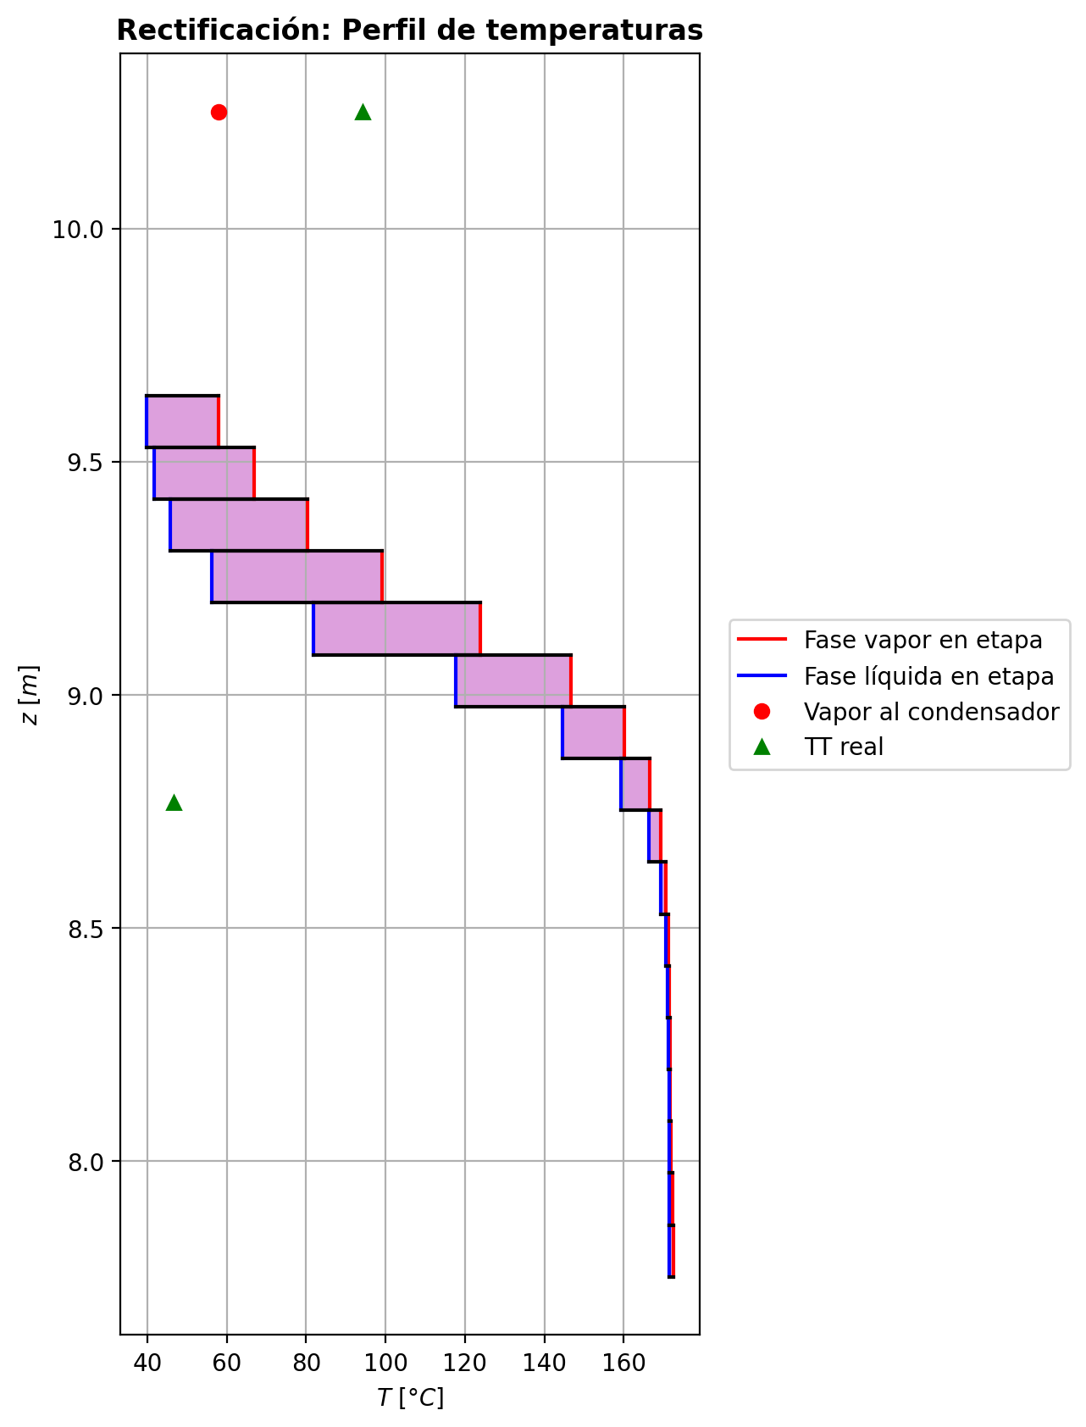
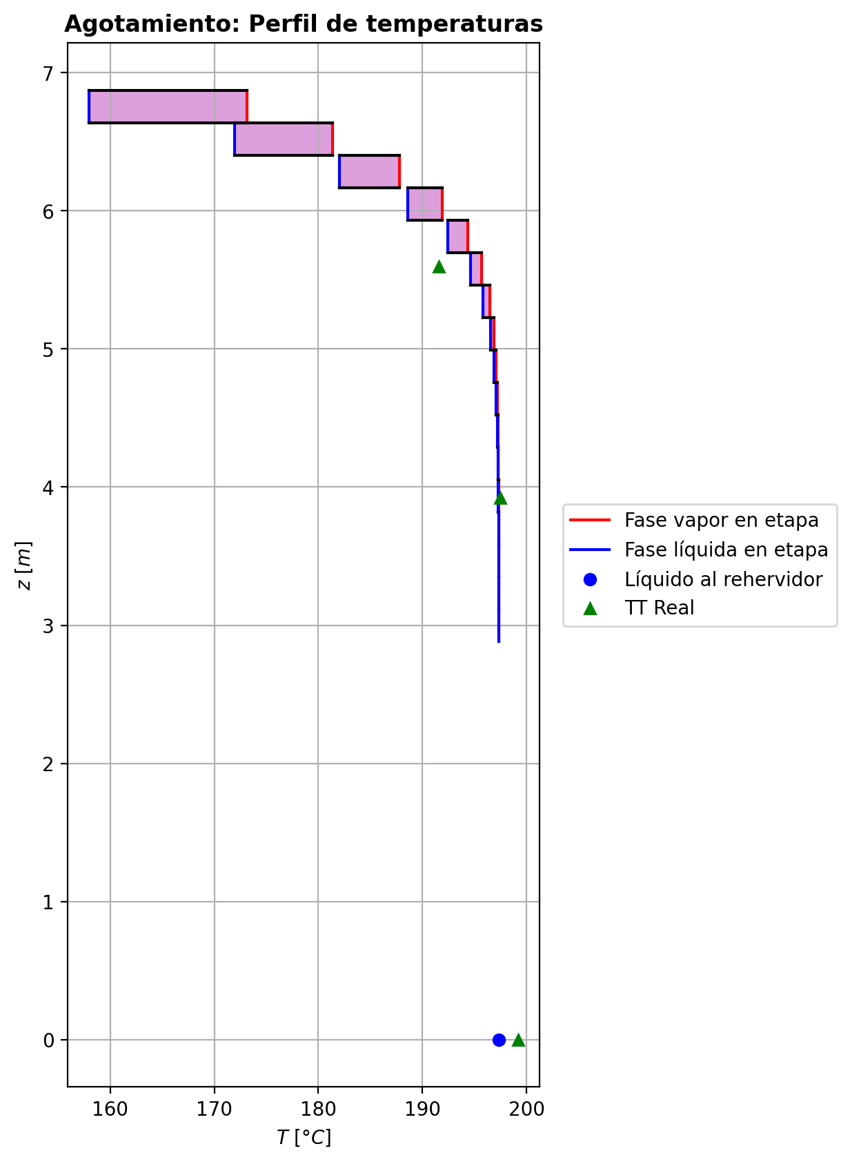
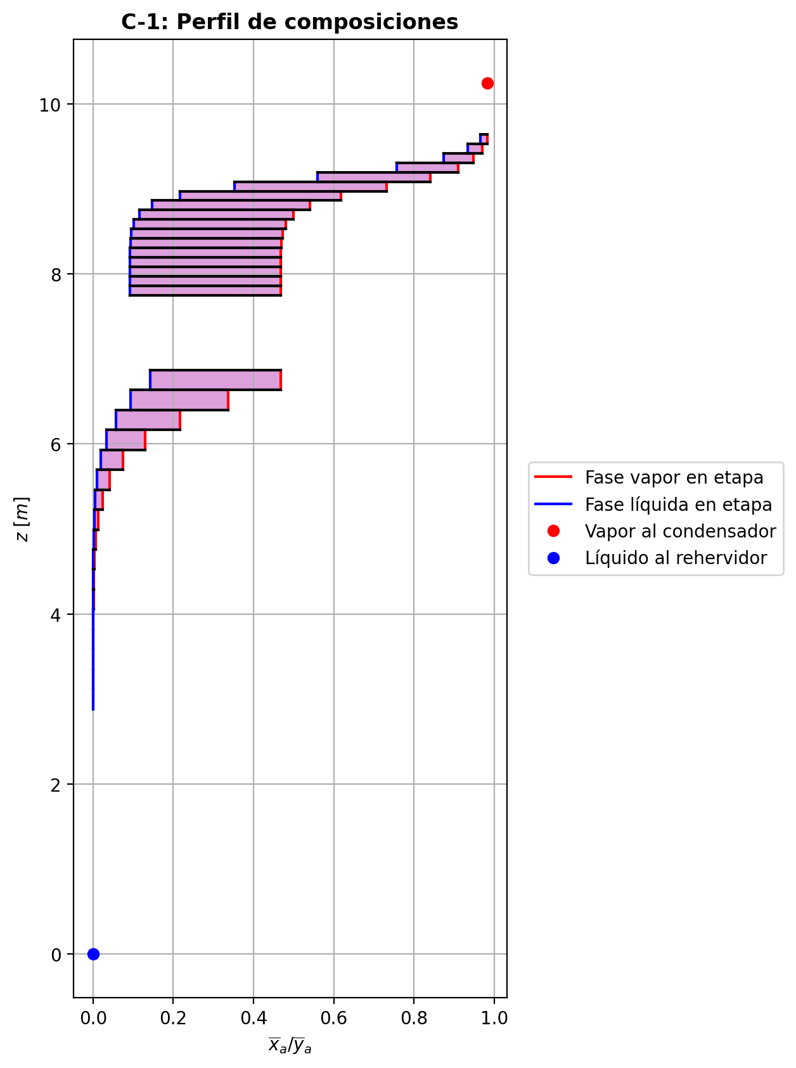
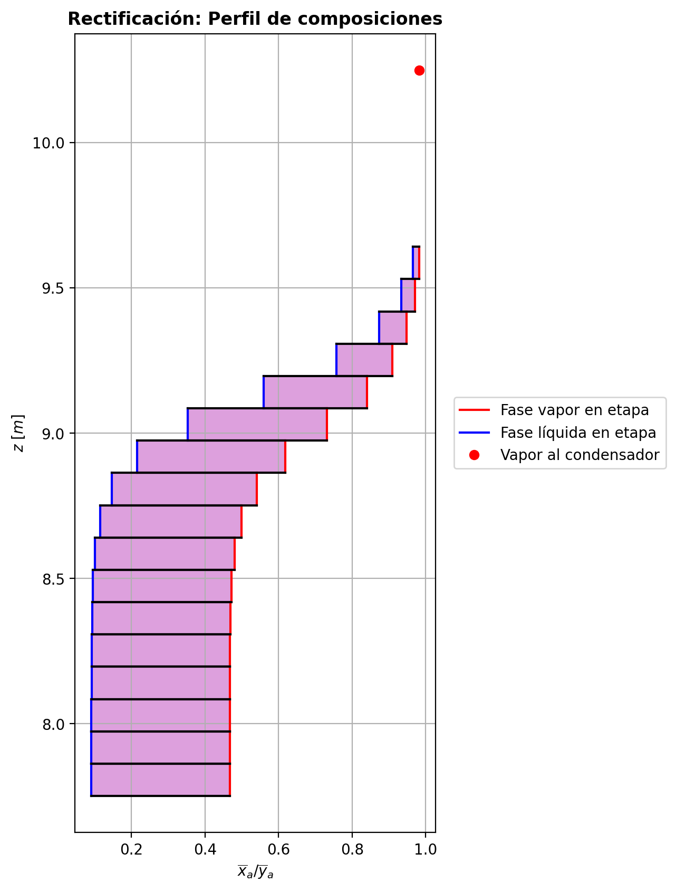
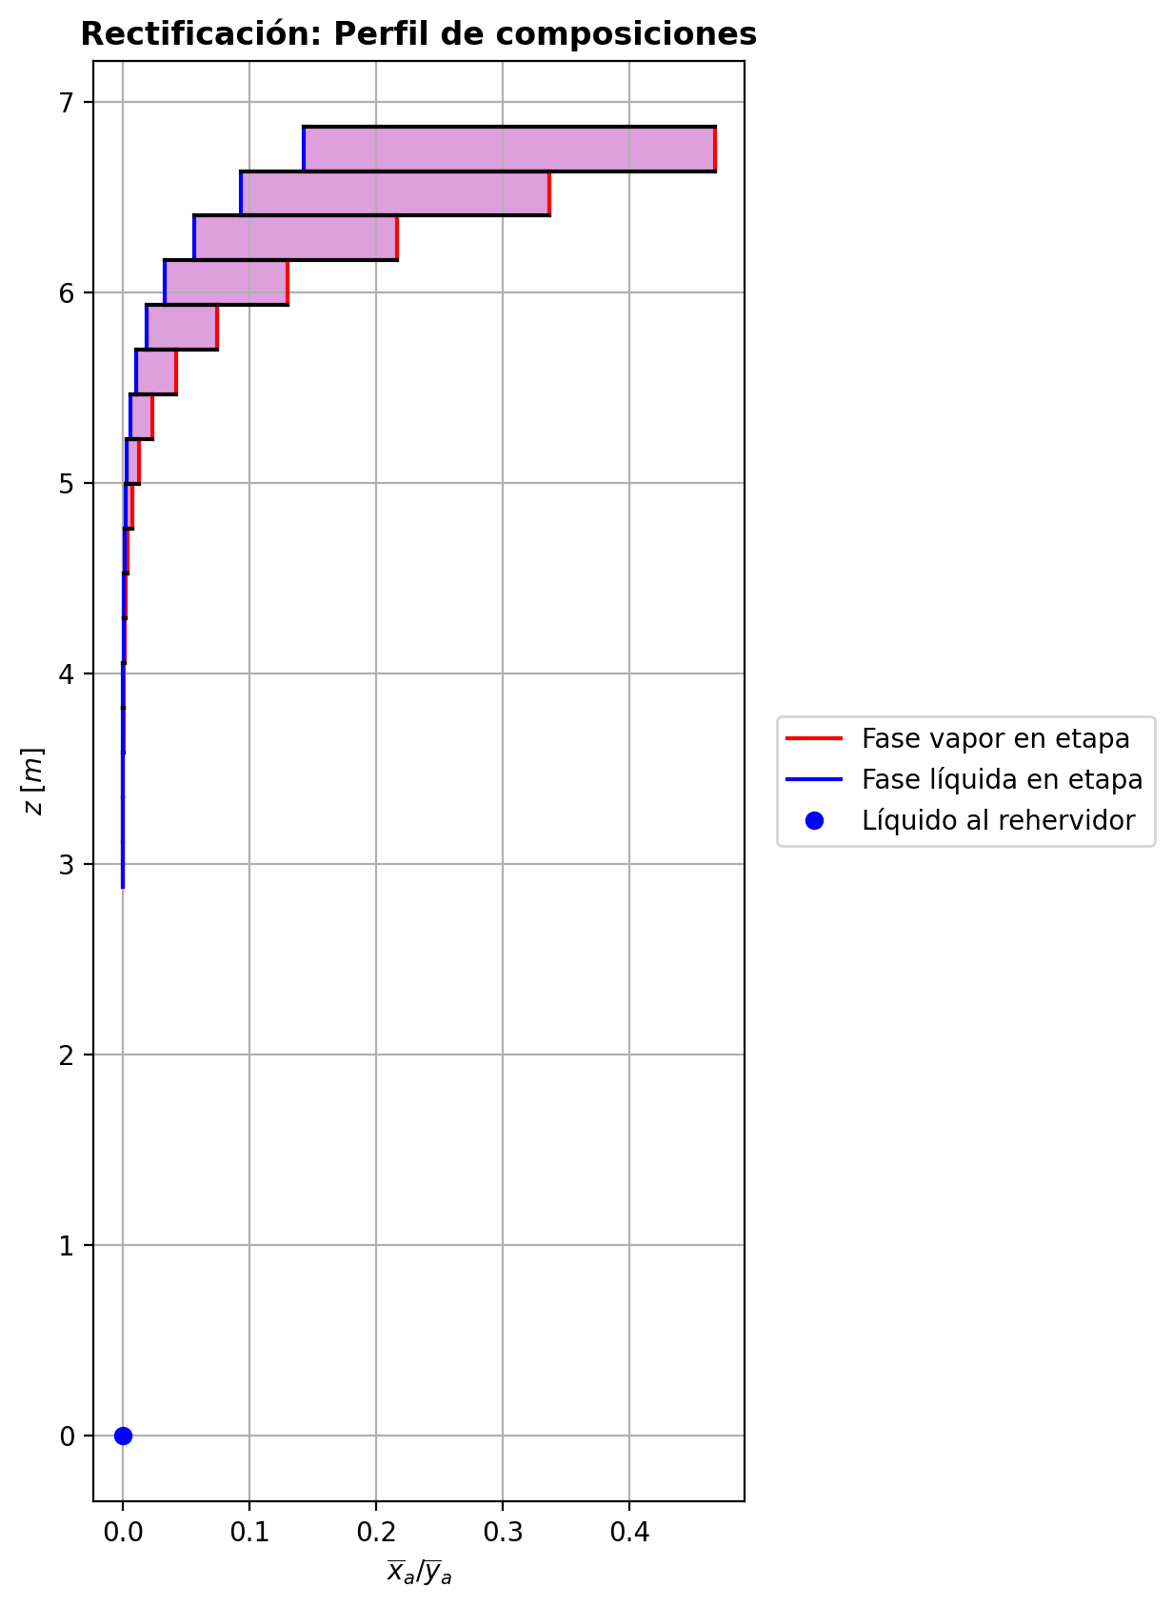
$${\left[N_{t}=N_{a}+N_{w} \right]}_{2}$$
$${\left[N_{t}=N_{a}+N_{w} \right]}_{ps1+ps2−3}$$
$$F_{fría}^{l}+F_{caliente}^{l}=P_{fría}^{l}+P_{caliente}^{l}$$
$${\left[J_{a}^{g}=Γ^{g,b}ρ^{g,b}k_{bm}^{g}a_{ef}A_{tr}Z\left(y_{a}^{b}−y_{a}^{I}\right)\right]}_{2}$$
$${\left(N_{t}\right)}_{2}=V_{3}−V_{2}=L_{2}−{\left(L_{1}−P^{l}\right)}_{E−3}$$
$${\left[J_{a}^{g}=Γ^{g,b}ρ^{g,b}k_{bm}^{g}a_{ef}A_{tr}Z\left(y_{a}^{b}−y_{a}^{I}\right)\right]}_{s}$$
$${\left[N_{t}=N_{a}+N_{w} \right]}_{s}$$
$${\left[J_{a}^{g}=Γ^{g,b}ρ^{g,b}k_{bm}^{g}a_{ef}A_{tr}Z\left(y_{a}^{b}−y_{a}^{I}\right)\right]}_{ps1+ps2−3}$$
Caso | 33 |  |  | Economizador E-1 |  |  |  |  |  |  |  |  | Condensador E-3 (s=1) |  |  |  |  |  |  |  |  | s=2 |  |  |  |  |  |  |  |  |  |  |  |  |  |  | s={3,…,ps1+ps2-4} |  |  |  |  |  |  |  |  |  |  |  |  |  |  |  | s=ps1+ps2-3 |  |  |  |  |  |  |  |  |  |  |  |  |  |  |  |  | Rehervidor E-2 (s=ps1+ps2-2)
ps1 | 19 |  | Representación y balances |  |  |  |  |  |  |  |  |  |  |  |  |  |  |  |  |  |  | Atr [m2] | 0.15904312809 |  |  |  |  |  |  |  |  |  |  |  |  |  | s |  | Atr [m2] | 0.15904312809 |  |  |  |  |  |  |  |  |  |  |  |  | Atr [m2] | 0.15904312809
ps2 | 19 |  |  | Pl [kmol/h]= | 37.8321409 | Fl [kmol/h]= | 48.0624645 | Balance de Masa Total [kmol/h] |  |  |  |  | V2 [kmol/h]= | 36.8003326 |  |  | Balance de Masa Total [kmol/h] |  |  |  |  |  | V2 [kmol/h]= | 36.8003326 |  |  | L1-Pl en E-3 [kmol/h]= | 26.570009 |  | Balance de Masa Total [kmol/h] |  |  |  |  |  |  |  |  | Vs [kmol/h]= | #VALUE! |  |  | Ls-1 [kmol/h]= | #VALUE! |  | Balance de Masa Total [kmol/h] |  |  |  |  |  |  |  |  | Vps1+ps2-3 [kmol/h]= | 30.0280042 |  |  | Lps1+ps2-4 [kmol/h]= | 67.8601452 |  | Balance de Masa Total [kmol/h] |  |  |  |  |  |  |  | Lps1+ps2-3 [kmol/h]= | 67.8604309 | Vps1+ps2-2 [kmol/h]= | 6.01253854E-12 |  |  | Balance de Masa Total [kmol/h]
$$V_{2}=L_{1}$$
$${\left[J_{a}^{l}=Γ^{l,b}ρ^{l,b}k_{bm}^{l}a_{ef}A_{tr}Z\left(x_{a}^{I}−x_{a}^{b}\right)\right]}_{2}$$
$${\left[J_{a}^{l}=Γ^{l,b}ρ^{l,b}k_{bm}^{l}a_{ef}A_{tr}Z\left(x_{a}^{I}−x_{a}^{b}\right)\right]}_{s}$$
$${\left(N_{t}\right)}_{s}=V_{s+1}−V_{s}=L_{s}−L_{s−1}−F_{s}^{l}$$
$${\left[J_{a}^{l}=Γ^{l,b}ρ^{l,b}k_{bm}^{l}a_{ef}A_{tr}Z\left(x_{a}^{I}−x_{a}^{b}\right)\right]}_{ps1+ps2−3}$$
$${\left(N_{t}\right)}_{ps1+ps2−3}=V_{ps1+ps2−2}−V_{ps1+ps2−3}+F_{ps1+ps2−3}^{g}=L_{ps1+ps2−3}−L_{ps1+ps2−4}−F_{ps1+ps2−3}^{l}$$
$$L_{ps1+ps2−3}=P_{ps1+ps2−2}^{g}+P_{ps1+ps2−2}^{l}+V_{ps1+ps2−2}$$
flowmode1 | MIXED |  |  | T [°C]= | 66.846291 | T [°C]= | 20 |  |  |  |  |  | T [°C]= | 57.9065373 |  |  |  |  |  |  |  |  | T [°C]= | 57.9065373 |  |  | T [°C]= | 38.7326378 |  |  |  |  |  |  |  |  |  |  | T [°C]= | #VALUE! |  |  | T [°C]= | #VALUE! |  |  |  |  |  |  |  |  |  |  | T [°C]= | 197.324838 |  |  | T [°C]= | 197.319637 |  |  |  |  |  |  |  |  |  | T [°C]= | 197.323327 | T [°C]= | 197.323327 | Pg [kmol/h]= | 30.0282899
$${\left[Q^{g}=k_{h}^{g}a_{ef}A_{tr}Z\left(T^{g,b}−T^{I}\right)\right]}_{2}$$
$${\left[Q^{g}=k_{h}^{g}a_{ef}A_{tr}Z\left(T^{g,b}−T^{I}\right)\right]}_{s}$$
$${\left[Q^{g}=k_{h}^{g}a_{ef}A_{tr}Z\left(T^{g,b}−T^{I}\right)\right]}_{ps1+ps2−3}$$
$${f_{v}\left(L−P^{l}\right)}_{ps1+ps2−2}=P_{ps1+ps2−2}^{g}$$
flowmode2 | MIXED |  |  | P [bar]= | 14.6887972 | P [bar]= | 18.6326 |  | 85.8946054 | = | 85.8946054 |  | P [bar]= | 14.6937395 |  |  |  | 36.8003326 | = | 36.8003326 |  |  | P [bar]= | 14.6937395 |  |  | P [bar]= | 14.6937395 |  |  | -1.403071773 | = | -1.4030717 | = | -1.4030717 |  |  |  | P [bar]= | #VALUE! |  |  | P [bar]= | #VALUE! |  |  | #VALUE! | = |  | = | #VALUE! |  |  |  | P [bar]= | 14.698432 |  |  | P [bar]= | 14.6982382 |  |  |  | 0.000285718128 | = | 0.00028570000601 | = | 0.00028569999999 |  | P [bar]= | 14.698432 | P [bar]= | 14.6986257 | T [°C]= | 197.326272
$${\left[Q^{l}=k_{h}^{l}a_{ef}A_{tr}Z\left(T^{I}−T^{l,b}\right)\right]}_{2}$$
$${\left[Q^{l}=k_{h}^{l}a_{ef}A_{tr}Z\left(T^{I}−T^{l,b}\right)\right]}_{s}$$
$${\left[Q^{l}=k_{h}^{l}a_{ef}A_{tr}Z\left(T^{I}−T^{l,b}\right)\right]}_{ps1+ps2−3}$$
simtype | 0 |  |  | xa molar= | 1.1053093E-05 | xa molar= | 0.209145562 |  |  |  |  |  | ya molar= | 0.98253324 |  |  |  |  |  |  |  | z top [m]= | ya molar= | 0.98253324 |  |  | xa molar= | 0.98253324 |  |  |  |  |  |  |  |  |  | z top [m]= | ya molar= | #VALUE! |  |  | xa molar= | #VALUE! |  |  |  |  |  |  |  |  |  | z top [m]= | ya molar= | 3.79087404E-05 |  |  | xa molar= | 2.29364898E-05 |  |  |  |  |  |  |  |  |  | xa molar= | 1.10568796E-05 | ya molar= | 6.94579297E-05 | P [bar]= | 14.6986257 |  |  | 67.8604309 | = | 67.8604308
$${\left(N_{a}\right)}_{ps1+ps2−3}={\left(Vy_{a}\right)}_{ps1+ps2−2}−{\left(Vy_{a}\right)}_{ps1+ps2−3}+{\left(F^{g}y_{a}\right)}_{ps1+ps2−3}={\left(Lx_{a}\right)}_{ps1+ps2−3}−{\left(Lx_{a}\right)}_{ps1+ps2−4}−{\left(F^{l}x_{a}\right)}_{ps1+ps2−3}$$
pborde1 | - |  |  | h [kJ/kmol]= | -282655.349 | h [kJ/kmol]= | -243616.793 | Balance de Masa Amoníaco [kmol/h] |  |  |  |  | h [kJ/kmol]= | -49388.5514 |  |  | Balance de Masa Amoníaco [kmol/h] |  |  |  |  | 9.6416 | h [kJ/kmol]= | -49388.5514 |  |  | h [kJ/kmol]= | -69894.5964 |  | Balance de Masa Amoníaco [kmol/h] |  |  |  |  |  |  |  | #VALUE! | h [kJ/kmol]= | #VALUE! |  |  | h [kJ/kmol]= | #VALUE! |  | Balance de Masa Amoníaco [kmol/h] |  |  |  |  |  |  |  | 3.1153058824 | h [kJ/kmol]= | -237444.234 |  |  | h [kJ/kmol]= | -272579.252 |  | Balance de Masa Amoníaco [kmol/h] |  |  |  |  |  |  |  | h [kJ/kmol]= | -272581.446 | h [kJ/kmol]= | -237438.06 | ya molar= | 1.10620654E-05 |  |  | 30.028289952 | = | 30.0282899
$${\left(F^{l}x_{a,F}\right)}_{fría}+{\left(F^{l}x_{a,F}\right)}_{caliente}={\left(P^{l}x_{a,P}\right)}_{fría}+{\left(P^{l}x_{a,P}\right)}_{caliente}$$
$${\left(Vy_{a}\right)}_{2}={\left(Lx_{a}\right)}_{1}$$
$${\left(N_{a}\right)}_{2}={\left(Vy_{a}\right)}_{3}−{\left(Vy_{a}\right)}_{2}={\left(Lx_{a}\right)}_{2}−{\left[\left(L_{1}−P^{l}\right)x_{a}\right]}_{E−3}$$
$${\left(N_{a}\right)}_{s}={\left(Vy_{a}\right)}_{s+1}−{\left(Vy_{a}\right)}_{s}={\left(Lx_{a}\right)}_{s}−{\left(Lx_{a}\right)}_{s−1}−{\left(F^{l}x_{a}\right)}_{s}$$
nborde1 | - |  |  |  |  |  |  |  |  |  |  |  |  |  |  |  |  |  |  |  |  |  |  |  | TI [°C]= | 39.9447701 |  |  |  |  |  |  |  |  |  |  | NO APLICA |  |  |  | TI [°C]= | #VALUE! |  |  |  |  |  |  |  |  |  |  | NO APLICA |  |  |  | TI [°C]= | 197.323435 |  |  |  |  |  |  |  |  |  |  |  |  |  |  |  | h [kJ/kmol]= | -237449.52743
$${\left(N_{a}\right)}_{2}={\left(J_{a}^{g}\right)}_{2}+{\left(N_{t}y_{a}^{b}\right)}_{2}={\left(J_{a}^{l}\right)}_{2}+{\left(N_{t}x_{a}^{b}\right)}_{2}$$
$${\left(N_{a}\right)}_{s}={\left(J_{a}^{g}\right)}_{s}+{\left(N_{t}y_{a}^{b}\right)}_{s}={\left(J_{a}^{l}\right)}_{s}+{\left(N_{t}x_{a}^{b}\right)}_{s}$$
$${\left(N_{a}\right)}_{ps1+ps2−3}={\left(J_{a}^{g}\right)}_{ps1+ps2−3}+{\left(N_{t}y_{a}^{b}\right)}_{ps1+ps2−3}={\left(J_{a}^{l}\right)}_{ps1+ps2−3}+{\left(N_{t}x_{a}^{b}\right)}_{ps1+ps2−3}$$
pborde2 | - |  |  |  |  |  |  |  | 10.052469311 | = | 10.052469311 |  |  |  |  |  |  | 36.157550023 | = | 36.157550023 |  |  | V2b [kmol/h]= | 36.8003326 | yaI molar= | 0.999910643 | L2b [kmol/h]= | 25.1669373 |  |  |  |  |  |  |  |  | Fl Alimentación [kmol/h]= | #VALUE! | Vsb [kmol/h]= | #VALUE! | yaI molar= | #VALUE! | Lsb [kmol/h]= | #VALUE! |  |  |  |  |  |  |  |  | Fl Alimentación [kmol/h]= | - | Vps1+ps2-3b [kmol/h]= | 30.0280042 | yaI molar= | 6.13294735E-05 | Lps1+ps2-3b [kmol/h]= | 67.8604309 |  |  |  |  |  |  |  |  |  |  |  |  |  |  |  | Balance de Masa Amoníaco [kmol/h]
$${\left(Lx_{a}\right)}_{ps1+ps2−3}={\left(P^{g}y_{a}\right)}_{ps1+ps2−2}+{\left(P^{l}y_{a}\right)}_{ps1+ps2−2}+{\left(Vy_{a}\right)}_{ps1+ps2−2}$$
nborde2 | - |  |  | Q̇ [kJ/h]= |  |  |  |  |  |  |  |  | Q̇ [kJ/h]= |  |  |  |  |  |  |  |  |  | Tg,b [°C]= | 57.9065373 | xaI molar= | 0.955337613 | Tl,b [°C]= | 39.8747192 |  |  | -1.81574996 | = | -1.8157498874 | = | -1.8157498955 |  | T [°C]= | #VALUE! | Tg,b [°C]= | #VALUE! | xaI molar= | #VALUE! | Tl,b [°C]= | #VALUE! |  |  | #VALUE! | = |  | = | #VALUE! |  | T [°C]= | - | Tg,b [°C]= | 197.324838 | xaI molar= | 9.75925637E-06 | Tl,b [°C]= | 197.323327 |  |  |  | -0.000806148912 | = | -0.00080614890922 | = | -0.00080614891414
$$\dot{Q}={{\left(P^{l}h_{P}\right)}_{fría}−\left(F^{l}h_{F}\right)}_{fría}$$
$${\left[\left(L−P^{l}\right)x_{a}\right]}_{ps1+ps2−2}={\left(P^{g}y_{a}\right)}_{ps1+ps2−2}+{\left[\left(L−P^{l}−P^{g}\right)x_{a}\right]}_{ps1+ps2−2}$$
Molar RR | 2.59718168 |  |  | 381117.262 |  |  |  | Balance de Energía [kJ/h] |  |  |  |  | 754629.277 |  |  |  | Balance de Energía [kJ/h] |  |  |  |  |  | P [bar]= | 14.6937395 | Na [kmol/h]= | -1.81574996 | P [bar]= | 14.6937395 |  |  | -1.81574996 | = | -1.81574996 | = | -1.81574996 |  | P [bar]= | #VALUE! | P [bar]= | #VALUE! | Na [kmol/h]= | #VALUE! | P [bar]= | #VALUE! |  |  | #VALUE! | = | #VALUE! | = | #VALUE! |  | P [bar]= | - | P [bar]= | 14.698432 | Na [kmol/h]= | -0.000806148912 | P [bar]= | 14.698432 |  |  |  | -0.000806148912 | = | -0.000806148912 | = | -0.000806148912 |  |  |  | Lps1+ps2-2-Pl-Pg [kmol/h]= | 0.0300584
$$\dot{Q}={\left(Vh\right)}_{2}−{\left(Lh\right)}_{1}$$
Molar BR | 0.79372431 |  |  |  |  |  |  |  |  |  |  |  |  |  |  |  |  |  |  |  |  |  | yab molar= | 0.98253324 | Nw [kmol/h]= | 0.412678187 | xab molar= | 0.965161825 |  |  |  |  |  |  |  |  | xa molar= | #VALUE! | yab molar= | #VALUE! | Nw [kmol/h]= | #VALUE! | xab molar= | #VALUE! |  |  |  |  |  |  |  |  | xa molar= | - | yab molar= | 3.79087404E-05 | Nw [kmol/h]= | 0.00109186704 | xab molar= | 1.10568796E-05 |  |  |  |  |  |  |  |  |  |  |  | T [°C]= | 197.326272 |  |  |  |  | 0.00075032461407 | = | 0.00075033707848
$$\dot{Q}={\left(F^{l}h_{F}\right)}_{caliente}−{\left(P^{l}h_{P}\right)}_{caliente}$$
$$E_{ps1+ps2−3}={\left(Vh\right)}_{ps1+ps2−2}−{\left(Vh\right)}_{ps1+ps2−3}+{\left(F^{g}h\right)}_{ps1+ps2−3}={\left(Lh\right)}_{ps1+ps2−3}−{\left(Lh\right)}_{ps1+ps2−4}−{\left(F^{l}h\right)}_{ps1+ps2−3}$$
Molar fv Reboiler | 0.999 |  |  |  |  |  |  |  |  |  |  |  | L1 [kmol/h]= | 36.8003326 |  |  |  | 754629.277 | = | 754629.27631 |  |  |  |  | Nt [kmol/h]= | -1.403071773 |  |  |  | Balance de Energía [kJ/h] |  |  |  |  |  |  | h [kJ/kmol]= | #VALUE! |  |  | Nt [kmol/h]= | #VALUE! |  |  |  | Balance de Energía [kJ/h] |  |  |  |  |  |  | h [kJ/kmol]= | - |  |  | Nt [kmol/h]= | 0.000285718128 |  |  |  | Balance de Energía [kJ/h] |  |  |  |  |  |  |  |  |  | P [bar]= | 14.6986257 |  |  |  |  | 0.00033222781797 | = | 0.00033222781798
$$E_{2}={\left(Vh\right)}_{3}−{\left(Vh\right)}_{2}={\left(Lh\right)}_{2}−{\left[\left(L_{1}−P^{l}\right)h\right]}_{E−3}$$
$$E_{s}={\left(Vh\right)}_{s+1}−{\left(Vh\right)}_{s}={\left(Lh\right)}_{s}−{\left(Lh\right)}_{s−1}−{\left(F^{l}h\right)}_{s}$$
$$E_{ps1+ps2−3}={\left(Q^{g}\right)}_{ps1+ps2−3}+{\left(ΣN_{i}{\hat{h}}_{i}^{g,b}\right)}_{ps1+ps2−3}={\left(Q^{l}\right)}_{ps1+ps2−3}+{\left(ΣN_{i}{\hat{h}}_{i}^{l,b}\right)}_{ps1+ps2−3}$$
Mass xa Distillate | 0.98154194 |  |  | Fl=Pl en E-2 [kmol/h]= | 37.8321409 | Pl=Fl Alimentación [kmol/h]= | 48.0624645 |  | 381117.262 | = | 381117.272 |  | T [°C]= | 38.7326378 |  |  |  |  |  |  |  |  |  |  | E [kJ/h]= | -1834.09104 |  |  |  |  |  |  |  |  |  |  |  |  |  |  | E [kJ/h]= | #VALUE! |  |  |  |  |  |  |  |  |  |  |  |  |  |  | E [kJ/h]= | -226.797998 |  |  |  |  |  |  |  |  |  |  |  |  |  | xa molar= | 1.76028197E-06
$$E_{2}={\left(Q^{g}\right)}_{2}+{\left(ΣN_{i}{\hat{h}}_{i}^{g,b}\right)}_{2}={\left(Q^{l}\right)}_{2}+{\left(ΣN_{i}{\hat{h}}_{i}^{l,b}\right)}_{2}$$
$$E_{s}={\left(Q^{g}\right)}_{s}+{\left(ΣN_{i}{\hat{h}}_{i}^{g,b}\right)}_{s}={\left(Q^{l}\right)}_{s}+{\left(ΣN_{i}{\hat{h}}_{i}^{l,b}\right)}_{s}$$
Mass xa Bottoms | 1.04489344E-05 |  |  | T [°C]= | 197.323327 | T [°C]= | 113.649838 |  | 381117.262 | = | 381117.27988 |  | P [bar]= | 14.6937395 |  |  | Relación |  |  |  |  | z lower [m]= | V3 [kmol/h]= | 35.3972609 |  |  | L2 [kmol/h]= | 25.1669373 |  |  |  |  |  |  |  |  |  | z lower [m]= | Vs+1 [kmol/h]= |  |  |  | Ls [kmol/h]= | #VALUE! |  |  |  |  |  |  |  |  |  | z lower [m]= | Vps1+ps2-2 [kmol/h]= | 6.01253854E-12 | Fg=Pg en E-2 [kmol/h]= | 30.0282899 | Lps1+ps2-3 [kmol/h]= | 67.8604309 |  |  |  |  |  |  |  |  |  |  |  | h [kJ/kmol]= | -272583.15949 |  | Q̇ [kJ/h]= | Balance de Energía [kJ/h]
$$RR=\frac{L_{1}−{\left(P^{l}\right)}_{1}}{{\left(P^{l}\right)}_{1}}$$
$${\left(Lh\right)}_{ps1+ps2−3}={\left(P^{g}h\right)}_{ps1+ps2−2}+{\left(P^{l}h\right)}_{ps1+ps2−2}+{\left(Vh\right)}_{ps1+ps2−2}−\dot{Q}$$
 |  |  |  | P [bar]= | 14.6986257 | P [bar]= | 18.6125587 |  |  |  |  |  | xa molar= | 0.98253324 |  |  |  |  |  |  |  | 9.5304235294 | T [°C]= | 66.9407631 |  |  | T [°C]= | 39.8747192 |  |  | -1834.09104 | = | -1834.0940244 | = | -1834.0970154 |  |  | #VALUE! | T [°C]= |  |  |  | T [°C]= | #VALUE! |  |  | #VALUE! | = |  | = | #VALUE! |  |  | 2.8806 | T [°C]= | 197.323327 | T [°C]= | 197.326272 | T [°C]= | 197.323327 |  |  |  | -226.797998 | = | -226.79035948 | = | -226.76167769 |  |  |  |  |  |  | 1054951.43
$$\dot{Q}={\left(P^{g}h\right)}_{ps1+ps2−2}−{\left[\left(L−P^{l}\right)h\right]}_{ps1+ps2−2}+{\left[\left(L−P^{l}−P^{g}\right)h\right]}_{ps1+ps2−2}$$
 |  |  |  | xa molar= | 1.1053093E-05 | xa molar= | 0.209145562 |  |  |  |  |  | h [kJ/kmol]= | -69894.5964 |  |  |  | 2.59718168 | = | 2.5971816766 |  |  | P [bar]= | 14.6938593 |  |  | P [bar]= | 14.6937395 |  |  | -1834.09104 | = | -1834.091 | = | -1834.09104 |  |  |  | P [bar]= |  |  |  | P [bar]= | #VALUE! |  |  | #VALUE! | = | #VALUE! | = | #VALUE! |  |  |  | P [bar]= | 14.6986257 | P [bar]= | 14.6986257 | P [bar]= | 14.698432 |  |  |  | -226.797998 | = | -226.79799882 | = | -226.7979981
 |  |  |  | h [kJ/kmol]= | -272581.447 | h [kJ/kmol]= | -235687.169 |  |  |  |  |  |  |  |  |  |  |  |  |  |  | Z [m]= | ya molar= | 0.970182417 |  |  | xa molar= | 0.965161825 |  |  |  |  |  |  |  |  |  | Z [m]= | ya molar= |  |  |  | xa molar= | #VALUE! |  |  |  |  |  |  |  |  |  | Z [m]= | ya molar= | 6.94579297E-05 | ya molar= | 1.10620654E-05 | xa molar= | 1.10568796E-05 |  |  |  |  |  |  |  |  |  |  |  |  |  |  |  |  |  | -18497494.381 | = | -18497494.386
 |  |  |  |  | Caliente | Fría |  |  |  |  |  |  | L1-Pl [kmol/h]= | 26.570009 | Pl [kmol/h]= | 10.2303236 |  |  |  |  |  | 0.11117647059 | h [kJ/kmol]= | -51398.0225 |  |  | h [kJ/kmol]= | -73864.1389 |  |  |  |  |  |  |  |  |  | #VALUE! | h [kJ/kmol]= |  |  |  | h [kJ/kmol]= | #VALUE! |  |  |  |  |  |  |  |  |  | 0.23470588235 | h [kJ/kmol]= | -237438.06 | h [kJ/kmol]= | -237449.52743 | h [kJ/kmol]= | -272581.446 |  |  |  |  |  |  |  |  |  | Pl [kmol/h]= | 37.8321409 | Lps1+ps2-2-Pl [kmol/h]= | 30.0583483 |  |  |  |  | 1054951.43 | = | 1054951.4301
 |  |  |  |  |  |  |  |  |  |  |  |  | T [°C]= | 38.7326378 | T [°C]= | 38.7326378 |  |  |  |  |  |  |  | Vapor |  |  | Líquido |  |  |  |  |  |  |  |  |  |  |  |  | Vapor |  |  | Líquido |  |  |  |  |  |  |  |  |  |  |  |  | Vapor |  |  | Líquido |  |  |  |  |  |  |  |  |  |  | T [°C]= | 197.323327 | T [°C]= | 197.323327
$$f_{v}=\frac{P_{ps1+ps2−2}^{g}}{{\left(L−P^{l}\right)}_{ps1+ps2−2}}$$
 |  |  |  |  |  |  |  |  |  |  |  |  | P [bar]= | 14.6937395 | P [bar]= | 14.6937395 |  |  |  |  |  | Transferencia de masa y calor |  |  |  |  |  |  |  |  |  |  |  |  |  |  |  | Transferencia de masa y calor |  |  |  |  |  |  |  |  |  |  |  |  |  |  |  | Transferencia de masa y calor |  |  |  |  |  |  |  |  |  |  |  |  |  |  |  | P [bar]= | 14.6986257 | P [bar]= | 14.6986257 |  |  | Relación
$$BR=\frac{P_{ps1+ps2−2}^{g}}{P_{ps1+ps2−2}^{l}}$$
 |  |  |  |  |  |  |  |  |  |  |  |  | xa molar= | 0.98253324 | xa molar= | 0.98253324 |  |  |  |  |  | Difusión |  | Convección |  | aef [m2/m3] | 521.9979071 | khg [kJ/h·m2·°C] | 96.25759812 |  |  |  |  |  |  |  |  | Difusión |  | Convección |  | aef [m2/m3] | #VALUE! | khg [kJ/h·m2·°C] | #VALUE! |  |  |  |  |  |  |  |  | Difusión |  | Convección |  | aef [m2/m3] | 415.7247908 | khg [kJ/h·m2·°C] | 69.36104916 |  |  |  |  |  |  |  |  | xa molar= | 1.1053093E-05 | xa molar= | 1.10527636E-05
 |  |  |  |  |  |  |  |  |  |  |  |  | h [kJ/kmol]= | -69894.5964 | h [kJ/kmol]= | -69894.5964 |  |  |  |  |  | Jag [kmol/h]= | -0.43718530492 | Ntyab [kmol/h]= | -1.3785646551 | kbmg [m/h] | 4.3790473652 | khl [kJ/h·m2·°C] | 3707.478216 |  |  |  |  |  |  |  |  | Jag [kmol/h]= | #VALUE! | Ntyab [kmol/h]= | #VALUE! | kbmg [m/h] | #VALUE! | khl [kJ/h·m2·°C] | #VALUE! |  |  |  |  |  |  |  |  | Jag [kmol/h]= | -0.00080615974321 | Ntyab [kmol/h]= | 1.0831214342E-08 | kbmg [m/h] | 5.3673330894 | khl [kJ/h·m2·°C] | 12089.86938 |  |  |  |  |  |  |  |  | h [kJ/kmol]= | -272581.447 | h [kJ/kmol]= | -272581.44753
 |  |  |  |  |  |  |  |  |  |  |  |  |  |  |  |  |  |  |  |  |  | Jal [kmol/h]= | -0.46155864697 | Ntxab [kmol/h]= | -1.354191313 | kbml [m/h] | 0.14562652189 |  |  |  |  |  |  |  |  |  |  | Jal [kmol/h]= | #VALUE! | Ntxab [kmol/h]= | #VALUE! | kbml [m/h] | #VALUE! |  |  |  |  |  |  |  |  |  |  | Jal [kmol/h]= | -0.00080615207115 | Ntxab [kmol/h]= | 3.1591509408E-09 | kbml [m/h] | 0.83110722649 |  |  |  |  |  |  |  |  |  |  |  |  |  |  |  |  |  |  | 0.79372431 | = | 0.79372430916
 |  |  |  |  |  |  |  |  |  |  |  |  | Nota: En lo exportado de Aspen Plus, deben ser iguales las propiedades en la salida líquida (al ser un divisor). Se usan promedios en T, P, xa y h en L1-Pl para validarlo. |  |  |  |  |  |  |  |  | Qg [kJ/h]= | 15958.08 | ΣNiĥig,b [kJ/h]= | -17792.171 | Γg,b | 1.0286847775 |  |  |  |  |  |  |  |  |  |  | Qg [kJ/h]= | #VALUE! | ΣNiĥig,b [kJ/h]= | #VALUE! | Γg,b | #VALUE! |  |  |  |  |  |  |  |  |  |  | Qg [kJ/h]= | 1.50990018 | ΣNiĥig,b [kJ/h]= | -228.307899 | Γg,b | 0.9999958526 |  |  |  |  |  |  |  |  |  |  | Q̇ [kJ/h] mediante la suposición de estado cuasi-estacionario del aceite térmico= |  |  |  |  | 1098528.7078 |  |  | 0.999 | = | 0.99899999828
$$\dot{Q}={\overline{L}}_{t66}\left[{\overline{h}}_{t66}\left(TT−6\right)−{\overline{h}}_{t66}\left(TT−7\right)\right]$$
 |  |  |  |  |  |  |  |  |  |  |  |  |  |  |  |  |  |  |  |  |  | Ql [kJ/h]= | 2397.11471 | ΣNiĥil,b [kJ/h]= | -4231.20575 | Γl,b | 0.99661978654 |  |  |  |  |  |  |  |  |  |  | Ql [kJ/h]= | #VALUE! | ΣNiĥil,b [kJ/h]= | #VALUE! | Γl,b | #VALUE! |  |  |  |  |  |  |  |  |  |  | Ql [kJ/h]= | 20.2323659 | ΣNiĥil,b [kJ/h]= | -247.030364 | Γl,b | 1.0000217432
 |  |  |  |  |  |  |  |  |  |  |  |  |  |  |  |  |  |  |  |  |  |  |  |  |  |  |  |  |  |  |  |  |  |  |  |  |  |  |  |  |  |  |  |  |  |  |  |  |  |  |  |  |  |  |  |  |  |  |  |  |  |  |  |  |  |  |  |  |  | TT-6 [°C]= | 230.0281 | FIC-1 [m3/h]= | 84.1997
Economizador |  |  |  |  |  |  |  |  |  |  |  |  |  |  |  |  |  |  |  |  |  |  |  |  |  |  |  |  |  |  |  |  |  |  |  |  |  |  |  |  |  |  |  |  |  |  |  |  |  |  |  |  |  |  |  |  |  |  |  |  |  |  |  |  |  |  |  |  |  | TT-7 [°C]= | 223.4826 | FIC-1 [kmol/h]= | 289.8264014
Ubicación | Flujos |  |  |  | Masa |  |  |  | Energía |  |  |  |  |  |  |  |  | Hidráulica
Equipo | Fl Fría [kmol/h] | Pl Fría [kmol/h] | Fl Caliente [kmol/h] | Pl Caliente [kmol/h] | xa molar en Fl Fría | xa molar en Pl Fría | xa molar en Fl Caliente | xa molar en Pl Caliente | Tl en Fl Fría [°C] | Tl en Pl Fría [°C] | Tl en Fl Caliente [°C] | Tl en Pl Caliente [°C] | Q̇ [kJ/h] | hl en Fl Fría [kJ/kmol] | hl en Pl Fría [kJ/kmol] | hl en Fl Caliente [kJ/kmol] | hl en Pl Caliente [kJ/kmol] | P en Fl Fría [bar] | P en Pl Fría [bar] | P en Fl Caliente [bar] | P en Pl Caliente [bar] |  |  |  |  |  |  |  |  |  |  |  |  |  |  |  |  |  |  |  |  |  |  |  |  |  |  |  |  |  |  |  |  |  |  |  |  |  |  |  |  |  |  |  |  |  |  |  |  | Nota: Las propiedades de Lps1+ps2-2-Pl son las de Lps1+ps2-2, las cuales deben ser iguales a las de Pl, pero por la recirculación en Aspen Plus se exportan valores muy cercanos entre sí. Se calcula h de Lps1+ps2-2-Pl mediante Aspen Custom Modeler para validar la esperada simulitud con la de Pl. Por otra parte, se esperaría que se evapore toda la entrada al Rehervidor, es decir, fv≈1 y por lo tanto, la corriente Lps1+ps2-2-Pl-Pg no existiría o tendría poco efecto en la etapa.
Economizador E-1 | 48.0624645 | 48.0624645 | 37.8321409 | 37.8321409 | 0.209145562 | 0.209145562 | 1.1053093E-05 | 1.1053093E-05 | 20 | 113.649838 | 197.323327 | 66.846291 | 381117.262 | -243616.793 | -235687.169 | -272581.447 | -282655.349 | 18.6326 | 18.6125587 | 14.6986257 | 14.6887972

Condensador y Rehervidor
Ubicación |  |  | Flujos |  |  |  | Masa |  |  |  | Energía |  |  |  |  |  |  |  |  | Hidráulica |  |  |  |  | Retorno de líquido de E-2 al sumidero |  |  |  |  |  | Caída de presión a sumidero |  |  |  |  |  | Nota: AP no está considerando la caída de presión en el sumidero por el nivel del agua. Lo calcula mediante la altura en la última etapa; pero está presión estática si es muy similar calculada con el nivel del agua.
Equipo | s | z [m] | V [kmol/h] | L [kmol/h] | Pg [kmol/h] | Pl [kmol/h] | ya molar en V | xa molar en L | ya molar en Pg | xa molar en Pl | Tg en V [°C] | Tl en L [°C] | Tg en Pg [°C] | Tl en Pl [°C] | Q̇ [kJ/h] | hg en V [kJ/kmol] | hl en L [kJ/kmol] | hg en Pg [kJ/kmol] | hl en Pl [kJ/kmol] | P en V [bar] | P en L [bar] | P en Pg [bar] | P en Pl [bar] |  | Flujo molar [kmol/h] | xa molar | Tl [°C] | hl [kJ/kmol] | P [bar] |  | z [m] | ρl [kg/m3] | ΔP [bar] AP | P estática [bar] cal | P estática [bar] AP
$$We=\frac{ρU_{sp}^{2}}{a_{p}σ}$$
Condensador E-3 | 1 | 10.2497 | - | 36.8003326 | - | 10.2303236 | - | 0.98253324 | - | 0.98253324 | - | 38.7326378 | - | 38.7326378 | -754629.277 | - | -69894.5964 | - | -69894.5964 | - | 14.6937395 | - | 14.6937395 |  | 0.0300584 | 1.76028197E-06 | 197.326272 | -272583.15949 | 14.6986257 |  | 1.440528945 | 867.756385 | 0.0001937 | 0.12258588948 | Ver AP - Nota ❤️ | → | Nota ❤️: En Tab: "C-1 Column Internals INT-1 - Column Hydraulic Results" y valor en "Pressure drop across sump"
$$d_{h}=\frac{4ε}{a_{p}}$$
$$U_{sp}^{g}=\frac{V}{ρA_{tr}}$$
$$U_{sp}^{l}=\frac{L}{ρA_{tr}}$$
$$Sc=\frac{μ}{ρD_{bm}}$$
$$Re=\frac{ρU_{sp}}{a_{p}μ}$$
$$Re=\frac{d_{h}ρU_{sp}}{μ}$$
$$We=\frac{d_{h}ρU_{sp}^{2}}{σ}$$
$$Fr=\frac{a_{p}U_{sp}^{2}}{g_{c}}$$
$$Fr=\frac{U_{sp}^{2}}{g_{c}d_{h}}$$
Rehervidor E-2 | 36 | 0 | 6.01253854E-12 | 67.8904892 | 30.0282899 | 37.8321409 | 6.94579297E-05 | 1.10527636E-05 | 1.10620654E-05 | 1.1053093E-05 | 197.323327 | 197.323327 | 197.326272 | 197.323327 | 1054951.43 | -237438.06 | -272581.44753 | -237449.52743 | -272581.447 | 14.6986257 | 14.6986257 | 14.6986257 | 14.6986257
 |  |  |  |  |  |  |  |  |  |  |  |  |  |  |  |  |  |  |  |  |  |  |  |  |  |  |  |  |  |  |  |  |  |  |  |  |  |  |  |  |  |  |  |  |  |  |  |  |  |  |  |  |  |  |  |  |  |  | Atr [m2] | 0.15904312809 | ε | 0.982 | ap [m2/m3] | 353 | θ [rad] | 0.7853981634 | gc [m/s2] | 9.80665 | dh [m] | 0.011127478754
Etapas |  |  |  |  |  |  |  |  |  |  |  |  |  |  |  |  |  |  |  |  |  |  |  |  |  |  |  |  |  |  |  |  |  |  |  |  |  |  |  |  |  |  |  |  |  |  |  |  |  |  |  |  | Real | Simulación T [°C] |  | Ubicación |  |  | Propiedades de bulk comprobadas en ACM
Ubicación de etapa |  |  |  | Flujos (cumplir balances de matería y energía ME) |  |  |  |  |  | Área R | Transferencia de masa RM |  |  |  |  |  |  |  |  |  |  |  |  |  |  |  |  |  |  | Transferencia de energía RE, cumplir equilibrio Q |  |  |  |  |  |  |  |  |  |  |  |  |  |  |  |  |  | Hidráulica H |  |  |  |  |  | g | l | Etapa | Posición [m] |  | Primarias |  |  |  |  |  |  |  |  |  |  |  |  |  |  | Secundarias |  |  |  |  |  |  |  |  |  |  |  |  |  | Ecs. R |  |  |  |  |  | Aproximaciones propuestas ACM |  |  |  |  |  |  |  |  | Ecs. H ACM | Transferencia de ME e interfase
Zona | s | z top [m] | z lower [m] | Fg [kmol/h] | Fl [kmol/h] | V [kmol/h] | L [kmol/h] | Vb [kmol/h] | Lb [kmol/h] | aefAtrZ [m2] | ya molar en Fg | xa molar en Fl | ya molar en V | yab molar | yaI molar | xaI molar | xab molar | xa molar en L | kbmg [m/h] | kbml [m/h] | Na [kmol/h] | Nw [kmol/h] | Nt [kmol/h] | Jag [kmol/h] | Γg,b≈1 | Ntyab [kmol/h] | Jal [kmol/h] | Γl,b | Ntxab [kmol/h] | Tg en Fg [°C] | Tl en Fl [°C] | Tg [°C] | Tg,b [°C] | TI [°C] | Tl,b [°C] | Tl [°C] | khg [kJ/h·m2·°C] | khl [kJ/h·m2·°C] | E [kJ/h] | Qg [kJ/h] | ΣNiĥig,b [kJ/h] | Ql [kJ/h] | ΣNiĥil,b [kJ/h] | hg en Fg [kJ/kmol] | hl en Fl [kJ/kmol] | hg en V [kJ/kmol] | hl en L [kJ/kmol] | P en Fg [bar] | P en Fl [bar] | P [bar] |  | TT1 [°C] | 199.1919 | - | 197.323327 | 36 | 10.2497 |  | ρg,b [kmol/m3] AP | ρl,b [kmol/m3] AP | ρg,b [kmol/m3] ACM | ρl,b [kmol/m3] ACM | Dbmg,b [m2/h] AP | Dbml,b [m2/h] AP | Dbmg,b [m2/h] ACM | Dbml,b [m2/h] ACM | Cpg,b [kJ/kmol·K] ACM | Cpl,b [kJ/kmol·K] ACM | κg,b [kJ/h·m·K] ACM | κl,b [kJ/h·m·K] ACM | μg,b [kg/h·m] ACM | μl,b [kg/h·m] ACM | σl,b [kg/h2] ACM | Uspg [m/h] ACM | Uspl [m/h] ACM | Scg AP | Scl AP | Scg ACM | Scl ACM | 4εReg AP | 4εRel AP | Reg ACM | Rel ACM | 4εWel AP | Wel ACM | Frl/(4ε) AP | Frl ACM | kbmg [m/h] ACM | kbml [m/h] ACM | khg [kJ/h·m2·°C] ACM | khl [kJ/h·m2·°C] ACM | aef [m2/m3] AP | aef [m2/m3] ACM | ug,b [kJ/kmol] | ul,b [kJ/kmol] | Γl,b | ĥag,b [kJ/kmol] | ĥwg,b [kJ/kmol] | ĥal,b [kJ/kmol] | ĥwl,b [kJ/kmol] | ΣNiĥig,b [kJ/h] | ΣNiĥil,b [kJ/h] | ΔP [bar] | Na [kmol/h] | Nt [kmol/h] | E [kJ/h] | yaI molar | xaI molar | TI [°C]
Rectificación | 2 | 9.6416 | 9.5304235294 | - | - | 36.8003326 | 25.1669373 | 36.8003326 | 25.1669373 | 9.2298906 | - | - | 0.98253324 | 0.98253324 | 0.999910643 | 0.955337613 | 0.965161825 | 0.965161825 | 4.3790473652 | 0.14562652189 | -1.81574996 | 0.412678187 | -1.403071773 | -0.43718530492 | 1.0286847775 | -1.3785646551 | -0.46155864697 | 0.99661978654 | -1.354191313 | - | - | 57.9065373 | 57.9065373 | 39.9447701 | 39.8747192 | 39.8747192 | 96.25759812 | 3707.478216 | -1834.09104 | 15958.08 | -17792.171 | 2397.11471 | -4231.20575 | - | - | -49388.5514 | -73864.1389 | - | - | 14.6937395 |  | TT2 [°C] | 197.4653 | 197.31217 | 197.302669 | 32 | 8.7696 |  | 0.605093062 | 35.0721694 | 0.60509308195 | 35.072170018 | 0.006277363884 | 2.2111732872E-05 | 0.0062773636314 | 2.2111731104E-05 | 51.760183888 | 83.958027118 | 0.1155982819 | 1.6552650977 | 0.040680683948 | 0.43264107566 | 257676.21089 | 382.39745835 | 4.5118345979 | 0.628234029 | 32.6918453 | 0.62823402213 | 32.691849359 | 1078.9782074 | 69.452420574 | 1078.9790985 | 69.452472392 | 0.00052613069648 | 0.00052613150074 | 1.438914109E-05 | 1.4394079253E-05 | 4.379050784 | 0.14562662483 | 96.257676896 | 3707.4811121 | 521.9979071 | 519.67437576 | -51816.895357 | -73906.035163 | 1.0071689861 | -45893.243986 | -246005.21152 | -65718.647932 | -299528.01099 | -18190.328751 | -4280.0441774 | 1.2404729722E-05 | -1.7871362279 | -1.3882429967 | -210.60472184 | 0.99991223031 | 0.95569961207 | 39.928169721
Rectificación | 3 | 9.5304235294 | 9.4192470588 | - | - | 35.3972609 | 23.1573906 | 35.3972609 | 23.1573906 | 9.25178821 | - | - | 0.970182417 | 0.970182417 | 0.999804821 | 0.9155127 | 0.933462618 | 0.933462618 | 4.3457626303 | 0.12979414431 | -2.67360864 | 0.664061998 | -2.009546642 | -0.72398182179 | 1.0428738533 | -1.9496268182 | -0.79777197057 | 1.0333422175 | -1.8758366694 | - | - | 66.9407631 | 66.9407631 | 41.8702981 | 41.7523269 | 41.7523269 | 91.33701768 | 3273.0592284 | -19271.9244 | 21185.3136 | -40457.2381 | 3572.36463 | -22844.2891 | - | - | -51398.0225 | -81106.1187 | - | - | 14.6938593 |  | TT3 [°C] | 191.5738 | 195.695566 | 194.628963 | 24 | 5.5946 |  | 0.582886368 | 35.8171767 | 0.58288638151 | 35.817177201 | 0.006637908852 | 2.218794912E-05 | 0.0066379086416 | 2.2187947346E-05 | 49.975267768 | 84.593959671 | 0.11850399962 | 1.6141725808 | 0.04185221196 | 0.45145908797 | 273773.95775 | 381.83100371 | 4.0652167501 | 0.634053932 | 33.2286964 | 0.63405392629 | 33.228700613 | 1009.5088642 | 61.354959344 | 1009.5096988 | 61.355004837 | 0.0004113005579 | 0.00041130119056 | 1.1681428208E-05 | 1.1685437095E-05 | 4.3457660656 | 0.12979423618 | 91.337092384 | 3273.0617815 | 523.23632986 | 520.93218614 | -53918.901605 | -81147.143751 | 1.0429440123 | -45445.138598 | -245088.55683 | -65595.963433 | -298700.35131 | -41251.48153 | -22977.617511 | 1.1876616439E-05 | -2.6175416976 | -1.9855241023 | -14817.697924 | 0.99980740043 | 0.91635260308 | 41.827489025
Rectificación | 4 | 9.4192470588 | 9.3080705882 | - | - | 33.3877142 | 20.4852184 | 33.3877142 | 20.4852184 | 9.27268242 | - | - | 0.948498338 | 0.948498338 | 0.999488969 | 0.841259998 | 0.873526519 | 0.873526519 | 4.2717542783 | 0.11023561816 | -3.72217694 | 1.05000472 | -2.67217222 | -1.1876260305 | 1.0608557125 | -2.5345509095 | -1.3879636425 | 1.1317375597 | -2.3342132975 | - | - | 80.2533439 | 80.2533439 | 46.1039456 | 45.8392715 | 45.8392715 | 83.11285584 | 2797.1478252 | -61580.9036 | 26318.2281 | -87899.1317 | 6864.86822 | -68445.7718 | - | - | -55068.7933 | -94692.033 | - | - | 14.6939748 |  | TT4 [°C] | 46.5833 | 169.440459 | 166.295957 | 10 | 3.9246 |  | 0.554269975 | 37.1837247 | 0.55426999037 | 37.183725203 | 0.00718869186 | 2.2556756304E-05 | 0.0071886915898 | 2.2556754403E-05 | 48.171406082 | 86.299294689 | 0.1193953576 | 1.609484525 | 0.043744823018 | 0.48047416378 | 302863.73757 | 378.74836151 | 3.4639621864 | 0.642739769 | 33.3923663 | 0.64273976419 | 33.392370726 | 912.14138023 | 51.17357156 | 912.14213025 | 51.173609634 | 0.00028121681614 | 0.00028121724961 | 8.4815419552E-06 | 8.4844527248E-06 | 4.2717576192 | 0.11023569558 | 83.112923345 | 2797.1500062 | 524.41800517 | 522.13649626 | -57719.843733 | -94731.550828 | 1.1367245 | -44813.468451 | -243939.57126 | -65362.452146 | -297265.46635 | -89334.042347 | -68839.530641 | 1.1096369588E-05 | -3.624569042 | -2.645997907 | -49994.455261 | 0.99949888167 | 0.84299871724 | 45.993786472
Rectificación | 5 | 9.3080705882 | 9.1968941176 | - | - | 30.715542 | 17.3373432 | 30.715542 | 17.3373432 | 9.29565142 | - | - | 0.909833026 | 0.909833026 | 0.997901466 | 0.704838917 | 0.756734791 | 0.756734791 | 4.1630217516 | 0.091316102671 | -4.77461073 | 1.62673555 | -3.14787518 | -1.9105699295 | 1.0782266842 | -2.8640408005 | -2.3925040636 | 1.36938576 | -2.3821066664 | - | - | 99.1166323 | 99.1166323 | 56.9008371 | 56.2651272 | 56.2651272 | 75.75463512 | 2257.2481968 | -152913.328 | 29727.8852 | -182641.214 | 13338.8422 | -166252.171 | - | - | -61864.5127 | -120704.786 | - | - | 14.6940844 |  | TT5 [°C] | 94.2881 | 57.9065373 | - | 1 | 0 |  | 0.519929009 | 39.6612912 | 0.51992902021 | 39.661291656 | 0.008008853976 | 2.4361344972E-05 | 0.008008853722 | 2.43613429E-05 | 46.659326993 | 89.33554436 | 0.12622050336 | 1.5905730702 | 0.046254758364 | 0.52235317409 | 353478.39332 | 371.44931815 | 2.7485341244 | 0.648865596 | 31.304087 | 0.6488655921 | 31.304091409 | 795.37305647 | 40.104698919 | 795.37371126 | 40.104728374 | 0.00016289111816 | 0.00016289137088 | 5.3398713849E-06 | 5.3417039633E-06 | 4.1630250243 | 0.091316166473 | 75.754696383 | 2257.2499501 | 525.71702056 | 523.44165024 | -64690.684197 | -120741.83553 | 1.3450400139 | -43955.439968 | -242576.64463 | -64981.058824 | -294046.80974 | -184737.9361 | -168077.13805 | 1.0031619494E-05 | -4.6158194752 | -3.1331567008 | -127026.26241 | 0.99794557143 | 0.70694480173 | 56.696165676
Rectificación | 6 | 9.1968941176 | 9.0857176471 | - | - | 27.5676668 | 14.877818 | 27.5676668 | 14.877818 | 9.22167482 | - | - | 0.840528288 | 0.840528288 | 0.983513249 | 0.502409206 | 0.55951943 | 0.55951943 | 4.0079741936 | 0.090949648078 | -4.79534258 | 2.33581731 | -2.45952527 | -2.7280420155 | 1.0688963452 | -2.0673005645 | -3.4191904029 | 1.6681807518 | -1.3761521771 | - | - | 123.796738 | 123.796738 | 83.3193372 | 81.9285077 | 81.9285077 | 67.43260404 | 1881.4861332 | -330860.802 | 25170.5295 | -356031.332 | 24131.5228 | -354992.325 | - | - | -74475.4854 | -162897.618 | - | - | 14.6941872 |  |  |  |  |  |  |  |  | 0.48293689 | 42.7913009 | 0.48293690158 | 42.791301284 | 0.00915211188 | 3.1945114332E-05 | 0.0091521115646 | 3.194511155E-05 | 45.70120866 | 90.370067214 | 0.1344404026 | 1.528496367 | 0.049562184914 | 0.53331529211 | 420134.1377 | 358.91785233 | 2.1860957954 | 0.652414549 | 22.3394583 | 0.65241454617 | 22.339461583 | 668.87742173 | 34.086980372 | 668.87797112 | 34.0870056 | 9.459178555E-05 | 9.4591934287E-05 | 3.3780564409E-06 | 3.3792157995E-06 | 4.0079773276 | 0.090949711898 | 67.432658389 | 1881.4876061 | 521.53326237 | 519.23222312 | -77518.15784 | -162931.95784 | 1.6565811224 | -42868.302786 | -241067.60964 | -65080.305985 | -287149.83488 | -357521.6978 | -358647.19245 | 8.9391706318E-06 | -4.7161687167 | -2.5815511418 | -287168.31136 | 0.98381475597 | 0.50424550972 | 83.020158567
Rectificación | 7 | 9.0857176471 | 8.9745411765 | - | - | 25.1081415 | 14.0068577 | 25.1081415 | 14.0068577 | 9.02680325 | - | - | 0.731876597 | 0.731876597 | 0.899625502 | 0.309819181 | 0.352559512 | 0.352559512 | 3.8805984544 | 0.11813180733 | -3.3861773 | 2.51521706 | -0.87096024 | -2.7487418834 | 1.0273018485 | -0.63743541657 | -3.0791119828 | 1.5048465788 | -0.30706531719 | - | - | 146.762834 | 146.762834 | 119.720221 | 117.59756 | 117.59756 | 60.806529 | 1802.3957964 | -446377.034 | 14843.3808 | -461220.415 | 34535.4284 | -480912.463 | - | - | -94948.3324 | -204895.216 | - | - | 14.6942828 |  |  |  | Rectificación | Agotamiento |  | Simbología |  | 0.455348084 | 44.8946461 | 0.45534809429 | 44.894646505 | 0.010287123552 | 4.809511872E-05 | 0.010287123214 | 4.8095114682E-05 | 45.493765811 | 88.421605051 | 0.14019208988 | 1.4386313519 | 0.052668716463 | 0.48938779945 | 471257.16627 | 346.70211023 | 1.9616955236 | 0.650137309 | 12.8282531 | 0.65013730628 | 12.828254925 | 576.83801444 | 35.380136814 | 576.83848775 | 35.38016292 | 7.2075210201E-05 | 7.2075323467E-05 | 2.7201429481E-06 | 2.7210764977E-06 | 3.8806014899 | 0.11813189022 | 60.806577797 | 1802.3972132 | 510.51227024 | 508.19840501 | -98175.376613 | -204927.94757 | 1.5306394664 | -41874.443321 | -239820.19822 | -65791.738338 | -280643.11267 | -461405.56448 | -483095.85388 | 8.2574563902E-06 | -3.4105961358 | -1.0051138691 | -419193.18433 | 0.90034432294 | 0.31066171374 | 119.54245662
Rectificación | 8 | 8.9745411765 | 8.8633647059 | - | - | 24.2371813 | 13.9243079 | 24.2371813 | 13.9243079 | 8.89934246 | - | - | 0.618466468 | 0.618466468 | 0.740933136 | 0.190722043 | 0.216286688 | 0.216286688 | 3.8793390923 | 0.14353949065 | -1.92660847 | 1.8440587 | -0.08254977 | -1.8755542053 | 1.0027023799 | -0.051054264686 | -1.9087540537 | 1.2738422159 | -0.017854416348 | - | - | 160.209585 | 160.209585 | 146.266855 | 144.554329 | 144.554329 | 58.01501448 | 1909.8265356 | -354282.693 | 7198.56892 | -361481.262 | 29106.4238 | -383389.117 | - | - | -116777.325 | -231553.399 | - | - | 14.6943733 |  | Transferencia de masa | Na [kmol/h] | -24.824950719 | -11.332267157 |  | l-v |  | 0.442409058 | 45.8844202 | 0.44240906539 | 45.88442059 | 0.01098332604 | 6.240453336E-05 | 0.010983325735 | 6.240452898E-05 | 45.666867875 | 86.175803694 | 0.14131727054 | 1.5230866986 | 0.054482940487 | 0.46834024936 | 502204.6134 | 344.46375763 | 1.908067819 | 0.644164965 | 9.18764067 | 0.64416496236 | 9.1876417061 | 541.76256135 | 37.031396917 | 541.7630058 | 37.031424674 | 6.5893766094E-05 | 6.5893869633E-05 | 2.5734524185E-06 | 2.5743356026E-06 | 3.8793421784 | 0.14353959387 | 58.01506112 | 1909.827995 | 503.30370532 | 501.00977241 | -120098.77032 | -231585.42448 | 1.2908239098 | -41300.598668 | -239125.22069 | -66039.899542 | -277231.28503 | -361390.8604 | -383997.73325 | 8.151874437E-06 | -1.9420776683 | -0.12323034361 | -347541.48431 | 0.74118897026 | 0.19085428175 | 146.23561795
Rectificación | 9 | 8.8633647059 | 8.7521882353 | - | - | 24.1546315 | 13.9812231 | 24.1546315 | 13.9812231 | 8.8768591 | - | - | 0.540818659 | 0.540818659 | 0.606088883 | 0.133561291 | 0.146505647 | 0.146505647 | 3.9323376996 | 0.15459250563 | -0.963314297 | 1.02022951 | 0.056915213 | -0.99409510617 | 0.99813502531 | 0.030780809171 | -0.9716526971 | 1.1795540087 | 0.0083384001047 | - | - | 166.595447 | 166.595447 | 160.297355 | 159.364124 | 159.364124 | 57.31885944 | 2054.4052032 | -200937.076 | 3204.54119 | -204141.617 | 17019.031 | -217956.107 | - | - | -131843.696 | -244982.708 | - | - | 14.694462 |  |  | Nw [kmol/h] | 12.257460679 | 17.127714511 |  | v-l |  | 0.437132809 | 46.3729814 | 0.43713281772 | 46.37298185 | 0.011322073584 | 6.959604204E-05 | 0.011322073227 | 6.9596037876E-05 | 45.843513114 | 84.582795475 | 0.14075065283 | 1.7023839571 | 0.055322190987 | 0.46949920782 | 513333.47202 | 347.43410276 | 1.8956824268 | 0.639367968 | 8.14021949 | 0.63936796481 | 8.1402202491 | 534.06243225 | 37.234142562 | 534.06287184 | 37.234170779 | 6.4556781342E-05 | 6.4556882658E-05 | 2.5401519526E-06 | 2.5410237102E-06 | 3.9323407998 | 0.15459261857 | 57.318905573 | 2054.4067848 | 502.03215537 | 499.75524888 | -135205.25169 | -245014.39633 | 1.1856415698 | -41030.41549 | -238802.56486 | -65683.56053 | -275760.10951 | -204108.23788 | -218064.68847 | 8.2728865185E-06 | -0.96442423464 | 0.050351335104 | -199569.61466 | 0.60610334436 | 0.13356710509 | 160.29605262
Rectificación | 10 | 8.7521882353 | 8.6410117647 | - | - | 24.2115467 | 14.0207635 | 24.2115467 | 14.0207635 | 8.88559221 | - | - | 0.499759939 | 0.499759939 | 0.529655527 | 0.108934838 | 0.114809391 | 0.114809391 | 3.9723769065 | 0.15870608979 | -0.438612832 | 0.478153167 | 0.039540335 | -0.45837350741 | 0.99871220688 | 0.019760675408 | -0.44315243378 | 1.1466815274 | 0.0045396017813 | - | - | 169.440459 | 169.440459 | 166.723477 | 166.295957 | 166.295957 | 57.18620772 | 2127.9348648 | -94799.8833 | 1380.58905 | -96180.4724 | 8083.53121 | -102883.415 | - | - | -139832.99 | -251053.218 | - | - | 14.6945501 |  |  | Nt [kmol/h] | -12.56749004 | 5.7954473545 |  |  |  | 0.434945883 | 46.6504166 | 0.43494589262 | 46.650417056 | 0.01147463982 | 7.269508476E-05 | 0.011474639466 | 7.2695080726E-05 | 45.952508932 | 83.725554851 | 0.14019357253 | 1.8059069707 | 0.0556850322 | 0.47287893211 | 515828.31462 | 350.00378518 | 1.8897379029 | 0.636724935 | 7.78901184 | 0.63672493139 | 7.7890125407 | 533.06265019 | 37.137322547 | 533.0630879 | 37.137350917 | 6.4336376942E-05 | 6.4336478132E-05 | 2.5242459751E-06 | 2.5251122976E-06 | 3.9723800337 | 0.15870620677 | 57.186253761 | 2127.9365173 | 502.52605778 | 500.25731876 | -143211.46805 | -251084.71801 | 1.1490525501 | -40909.119987 | -238661.9152 | -65337.50452 | -275140.58231 | -96173.685623 | -102901.47291 | 8.3753239289E-06 | -0.4376861259 | 0.038392363959 | -94342.147738 | 0.52965425787 | 0.10893443896 | 166.72358373
Rectificación | 11 | 8.6410117647 | 8.5298352941 | - | - | 24.2510871 | 14.0383643 | 24.2510871 | 14.0383643 | 8.89347251 | - | - | 0.480858786 | 0.480858786 | 0.493695402 | 0.0986578358 | 0.101184858 | 0.101184858 | 3.9924762143 | 0.16021466878 | -0.18924541 | 0.206846222 | 0.017600812 | -0.19770891509 | 0.99942892391 | 0.0084635050909 | -0.19102634566 | 1.133824297 | 0.0017809356629 | - | - | 170.671289 | 170.671289 | 169.480823 | 169.298399 | 169.298399 | 57.1562586 | 2161.3649184 | -41018.1933 | 605.134979 | -41623.3282 | 3506.56619 | -44524.7594 | - | - | -143514.097 | -253660.321 | - | - | 14.694638 |  |  | Jag [kmol/h] | -13.384664236 | -13.427393048 |  | AP - Aspen Plus |  | 0.434020342 | 46.7912673 | 0.43402035142 | 46.791267671 | 0.011540926476 | 7.397296632E-05 | 0.01154092611 | 7.3972962348E-05 | 46.006330269 | 83.334382184 | 0.13989719613 | 1.8561678773 | 0.055839160512 | 0.47494453948 | 516425.02416 | 351.32298012 | 1.8864145517 | 0.635498818 | 7.65901082 | 0.63549881424 | 7.65901146 | 533.02498853 | 37.049968972 | 533.02542693 | 37.049997353 | 6.4277689479E-05 | 6.4277790461E-05 | 2.5153753513E-06 | 2.5162386268E-06 | 3.992479373 | 0.16021478753 | 57.156304763 | 2161.366602 | 502.97172938 | 500.7066912 | -146899.7996 | -253691.72584 | 1.1348269312 | -40856.029384 | -238601.97003 | -65155.34843 | -274881.42439 | -41622.10003 | -44527.833506 | 8.4271982589E-06 | -0.18858317692 | 0.017353122834 | -40829.648958 | 0.49369517673 | 0.098657772025 | 169.48084609
Rectificación | 12 | 8.5298352941 | 8.4186588235 | - | - | 24.2686879 | 14.0445896 | 24.2686879 | 14.0445896 | 8.89757604 | - | - | 0.47271212 | 0.47271212 | 0.478063135 | 0.0944082815 | 0.0954690351 | 0.0954690351 | 4.0013774964 | 0.1607774008 | -0.0796464851 | 0.0858718066 | 0.0062253215 | -0.082589270024 | 0.99979847942 | 0.0029427849239 | -0.080240810537 | 1.1285597191 | 0.00059432543679 | - | - | 171.211989 | 171.211989 | 170.634042 | 170.558063 | 170.558063 | 57.14419356 | 2175.573132 | -16941.1457 | 293.854252 | -17235 | 1470.73769 | -18411.8834 | - | - | -145100.183 | -254754.125 | - | - | 14.6947258 |  |  | Ntyab [kmol/h] | -11.440286483 | 2.0951258907 |  | ACM - Aspen Custom Modeler |  | 0.433604473 | 46.8553877 | 0.43360448 | 46.855388097 | 0.011570068404 | 7.449596208E-05 | 0.011570068105 | 7.4495958003E-05 | 46.028276424 | 83.166671553 | 0.13977212348 | 1.8784573063 | 0.055906552525 | 0.47593361651 | 516598.65559 | 351.9151606 | 1.8846684246 | 0.634981528 | 7.60825952 | 0.63498152482 | 7.6082601838 | 533.01249356 | 37.000988934 | 533.0129316 | 37.001017142 | 6.4245253234E-05 | 6.4245354079E-05 | 2.5107208885E-06 | 2.511582557E-06 | 4.0013806707 | 0.1607775194 | 57.144239795 | 2175.5748186 | 503.20380516 | 500.94038769 | -148489.15299 | -254785.48702 | 1.128991292 | -40832.579533 | -238575.79989 | -65074.055385 | -274773.97404 | -17234.76351 | -18412.417775 | 8.450093692E-06 | -0.079320426413 | 0.0061663694646 | -16863.691186 | 0.47806319938 | 0.094408298819 | 170.63404297
Rectificación | 13 | 8.4186588235 | 8.3074823529 | - | - | 24.2749132 | 14.0453591 | 24.2749132 | 14.0453591 | 8.89949648 | - | - | 0.469309872 | 0.469309872 | 0.471485201 | 0.0926566856 | 0.0930970252 | 0.0930970252 | 4.0052789209 | 0.16097924108 | -0.0332422669 | 0.0340117811 | 0.0007695142 | -0.033603407511 | 0.99997536727 | 0.0003611406107 | -0.033313906383 | 1.1263863357 | 7.1639482869E-05 | - | - | 171.474879 | 171.474879 | 171.111705 | 171.080305 | 171.080305 | 57.13568676 | 2181.25332 | -6572.34797 | 184.666691 | -6757.01466 | 609.536403 | -7181.88437 | - | - | -145760.859 | -255208.105 | - | - | 14.6948136 |  |  | Jal [kmol/h] | -15.188933321 | -11.952497416 |  |  |  | 0.433381997 | 46.8829718 | 0.43338200425 | 46.882972205 | 0.011584215216 | 7.4710341E-05 | 0.011584214893 | 7.4710337395E-05 | 46.033979699 | 83.096472533 | 0.13973459733 | 1.8879313643 | 0.055939678989 | 0.47636687047 | 516658.62868 | 352.18613363 | 1.8836627592 | 0.634786449 | 7.58787741 | 0.63478644566 | 7.5878780013 | 532.93521802 | 36.974180334 | 532.93565443 | 36.974208683 | 6.4215404362E-05 | 6.421550513E-05 | 2.5080421461E-06 | 2.5089028943E-06 | 4.0052820929 | 0.16097936075 | 57.13573288 | 2181.2550139 | 503.31241594 | 501.04970622 | -149151.58894 | -255239.44861 | 1.1265798153 | -40821.226092 | -238563.04815 | -65039.603895 | -274729.62189 | -6756.9640793 | -7181.9798897 | 8.4601288361E-06 | -0.033097470728 | 0.00076048553566 | -6542.3417361 | 0.47148527976 | 0.092656706367 | 171.11170485
Rectificación | 14 | 8.3074823529 | 8.1963058824 | - | - | 24.2756827 | 14.0430319 | 24.2756827 | 14.0430319 | 8.90044885 | - | - | 0.46792563 | 0.46792563 | 0.468758468 | 0.0919368279 | 0.0921185124 | 0.0921185124 | 4.0071508963 | 0.1610302269 | -0.0139579409 | 0.0116307496 | -0.0023271913 | -0.012868988445 | 1.0000755744 | -0.0010889524552 | -0.013743563499 | 1.1254857943 | -0.00021437740063 | - | - | 171.640243 | 171.640243 | 171.308543 | 171.295614 | 171.295614 | 57.12683148 | 2183.1964308 | -2036.23635 | 168.65409 | -2204.89044 | 251.225689 | -2287.46203 | - | - | -146026.976 | -255395.397 | - | - | 14.6949014 |  |  | Ntxab [kmol/h] | -9.6360173984 | 0.62023025939 |  |  |  | 0.433214967 | 46.8945253 | 0.43321497392 | 46.894525685 | 0.0115930926 | 7.479829368E-05 | 0.011593092313 | 7.4798289511E-05 | 46.030883321 | 83.067412087 | 0.13974284406 | 1.8918791402 | 0.055961112674 | 0.47654961581 | 516681.40821 | 352.33309087 | 1.8828866477 | 0.634738761 | 7.57958711 | 0.63473875788 | 7.5795877727 | 532.78935566 | 36.955864462 | 532.78979246 | 36.955892606 | 6.417893131E-05 | 6.4179031828E-05 | 2.5059758401E-06 | 2.5068358712E-06 | 4.0071540749 | 0.16103034543 | 57.126877509 | 2183.1981201 | 503.36627738 | 501.10389483 | -149419.03406 | -255426.73362 | 1.1255857901 | -40814.190449 | -238554.94242 | -65025.280094 | -274711.36804 | -2204.8907429 | -2287.4801174 | 8.464995429E-06 | -0.0138950757 | -0.0023163356432 | -2027.1537817 | 0.46875853446 | 0.091936845287 | 171.30854438
Rectificación | 15 | 8.1963058824 | 8.0851294118 | - | - | 24.2733555 | 14.0382116 | 24.2733555 | 14.0382116 | 8.90104783 | - | - | 0.467395461 | 0.467395461 | 0.467642482 | 0.0916433265 | 0.0917177489 | 0.0917177489 | 4.0083045302 | 0.16100635981 | -0.00607004351 | 0.0012497171 | -0.00482032641 | -0.0038170448254 | 1.0001566624 | -0.0022529986846 | -0.0056279340227 | 1.1251097774 | -0.00044210948729 | - | - | 171.791366 | 171.791366 | 171.389031 | 171.383742 | 171.383742 | 57.11540868 | 2183.3921088 | 154.168451 | 204.541766 | -50.3733147 | 102.795598 | 51.3728533 | - | - | -146124.864 | -255472.111 | - | - | 14.6949892 |  | Transferencia de energía | E [kJ/h] | -1720788.29 | -3591899.8399 |  |  |  | 0.433035507 | 46.8992893 | 0.43303551473 | 46.899289736 | 0.011601202536 | 7.483421196E-05 | 0.011601202223 | 7.4834208185E-05 | 46.021570549 | 83.055489943 | 0.13978140484 | 1.8935027667 | 0.055981297873 | 0.47662523936 | 516690.48952 | 352.44531468 | 1.8820491441 | 0.634767915 | 7.57621489 | 0.63476791177 | 7.5762154794 | 532.56203052 | 36.938130721 | 532.56246435 | 36.938159079 | 6.4128649375E-05 | 6.4128750112E-05 | 2.5037470163E-06 | 2.5046062977E-06 | 4.0083076836 | 0.16100647949 | 57.115454558 | 2183.3938105 | 503.40015278 | 501.13795172 | -149518.34797 | -255503.4441 | 1.1251787527 | -40807.869201 | -238547.44417 | -65019.399393 | -274703.90154 | -50.411278537 | 51.368420116 | 8.4680691658E-06 | -0.0060418819417 | -0.0047963544912 | 153.06045524 | 0.46764253344 | 0.091643339982 | 171.38903333
Rectificación | 16 | 8.0851294118 | 7.9739529412 | - | - | 24.2685352 | 14.0305883 | 24.2685352 | 14.0305883 | 8.90159194 | - | - | 0.467238177 | 0.467238177 | 0.467199012 | 0.0915269578 | 0.0915568433 | 0.0915568433 | 4.0093426151 | 0.16093128971 | -0.00295679554 | -0.0046665333 | -0.00762332884 | 0.00060511472987 | 1.0002578688 | -0.0035619102699 | -0.002258827616 | 1.1249424317 | -0.00069796792403 | - | - | 171.974736 | 171.974736 | 171.421128 | 171.419012 | 171.419012 | 57.09937824 | 2182.5849276 | 1515.26869 | 281.385203 | 1233.88349 | 41.1254133 | 1474.14328 | - | - | -146147.535 | -255502.92 | - | - | 14.6950769 |  |  | Qg [kJ/h] | 147715.42831 | 33232.712676 |  |  |  | 0.432799515 | 46.9012147 | 0.43279952214 | 46.901215051 | 0.01161106164 | 7.48485486E-05 | 0.011611061329 | 7.4848545049E-05 | 46.006021466 | 83.050690697 | 0.13984872683 | 1.894155816 | 0.056006188279 | 0.47665604717 | 516694.35415 | 352.56746436 | 1.8809499006 | 0.634851295 | 7.5748754 | 0.63485129149 | 7.5748759809 | 532.22432858 | 36.916011956 | 532.22476582 | 36.916040388 | 6.4056476696E-05 | 6.4056577619E-05 | 2.5008231466E-06 | 2.5016814343E-06 | 4.0093457838 | 0.16093141019 | 57.0994242 | 2182.5866301 | 503.43092501 | 501.16886595 | -149542.89006 | -255534.25276 | 1.1250154111 | -40800.269447 | -238538.28637 | -65017.049316 | -274700.91348 | 1233.7849114 | 1474.1430817 | 8.4709064135E-06 | -0.0029423497553 | -0.0075847477695 | 1507.557777 | 0.46719905795 | 0.091526969889 | 171.421131
Rectificación | 17 | 7.9739529412 | 7.8627764706 | - | - | 24.2609119 | 14.0192178 | 24.2609119 | 14.0192178 | 8.90225013 | - | - | 0.467263119 | 0.467263119 | 0.467041051 | 0.0914856365 | 0.0914967924 | 0.0914967924 | 4.0105976628 | 0.16080507439 | -0.00188291207 | -0.00948757143 | -0.0113704835 | 0.0034300955147 | 1.0003686124 | -0.0053130075847 | -0.00084254930171 | 1.1248646457 | -0.0010403627683 | - | - | 172.227166 | 172.227166 | 171.432715 | 171.431939 | 171.431939 | 57.07627956 | 2180.9550564 | 2743.71929 | 403.666653 | 2340.05263 | 15.0656314 | 2728.65365 | - | - | -146131.001 | -255514.438 | - | - | 14.6951646 |  |  | ΣNiĥig,b [kJ/h] | -1868503.7198 | -3625132.5525 |  |  |  | 0.43246532 | 46.9019502 | 0.4324653268 | 46.901950558 | 0.011624666832 | 7.485374484E-05 | 0.011624666517 | 7.4853741219E-05 | 45.982601248 | 83.048878712 | 0.13995162218 | 1.8943998275 | 0.056040651281 | 0.47666827946 | 516696.37386 | 352.72908214 | 1.8793960911 | 0.634989685 | 7.57440016 | 0.63498968154 | 7.5744007595 | 531.72920418 | 36.885270132 | 531.72964152 | 36.885298443 | 6.3951653302E-05 | 6.3951753867E-05 | 2.4966931161E-06 | 2.4975499784E-06 | 4.0106008565 | 0.16080519409 | 57.076325738 | 2180.9567563 | 503.46814905 | 501.20624793 | -149528.99982 | -255545.77041 | 1.1249546223 | -40789.838056 | -238525.65698 | -65016.201797 | -274699.81694 | 2339.8328869 | 2728.6539262 | 8.4743793795E-06 | -0.0018728322482 | -0.011311602276 | 2729.6330976 | 0.46704110076 | 0.091485649456 | 171.43271715
Rectificación | 18 | 7.8627764706 | 7.7516 | - | - | 24.2495414 | 14.002519 | 24.2495414 | 14.002519 | 8.90315607 | - | - | 0.467404569 | 0.467404569 | 0.467012207 | 0.0914782266 | 0.091481136 | 0.091481136 | 4.012328925 | 0.16061386172 | -0.00174711599 | -0.0149516948 | -0.01669881079 | 0.0060579844701 | 1.0005423513 | -0.0078051004601 | -0.00021948980908 | 1.1248405145 | -0.0015276261809 | - | - | 172.589695 | 172.589695 | 171.435031 | 171.434856 | 171.434856 | 57.04276644 | 2178.389052 | 4224.21224 | 586.408319 | 3637.80392 | 3.39771703 | 4220.81453 | - | - | -146086.376 | -255517.479 | - | - | 14.6952523 |  |  | Ql [kJ/h] | 145049.5773 | 378999.10932 |  |  |  | 0.431981576 | 46.9021731 | 0.43198158517 | 46.902173488 | 0.011644250364 | 7.485480612E-05 | 0.011644250013 | 7.4854802272E-05 | 45.948304432 | 83.04836727 | 0.14010390734 | 1.8944637044 | 0.05609023315 | 0.47667285316 | 516698.02656 | 352.95857455 | 1.8771485518 | 0.635198156 | 7.57432293 | 0.63519815256 | 7.5743235541 | 531.00597296 | 36.841012924 | 531.00640882 | 36.841041215 | 6.3798941304E-05 | 6.3799041645E-05 | 2.4907251731E-06 | 2.4915799912E-06 | 4.0123320974 | 0.16061398119 | 57.042812525 | 2178.3907496 | 503.51938463 | 501.25769162 | -149488.20011 | -255548.811 | 1.1249391042 | -40774.861517 | -238507.52815 | -65016.038445 | -274699.56665 | 3637.3301809 | 4220.8146426 | 8.4791843553E-06 | -0.0017366619945 | -0.016609113417 | 4201.7773506 | 0.4670122715 | 0.091478243663 | 171.43503264
Agotamiento | 19 | 6.8706 | 6.6358941176 | - | 48.0624645 | 24.2328426 | 65.5121692 | 24.2328426 | 65.5121692 | 14.8112171 | - | 0.209145562 | 0.46765456 | 0.46765456 | 0.618793075 | 0.138095939 | 0.142409633 | 0.142409633 | 4.0148219954 | 0.7077310414 | -2.00345352 | 5.4506392 | 3.44718568 | -3.6155456224 | 0.93279202659 | 1.6120921024 | -2.4943659676 | 1.1847364926 | 0.49091244757 | - | 113.649838 | 173.117257 | 173.117257 | 159.144217 | 157.988337 | 157.988337 | 56.9941074 | 9555.45084 | -1207717.54 | 11795.3709 | -1219512.91 | 163589.166 | -1371306.7 | - | -235687.169 | -146012.726 | -245959.068 | - | 18.6125587 | 14.6953398 |  |  | ΣNiĥil,b [kJ/h] | -1865837.8695 | -3970898.9425 |  |  |  | 0.431277526 | 46.5618342 | 0.43127753307 | 46.561834651 | 0.01167281028 | 6.849988668E-05 | 0.011672809996 | 6.8499882675E-05 | 45.89860065 | 84.294136855 | 0.14032749722 | 1.7153412585 | 0.056162424266 | 0.47764051837 | 518962.99251 | 353.2913202 | 8.8466192565 | 0.635504198 | 8.37787797 | 0.63550419466 | 8.3778787682 | 529.95079432 | 171.53386788 | 529.95122888 | 171.53399834 | 0.0013966630202 | 0.0013966652219 | 5.5320130855E-05 | 5.5339116582E-05 | 4.0148251811 | 0.70773155874 | 56.994153545 | 9555.4581907 | 396.78191082 | 394.78728121 | -149420.12394 | -245990.62967 | 1.1840981476 | -40753.051392 | -238481.19398 | -65921.489508 | -275855.72638 | -1218228.1001 | -1371519.3956 | 2.6417859049E-05 | -2.1361953617 | 3.633331875 | -1277195.4493 | 0.61796137157 | 0.13779486176 | 159.22072549
Agotamiento | 20 | 6.6358941176 | 6.4011882353 | - | - | 27.6800283 | 66.3366843 | 27.6800283 | 66.3366843 | 15.1186527 | - | - | 0.33703527 | 0.33703527 | 0.452559745 | 0.0877321807 | 0.0930292045 | 0.0930292045 | 4.6954268631 | 0.76740195221 | -3.15831499 | 3.98283012 | 0.82451513 | -3.4362056695 | 0.98632945972 | 0.27789067946 | -3.2350189766 | 1.1241961196 | 0.076703986642 | - | - | 181.334652 | 181.334652 | 172.462797 | 171.974242 | 171.974242 | 64.12609656 | 10343.01852 | -812360.558 | 8601.26545 | -820961.824 | 76396.4505 | -888757.009 | - | - | -171460.119 | -255148.005 | - | - | 14.6955304 |  |  |  |  |  |  |  |  | 0.424810234 | 46.8238194 | 0.42481024119 | 46.823819865 | 0.012123188856 | 7.528693896E-05 | 0.012123188557 | 7.5286934645E-05 | 46.282974682 | 83.169374426 | 0.13799023003 | 1.8877353403 | 0.057143752834 | 0.47370511314 | 514478.41277 | 409.69153681 | 8.9078390395 | 0.627467569 | 7.4971221 | 0.62746756576 | 7.4971227675 | 599.30136657 | 175.61215238 | 599.3018587 | 175.61228635 | 0.0014403481936 | 0.001440350454 | 5.6088425407E-05 | 5.6107674784E-05 | 4.6954305813 | 0.76740251661 | 64.126148632 | 10343.026524 | 405.01789062 | 403.01461954 | -174919.43606 | -255179.39012 | 1.125848637 | -40375.353472 | -238100.45142 | -64926.948783 | -274659.23294 | -820795.56539 | -888861.31009 | 3.3576914746E-05 | -3.1720621825 | 0.85783493051 | -822900.72327 | 0.45237921518 | 0.087685982411 | 172.47550086
Agotamiento | 21 | 6.4011882353 | 6.1664823529 | - | - | 28.5045434 | 66.927161 | 28.5045434 | 66.927161 | 15.238832 | - | - | 0.216485868 | 0.216485868 | 0.297307132 | 0.0524682673 | 0.0563663191 | 0.0563663191 | 4.9327145331 | 0.79960699881 | -2.39881126 | 2.98928791 | 0.59047665 | -2.5266411101 | 0.99064437343 | 0.12782985011 | -2.4320942553 | 1.0848646207 | 0.033282995275 | - | - | 187.800177 | 187.800177 | 182.368406 | 182.037882 | 182.037882 | 65.27677068 | 10958.501556 | -609567.555 | 5403.20921 | -614970.764 | 55195.8936 | -664763.448 | - | - | -194999.844 | -262004.842 | - | - | 14.695723 |  | Hidráulica | ΔP [bar] en C-1 | 0.0048862 |  |  |  |  | 0.419819376 | 47.1985853 | 0.41981938402 | 47.198585727 | 0.012483572832 | 7.966313172E-05 | 0.012483572492 | 7.9663128138E-05 | 47.050797917 | 82.229222901 | 0.13521758617 | 2.0515951914 | 0.05783192732 | 0.476629657 | 509062.0239 | 426.91070237 | 8.9157700378 | 0.619861993 | 7.05819738 | 0.61986198881 | 7.0581978786 | 613.90273242 | 176.44286899 | 613.90323685 | 176.4430053 | 0.0014728990543 | 0.0014729013714 | 5.6188345214E-05 | 5.6207628986E-05 | 4.9327184208 | 0.79960759703 | 65.276823471 | 10958.510125 | 408.2374081 | 406.27542018 | -198500.33099 | -262035.97797 | 1.0864851951 | -39987.994569 | -237829.79867 | -64088.630769 | -273827.02318 | -615018.09017 | -664811.28071 | 3.5931116725E-05 | -2.4027765585 | 0.61064254342 | -615227.39933 | 0.29720291776 | 0.052447080477 | 182.37446536
Agotamiento | 22 | 6.1664823529 | 5.9317764706 | - | - | 29.09502 | 67.3251983 | 29.09502 | 67.3251983 | 15.3412705 | - | - | 0.129644852 | 0.129644852 | 0.179812944 | 0.0301039798 | 0.0326339055 | 0.0326339055 | 5.1036559733 | 0.81625793321 | -1.57535355 | 1.97339088 | 0.39803733 | -1.6269570407 | 0.99390058155 | 0.051603490738 | -1.5883430626 | 1.0546708354 | 0.012989512613 | - | - | 191.921467 | 191.921467 | 188.785218 | 188.580069 | 188.580069 | 66.33674424 | 11402.436672 | -403350.635 | 3191.72913 | -406542.365 | 35886.2509 | -439236.886 | - | - | -211993.291 | -266446.907 | - | - | 14.6959157 |  |  |  |  |  |  |  |  | 0.416737745 | 47.5369008 | 0.41673775429 | 47.536901221 | 0.012716006616 | 8.228019564E-05 | 0.012716006235 | 8.2280191687E-05 | 48.220585883 | 81.610422826 | 0.132926701 | 2.1810340661 | 0.058213572741 | 0.48047348145 | 504165.67826 | 438.97648213 | 8.9049649428 | 0.614127028 | 6.83089467 | 0.61412702431 | 6.8308951655 | 625.50204179 | 176.30139068 | 625.5025531 | 176.30152656 | 0.0014961796779 | 0.0014961820238 | 5.6052237525E-05 | 5.6071474563E-05 | 5.1036599956 | 0.81625854453 | 66.336798323 | 11402.445591 | 410.98166223 | 409.05007776 | -215519.70969 | -266477.82213 | 1.0561016714 | -39601.314487 | -237672.15658 | -63513.803775 | -273292.81583 | -406633.99486 | -439256.85408 | 3.7593222464E-05 | -1.5749988256 | 0.40725046149 | -405579.0593 | 0.17976825899 | 0.030095563263 | 188.78753642
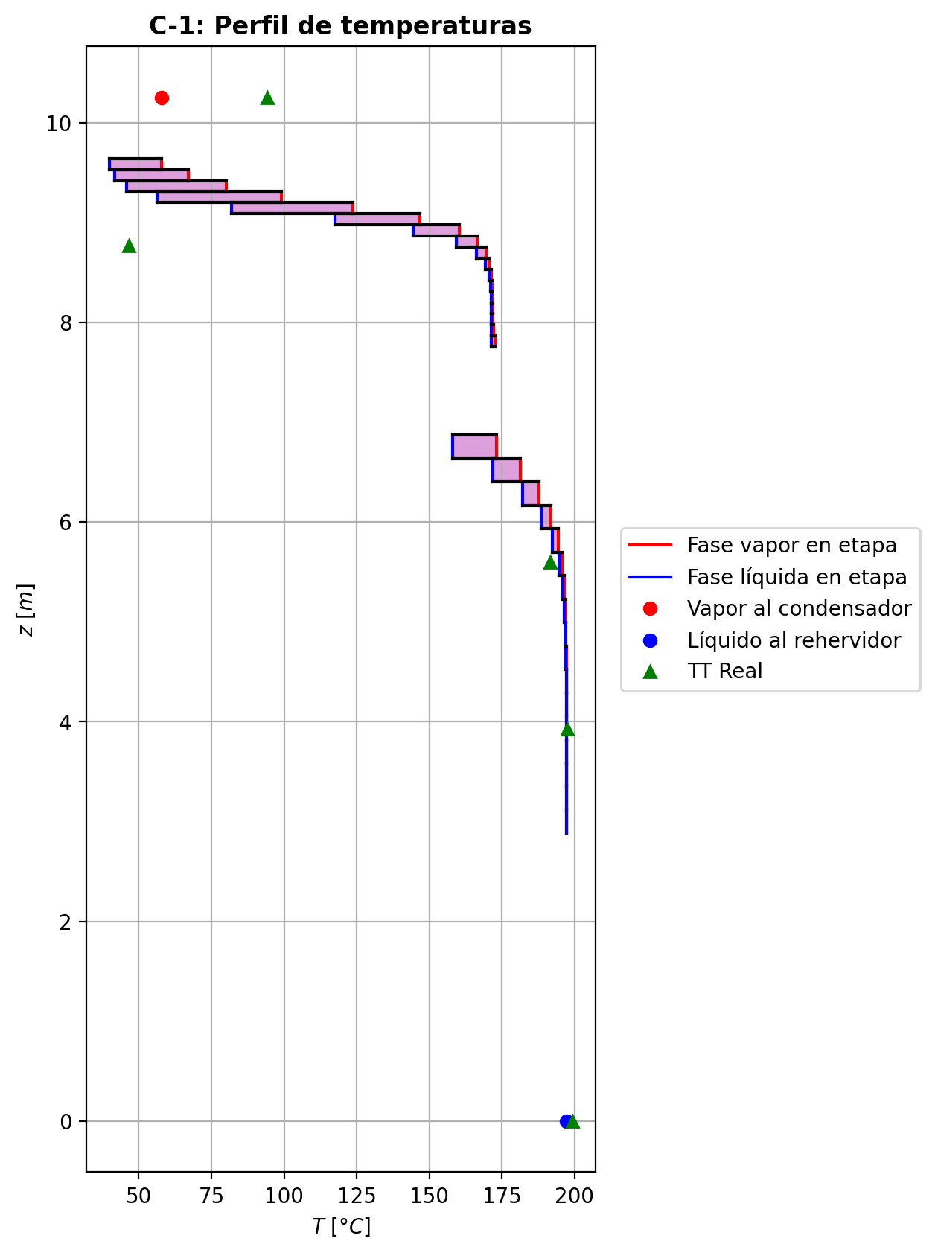
Agotamiento | 23 | 5.9317764706 | 5.6970705882 | - | - | 29.4930574 | 67.5621925 | 29.4930574 | 67.5621925 | 15.4140165 | - | - | 0.0744807832 | 0.0744807832 | 0.103646038 | 0.0169006071 | 0.0184260002 | 0.0184260002 | 5.2166569611 | 0.8240526676 | -0.952183186 | 1.18917739 | 0.236994204 | -0.96983469993 | 0.99644916754 | 0.017651513928 | -0.95655004125 | 1.0331438154 | 0.0043668552503 | - | - | 194.341586 | 194.341586 | 192.564253 | 192.446583 | 192.446583 | 67.30825824 | 11689.300872 | -243256.149 | 1843.96615 | -245100.115 | 21201.7111 | -264457.86 | - | - | -222808.358 | -269112.744 | - | - | 14.6961086 |  |  |  |  |  |  |  |  | 0.415019685 | 47.7853034 | 0.41501969296 | 47.785303813 | 0.012853432008 | 8.372310804E-05 | 0.012853431659 | 8.3723104598E-05 | 49.550435205 | 81.235626577 | 0.13136362693 | 2.2702581966 | 0.058410634579 | 0.48364116998 | 500869.15787 | 446.82404122 | 8.889858001 | 0.610287951 | 6.7170746 | 0.61028794677 | 6.7170750322 | 633.83915502 | 175.89995851 | 633.83967523 | 175.90009491 | 0.001509938256 | 0.0015099406285 | 5.5862217668E-05 | 5.5881389594E-05 | 5.2166610921 | 0.82405328974 | 67.308313324 | 11689.310052 | 412.93047553 | 411.01809107 | -226349.42153 | -269143.49856 | 1.0342063238 | -39239.971651 | -237580.94998 | -63175.417765 | -272978.57716 | -245162.25279 | -264465.38135 | 3.8678401996E-05 | -0.95035424209 | 0.24046042823 | -243788.3639 | 0.10363040681 | 0.016897909043 | 192.56501144
Agotamiento | 24 | 5.6970705882 | 5.4623647059 | - | - | 29.7300516 | 67.6957043 | 29.7300516 | 67.6957043 | 15.4590833 | - | - | 0.0418594237 | 0.0418594237 | 0.0583061694 | 0.00938897831 | 0.0102702442 | 0.0102702442 | 5.2837039292 | 0.82762561924 | -0.549649559 | 0.683161376 | 0.133511817 | -0.55523828672 | 0.99802651972 | 0.0055887277168 | -0.55102075796 | 1.0192779509 | 0.0013711989642 | - | - | 195.695566 | 195.695566 | 194.694202 | 194.628963 | 194.628963 | 68.06105856 | 11862.219744 | -139780.313 | 1053.59632 | -140833.909 | 11963.4416 | -151743.754 | - | - | -229214.397 | -270646.823 | - | - | 14.6963018 |  |  |  |  |  |  |  |  | 0.414128515 | 47.9458151 | 0.41412852324 | 47.945815532 | 0.012930565392 | 8.44969032E-05 | 0.012930565063 | 8.4496899377E-05 | 50.748991181 | 81.017776253 | 0.13039969782 | 2.3263408109 | 0.058509782517 | 0.48579375152 | 498911.61086 | 451.38379143 | 8.8776054915 | 0.607896506 | 6.65983188 | 0.60789650237 | 6.6598323284 | 638.99171687 | 175.54489795 | 638.99224192 | 175.54503366 | 0.0015174417259 | 0.0015174441034 | 5.5708338849E-05 | 5.5727457908E-05 | 5.2837080946 | 0.82762623961 | 68.06111448 | 11862.229046 | 414.13778286 | 412.23682133 | -232763.12692 | -270677.47537 | 1.0199714892 | -38944.421959 | -237526.94731 | -62987.731267 | -272801.66379 | -140863.45181 | -151746.3813 | 3.9311796848E-05 | -0.54798452066 | 0.13459036817 | -139740.47107 | 0.058301294769 | 0.0093881720718 | 194.69443341
Agotamiento | 25 | 5.4623647059 | 5.2276588235 | - | - | 29.8635634 | 67.7695703 | 29.8635634 | 67.7695703 | 15.4852541 | - | - | 0.0232669242 | 0.0232669242 | 0.03241719 | 0.00518917805 | 0.00568666425 | 0.00568666425 | 5.3214736529 | 0.82931342443 | -0.309868624 | 0.383734558 | 0.073865934 | -0.31158725709 | 0.99891657903 | 0.0017186330873 | -0.31028867477 | 1.0109383425 | 0.00042005076617 | - | - | 196.436105 | 196.436105 | 195.87502 | 195.839212 | 195.839212 | 68.57950428 | 11962.349856 | -78525.6164 | 595.855756 | -79121.4721 | 6633.16406 | -85158.7804 | - | - | -232870.273 | -271510.544 | - | - | 14.6964952 |  |  |  |  |  |  |  |  | 0.413681886 | 48.0422331 | 0.4136818948 | 48.04223351 | 0.01297277262 | 8.491177764E-05 | 0.012972772254 | 8.4911773876E-05 | 51.65341677 | 80.894132594 | 0.12983556348 | 2.3596333926 | 0.058559723593 | 0.48711887001 | 497803.98927 | 453.90038856 | 8.8694559883 | 0.606472865 | 6.63037086 | 0.60647286014 | 6.6303712816 | 641.9671533 | 175.30231763 | 641.96767949 | 175.3024536 | 0.0015214611815 | 0.0015214635722 | 5.5606106925E-05 | 5.5625190997E-05 | 5.3214778653 | 0.82931405168 | 68.579560634 | 11962.359262 | 414.83887987 | 412.94447603 | -236422.88098 | -271541.13574 | 1.011357613 | -38732.433777 | -237494.86358 | -62885.267124 | -272703.71201 | -79133.020545 | -85159.667198 | 3.9663024531E-05 | -0.30872622511 | 0.074125960115 | -78374.651514 | 0.032415720674 | 0.0051889398402 | 195.87509292
Agotamiento | 26 | 5.2276588235 | 4.9929529412 | - | - | 29.9374293 | 67.8102555 | 29.9374293 | 67.8102555 | 15.5000236 | - | - | 0.0128589746 | 0.0128589746 | 0.0179192453 | 0.00286014787 | 0.00313757956 | 0.00313757956 | 5.3423440105 | 0.8301481682 | -0.172622721 | 0.213307942 | 0.040685221 | -0.17314589122 | 0.99940582676 | 0.00052317022343 | -0.17275037412 | 1.0061185616 | 0.0001276531178 | - | - | 196.838736 | 196.838736 | 196.526147 | 196.506517 | 196.506517 | 68.90764572 | 12019.032576 | -43655.2804 | 333.866637 | -43989.1471 | 3657.00117 | -47312.2816 | - | - | -234918.693 | -271991.428 | - | - | 14.6966887 |  |  |  |  |  |  |  |  | 0.413458908 | 48.0978645 | 0.41345891658 | 48.097864963 | 0.01299567132 | 8.513589096E-05 | 0.012995670941 | 8.513588715E-05 | 52.255877721 | 80.824934174 | 0.12951447719 | 2.3787453638 | 0.058585310715 | 0.48789293018 | 497187.91175 | 455.26848025 | 8.8645158907 | 0.605650413 | 6.61484242 | 0.60565040881 | 6.6148428677 | 643.64037918 | 175.15367818 | 643.64090458 | 175.15381396 | 0.0015236243507 | 0.0015236267378 | 5.5544181517E-05 | 5.5563244166E-05 | 5.3423482311 | 0.83014879395 | 68.9077025 | 12019.042015 | 415.23454421 | 413.34383062 | -238473.26393 | -272021.98401 | 1.0063613975 | -38594.986021 | -237476.10062 | -62829.371096 | -272649.75636 | -43993.166794 | -47312.581419 | 3.9854805041E-05 | -0.17192137733 | 0.040717013428 | -43528.913795 | 0.017918804858 | 0.0028600771377 | 196.52617318
Agotamiento | 27 | 4.9929529412 | 4.7582470588 | - | - | 29.9781146 | 67.8326615 | 29.9781146 | 67.8326615 | 15.5082518 | - | - | 0.00708323138 | 0.00708323138 | 0.00987388395 | 0.00157371365 | 0.0017274351 | 0.0017274351 | 5.3538029633 | 0.83057874116 | -0.0955835512 | 0.117989555 | 0.0224060038 | -0.095742258109 | 0.99967356634 | 0.00015870690922 | -0.095622256117 | 1.0033944021 | 3.8704917415E-05 | - | - | 197.058069 | 197.058069 | 196.884709 | 196.873935 | 196.873935 | 69.10391916 | 12050.720784 | -24150.256 | 185.786994 | -24336.043 | 2013.42836 | -26163.6843 | - | - | -236056.108 | -272257.612 | - | - | 14.6968823 |  |  |  |  |  |  |  |  | 0.413346685 | 48.1292601 | 0.41334669368 | 48.129260527 | 0.013008075696 | 8.52578676E-05 | 0.013008075338 | 8.5257863726E-05 | 52.626369034 | 80.786523172 | 0.12933455393 | 2.389509336 | 0.05859871834 | 0.48833236388 | 496847.02702 | 456.01096775 | 8.8616605314 | 0.605184465 | 6.60650603 | 0.60518446071 | 6.6065064701 | 644.57119341 | 175.0673812 | 644.57172442 | 175.06751687 | 0.0015247997537 | 0.0015248021421 | 5.5508404277E-05 | 5.5527454851E-05 | 5.3538072177 | 0.83057936904 | 69.103976317 | 12050.73025 | 415.45497181 | 413.5663121 | -239611.69097 | -272288.14915 | 1.0035317765 | -38511.682083 | -237465.34339 | -62798.788616 | -272620.06552 | -24337.346858 | -26163.788988 | 3.9959319554E-05 | -0.095174991766 | 0.022394769777 | -24068.465267 | 0.0098737517342 | 0.0015736925102 | 196.88472074
Agotamiento | 28 | 4.7582470588 | 4.5235411765 | - | - | 30.0005206 | 67.8450191 | 30.0005206 | 67.8450191 | 15.5128076 | - | - | 0.00389187815 | 0.00389187815 | 0.00542880384 | 0.000864599126 | 0.000949482172 | 0.000949482172 | 5.3600775056 | 0.83080831294 | -0.0527588841 | 0.0651165392 | 0.0123576551 | -0.052806978588 | 0.9998201968 | 4.8094487869E-05 | -0.052770617473 | 1.0018735583 | 1.1733373205E-05 | - | - | 197.178065 | 197.178065 | 197.082194 | 197.076272 | 197.076272 | 69.21729756 | 12068.318304 | -13329.9027 | 102.942087 | -13432.8448 | 1108.76108 | -14438.6638 | - | - | -236684.803 | -272404.498 | - | - | 14.697076 |  |  |  |  |  |  |  |  | 0.413290163 | 48.1467599 | 0.41329017268 | 48.146760314 | 0.013014786852 | 8.53246512E-05 | 0.013014786434 | 8.5324647704E-05 | 52.843528523 | 80.765307616 | 0.12923465334 | 2.3955070233 | 0.058605892566 | 0.48857779779 | 496658.47816 | 456.41420584 | 8.8600534152 | 0.604923624 | 6.60197159 | 0.60492361851 | 6.6019719929 | 645.08654308 | 175.01875688 | 645.08707401 | 175.01889295 | 0.0015254446881 | 0.0015254470831 | 5.5488272658E-05 | 5.5507316192E-05 | 5.36008173 | 0.83080894089 | 69.217354837 | 12068.327815 | 415.57701843 | 413.68949659 | -240240.91927 | -272435.02373 | 1.0019502452 | -38463.240954 | -237459.27205 | -62781.999795 | -272603.72013 | -13433.248325 | -14438.702577 | 4.0016339693E-05 | -0.052527159117 | 0.012350270217 | -13282.916643 | 0.0054287640295 | 0.00086459277658 | 197.0822021
Agotamiento | 29 | 4.5235411765 | 4.2888352941 | - | - | 30.0128782 | 67.8518543 | 30.0128782 | 67.8518543 | 15.5153225 | - | - | 0.00213240083 | 0.00213240083 | 0.00297827244 | 0.000474135162 | 0.00052091978 | 0.00052091978 | 5.363503342 | 0.83093404201 | -0.0290722631 | 0.0359074595 | 0.0068351964 | -0.029086838478 | 0.99990061871 | 1.4575378477E-05 | -0.029075823689 | 1.0010302023 | 3.5605890049E-06 | - | - | 197.244025 | 197.244025 | 197.191078 | 197.187816 | 197.187816 | 69.2814996 | 12078.060336 | -7351.98905 | 56.914365 | -7408.90341 | 611.233001 | -7963.22205 | - | - | -237031.489 | -272485.41 | - | - | 14.6972696 |  |  |  |  |  |  |  |  | 0.413262378 | 48.1564428 | 0.41326238481 | 48.156443198 | 0.013018399272 | 8.536140144E-05 | 0.013018398952 | 8.5361397822E-05 | 52.967347005 | 80.753629767 | 0.12917951027 | 2.3988289073 | 0.0586097998 | 0.48871345819 | 496553.92275 | 456.63291077 | 8.8591643585 | 0.60477857 | 6.59947974 | 0.60477856573 | 6.5994801586 | 645.37131915 | 174.99190154 | 645.371846 | 174.99203716 | 0.0015258022343 | 0.0015258046271 | 5.547713722E-05 | 5.5496177055E-05 | 5.3635076119 | 0.83093467117 | 69.281556957 | 12078.069822 | 415.6443908 | 413.75749406 | -240587.89083 | -272515.93033 | 1.0010727107 | -38435.743391 | -237455.88004 | -62772.751677 | -272594.7109 | -7409.0233514 | -7963.2375891 | 4.0047462025E-05 | -0.028942674823 | 0.0068402950567 | -7327.79422 | 0.0029782604569 | 0.00047413325203 | 197.19108409
Agotamiento | 30 | 4.2888352941 | 4.0541294118 | - | - | 30.0197134 | 67.8556541 | 30.0197134 | 67.8556541 | 15.5167086 | - | - | 0.00116347624 | 0.00116347624 | 0.00162885008 | 0.000259254639 | 0.000285014783 | 0.000285014783 | 5.365364254 | 0.83100474658 | -0.0160055085 | 0.0198052382 | 0.0037997297 | -0.016009929395 | 0.9999447806 | 4.4208952244E-06 | -0.016006591479 | 1.0005642851 | 1.0829791359E-06 | - | - | 197.280474 | 197.280474 | 197.251236 | 197.249435 | 197.249435 | 69.31748772 | 12083.449716 | -4056.41346 | 31.4484773 | -4087.86194 | 337.656459 | -4394.06992 | - | - | -237222.425 | -272529.932 | - | - | 14.6974633 |  |  |  |  |  |  |  |  | 0.413249766 | 48.1617733 | 0.41324977297 | 48.161773654 | 0.0130203189 | 8.538173568E-05 | 0.013020318575 | 8.5381732305E-05 | 53.036875098 | 80.747222006 | 0.1291492123 | 2.4006624633 | 0.058611962605 | 0.4887878019 | 496495.60649 | 456.75084438 | 8.8586799135 | 0.604698146 | 6.59809627 | 0.60469814103 | 6.5980966732 | 645.52866698 | 174.97733966 | 645.52919501 | 174.97747581 | 0.0015260031279 | 0.0015260055265 | 5.547107001E-05 | 5.5490107834E-05 | 5.3653685094 | 0.83100537611 | 69.317545141 | 12083.459223 | 415.68152343 | 413.79497256 | -240778.98186 | -272560.44894 | 1.0005877464 | -38420.34322 | -237453.99589 | -62767.635686 | -272589.73447 | -4087.8958201 | -4394.0766956 | 4.006442095E-05 | -0.015933588309 | 0.0038137590867 | -4045.6135782 | 0.0016288464672 | 0.00025925406349 | 197.25124163
Agotamiento | 31 | 4.0541294118 | 3.8194235294 | - | - | 30.0235131 | 67.8577852 | 30.0235131 | 67.8577852 | 15.5174722 | - | - | 0.000630229871 | 0.000630229871 | 0.00088621667 | 0.000141037963 | 0.000155214008 | 0.000155214008 | 5.3663651463 | 0.831045823 | -0.00880738572 | 0.010938542 | 0.00213115628 | -0.0088087288383 | 0.99996903603 | 1.3431183474E-06 | -0.0088077165053 | 1.0003074258 | 3.3078530789E-07 | - | - | 197.300759 | 197.300759 | 197.284598 | 197.2836 | 197.2836 | 69.3375912 | 12086.43552 | -2241.68488 | 17.3881274 | -2259.073 | 187.222323 | -2428.9072 | - | - | -237327.51 | -272554.408 | - | - | 14.6976571 |  |  |  |  |  |  |  |  | 0.4132453 | 48.1646939 | 0.41324530966 | 48.164694296 | 0.013021311168 | 8.539307352E-05 | 0.013021310764 | 8.5393069783E-05 | 53.075611296 | 80.743719957 | 0.1291326478 | 2.4016724045 | 0.058613182283 | 0.488828139 | 496462.73424 | 456.81359075 | 8.8584209372 | 0.604653558 | 6.59731777 | 0.60465355262 | 6.5973182025 | 645.61575859 | 174.96963803 | 645.61628609 | 174.96977339 | 0.0015261183204 | 0.0015261207093 | 5.5467826884E-05 | 5.5486863465E-05 | 5.3663693814 | 0.8310464505 | 69.337648734 | 12086.445019 | 415.70197973 | 413.81561693 | -240884.15256 | -272584.92343 | 1.0003203239 | -38411.779057 | -237452.95205 | -62764.78718 | -272586.97536 | -2259.0817347 | -2428.9103883 | 4.0073616619E-05 | -0.0087676330882 | 0.0021554864913 | -2239.6442362 | 0.00088621559456 | 0.00014103779176 | 197.28460459
Agotamiento | 32 | 3.8194235294 | 3.5847176471 | - | - | 30.0256443 | 67.8589994 | 30.0256443 | 67.8589994 | 15.5178928 | - | - | 0.000336856355 | 0.000336856355 | 0.000477651981 | 7.60119074E-05 | 8.38107752E-05 | 8.38107752E-05 | 5.36689333 | 0.83107081057 | -0.00484516346 | 0.00605931615 | 0.00121415269 | -0.004845572455 | 0.99998235802 | 4.0899504957E-07 | -0.0048452652191 | 1.0001659718 | 1.0175907816E-07 | - | - | 197.31217 | 197.31217 | 197.303226 | 197.302669 | 197.302669 | 69.34884696 | 12088.096596 | -1243.08349 | 9.62539752 | -1252.70889 | 104.498649 | -1347.58214 | - | - | -237385.324 | -272567.85 | - | - | 14.6978508 |  |  |  |  |  |  |  |  | 0.413245259 | 48.1662843 | 0.41324526803 | 48.166284665 | 0.013021794252 | 8.539947324E-05 | 0.013021793891 | 8.5399469638E-05 | 53.097126335 | 80.741818274 | 0.12912365535 | 2.4022278457 | 0.05861388757 | 0.48884968424 | 496443.85506 | 456.84606339 | 8.8582869484 | 0.604628764 | 6.59687057 | 0.60462875942 | 6.5968709821 | 645.66417119 | 174.96573949 | 645.66469964 | 174.96587542 | 0.0015261865302 | 0.0015261889261 | 5.5466148931E-05 | 5.5485184935E-05 | 5.3668975608 | 0.83107143875 | 69.348904456 | 12088.106118 | 415.7132473 | 413.826989 | -240942.0138 | -272598.36481 | 1.0001730385 | -38407.030901 | -237452.37405 | -62763.184786 | -272585.43536 | -1252.7106622 | -1347.5834412 | 4.0078551604E-05 | -0.0048232422637 | 0.0012403880087 | -1245.0020437 | 0.000477651655 | 7.6011855588E-05 | 197.30323202
Agotamiento | 33 | 3.5847176471 | 3.3500117647 | - | - | 30.0268585 | 67.8597101 | 30.0268585 | 67.8597101 | 15.5181247 | - | - | 0.000175481749 | 0.000175481749 | 0.000252916702 | 4.02470594E-05 | 4.45368571E-05 | 4.45368571E-05 | 5.3671615241 | 0.83108701448 | -0.00266505713 | 0.00337573205 | 0.00071067492 | -0.0026651818405 | 0.99998967315 | 1.2471047793E-07 | -0.0026650887812 | 1.0000881018 | 3.1651227357E-08 | - | - | 197.318698 | 197.318698 | 197.31375 | 197.313435 | 197.313435 | 69.35520528 | 12089.028384 | -693.899689 | 5.32483825 | -699.224527 | 59.0077088 | -752.907398 | - | - | -237417.124 | -272575.221 | - | - | 14.6980445 |  |  |  |  |  |  |  |  | 0.413247646 | 48.1671416 | 0.41324765329 | 48.167142052 | 0.013021997148 | 8.540316E-05 | 0.013021996843 | 8.5403156152E-05 | 53.109087426 | 80.740797266 | 0.12911883039 | 2.4025328691 | 0.058614310233 | 0.48886087183 | 496432.67628 | 456.86190067 | 8.8582220414 | 0.604614877 | 6.59660514 | 0.60461487283 | 6.5966056031 | 645.6913176 | 174.963944 | 645.69184906 | 174.96407933 | 0.00152622898 | 0.0015262313708 | 5.5465336049E-05 | 5.548437183E-05 | 5.3671657919 | 0.8310876381 | 69.355262686 | 12089.03787 | 415.71945973 | 413.83325721 | -240973.84035 | -272605.7357 | 1.0000919737 | -38404.398316 | -237452.0538 | -62762.266742 | -272584.56586 | -699.2245928 | -752.90742882 | 4.0081145289E-05 | -0.0026529832338 | 0.00074236059523 | -699.05046656 | 0.00025291660598 | 4.024704419E-05 | 197.31375608
Agotamiento | 34 | 3.3500117647 | 3.1153058824 | - | - | 30.0275691 | 67.8601452 | 30.0275691 | 67.8601452 | 15.5182527 | - | - | 8.67239199E-05 | 8.67239199E-05 | 0.000129310442 | 2.05770808E-05 | 2.29364898E-05 | 2.29364898E-05 | 5.3672867084 | 0.831098424 | -0.00146578468 | 0.00190088618 | 0.0004351015 | -0.0014658224137 | 0.99999366926 | 3.7733707634E-08 | -0.0014657946597 | 1.000045267 | 9.9797011167E-09 | - | - | 197.322524 | 197.322524 | 197.319818 | 197.319637 | 197.319637 | 69.35886576 | 12089.559024 | -392.165854 | 2.91293685 | -395.078791 | 33.9904398 | -426.156294 | - | - | -237434.614 | -272579.252 | - | - | 14.6982382 |  |  |  |  |  |  |  |  | 0.413251386 | 48.1675954 | 0.41325139271 | 48.167595751 | 0.0130220451 | 8.5405356E-05 | 0.01302204476 | 8.5405352618E-05 | 53.115778514 | 80.740260983 | 0.12911629284 | 2.4027000292 | 0.058614575355 | 0.4888663502 | 496425.72667 | 456.86857838 | 8.8581954005 | 0.604606983 | 6.59643955 | 0.60460697848 | 6.5964399511 | 645.70681356 | 174.9633108 | 645.70734172 | 174.96344703 | 0.0015262573363 | 0.0015262597348 | 5.5465002291E-05 | 5.5484038095E-05 | 5.3672909609 | 0.83109905222 | 69.358923031 | 12089.568551 | 415.72288876 | 413.83671793 | -240991.34477 | -272609.7671 | 1.0000473725 | -38402.933774 | -237451.87661 | -62761.725376 | -272584.0649 | -395.07855867 | -426.15610632 | 4.0082450702E-05 | -0.0014591397979 | 0.00046313431711 | -397.5192174 | 0.00012931040903 | 2.0577075645E-05 | 197.31982379
Agotamiento | 35 | 3.1153058824 | 2.8806 | 30.0282899 | - | 30.0280042 | 67.8604309 | 30.0280042 | 67.8604309 | 15.5183237 | 1.10620654E-05 | - | 3.79087404E-05 | 3.79087404E-05 | 6.13294735E-05 | 9.75925637E-06 | 1.10568796E-05 | 1.10568796E-05 | 5.3673330894 | 0.83110722649 | -0.000806148912 | 0.00109186704 | 0.000285718128 | -0.00080615974321 | 0.9999958526 | 1.0831214342E-08 | -0.00080615207115 | 1.0000217432 | 3.1591509408E-09 | 197.326272 | - | 197.324838 | 197.324838 | 197.323435 | 197.323327 | 197.323327 | 69.36104916 | 12089.86938 | -226.797998 | 1.50990018 | -228.307899 | 20.2323659 | -247.030364 | -237449.52743 | - | -237444.234 | -272581.446 | 14.6986257 | - | 14.698432 |  |  |  |  |  |  |  |  | 0.413255906 | 48.167827 | 0.41325591458 | 48.167827443 | 0.013022006184 | 8.540673228E-05 | 0.013022005834 | 8.5406728655E-05 | 53.119579607 | 80.73999114 | 0.12911500461 | 2.4027913338 | 0.058614750281 | 0.4888686914 | 496421.10893 | 456.87019926 | 8.8581900858 | 0.604602366 | 6.59632882 | 0.60460236123 | 6.5963292498 | 645.7159658 | 174.96332377 | 645.71649394 | 174.96345935 | 0.0015262780408 | 0.0015262804333 | 5.5464935845E-05 | 5.5483971516E-05 | 5.3673373291 | 0.83110785202 | 69.361106547 | 12089.87889 | 415.7247908 | 413.83863481 | -241000.97235 | -272611.96185 | 1.0000228382 | -38402.11197 | -237451.77962 | -62761.391011 | -272583.76679 | -228.30795097 | -247.03020352 | 4.0083046515E-05 | -0.00080249304603 | 0.00031781266211 | -233.7043863 | 6.1329461515E-05 | 9.7592544594E-06 | 197.32344109

Exportar_resultados_ACM


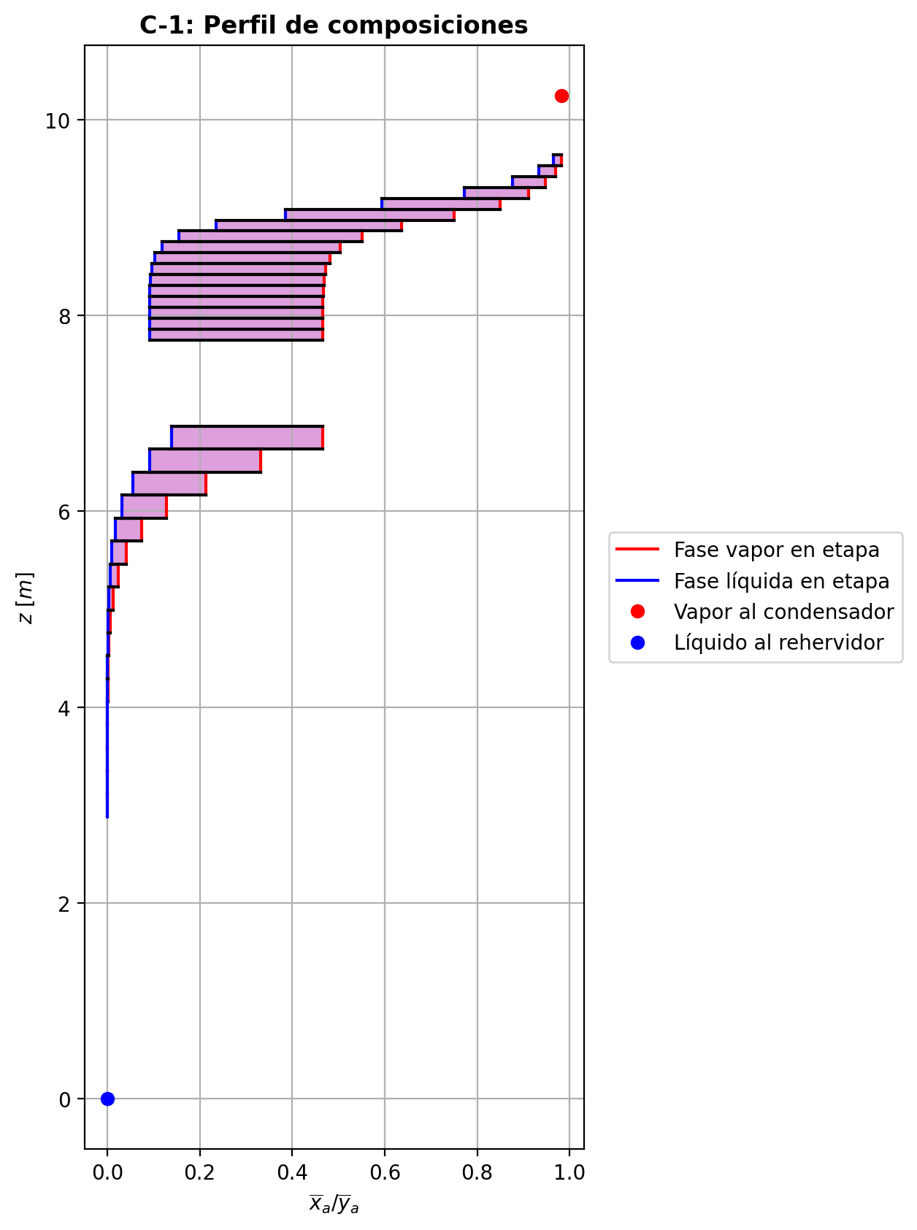


$${\left[N_{t}=N_{a}+N_{w} \right]}_{2}$$
$${\left[N_{t}=N_{a}+N_{w} \right]}_{ps1+ps2−3}$$
$$F_{fría}^{l}+F_{caliente}^{l}=P_{fría}^{l}+P_{caliente}^{l}$$
$${\left[J_{a}^{g}=Γ^{g,b}ρ^{g,b}k_{bm}^{g}a_{ef}A_{tr}Z\left(y_{a}^{b}−y_{a}^{I}\right)\right]}_{2}$$
$${\left(N_{t}\right)}_{2}=V_{3}−V_{2}=L_{2}−{\left(L_{1}−P^{l}\right)}_{E−3}$$
$${\left[J_{a}^{g}=Γ^{g,b}ρ^{g,b}k_{bm}^{g}a_{ef}A_{tr}Z\left(y_{a}^{b}−y_{a}^{I}\right)\right]}_{s}$$
$${\left[N_{t}=N_{a}+N_{w} \right]}_{s}$$
$${\left[J_{a}^{g}=Γ^{g,b}ρ^{g,b}k_{bm}^{g}a_{ef}A_{tr}Z\left(y_{a}^{b}−y_{a}^{I}\right)\right]}_{ps1+ps2−3}$$
Caso | 33 |  |  | Economizador E-1 |  |  |  |  |  |  |  |  | Condensador E-3 (s=1) |  |  |  |  |  |  |  |  | s=2 |  |  |  |  |  |  |  |  |  |  |  |  |  |  | s={3,…,ps1+ps2-4} |  |  |  |  |  |  |  |  |  |  |  |  |  |  |  | s=ps1+ps2-3 |  |  |  |  |  |  |  |  |  |  |  |  |  |  | Rehervidor E-2 (s=ps1+ps2-2)
ps1 | 19 |  | Representación y balances |  |  |  |  |  |  |  |  |  |  |  |  |  |  |  |  |  |  | Atr [m2] | 0.159043 |  |  |  |  |  |  |  |  |  |  |  |  |  | s |  | Atr [m2] | 0.159043 |  |  |  |  |  |  |  |  |  |  |  |  | Atr [m2] | 0.159043
ps2 | 19 |  |  | Pl [kmol/h]= | 37.824667653 | Fl [kmol/h]= | 48.062545973 | Balance de Masa Total [kmol/h] |  |  |  |  | V2 [kmol/h]= | 36.827508352 | Pl Fría [kmol/h]= | 6115.8516679 | Balance de Masa Total [kmol/h] |  |  |  |  |  | V2 [kmol/h]= | 36.827508352 |  |  | L1-Pl en E-3 [kmol/h]= | 26.589630031 |  | Balance de Masa Total [kmol/h] |  |  |  |  |  |  |  |  | Vs [kmol/h]= | #VALUE! |  |  | Ls-1 [kmol/h]= | #VALUE! |  | Balance de Masa Total [kmol/h] |  |  |  |  |  |  |  |  | Vps1+ps2-3 [kmol/h]= | 29.600853422 |  |  | Lps1+ps2-4 [kmol/h]= | 67.425521075 |  | Balance de Masa Total [kmol/h] |  |  |  |  |  | Lps1+ps2-3 [kmol/h]= | 67.424216019 |  |  |  |  | Balance de Masa Total [kmol/h]
$$V_{2}=L_{1}$$
$${\left[J_{a}^{l}=Γ^{l,b}ρ^{l,b}k_{bm}^{l}a_{ef}A_{tr}Z\left(x_{a}^{I}−x_{a}^{b}\right)\right]}_{2}$$
$${\left[J_{a}^{l}=Γ^{l,b}ρ^{l,b}k_{bm}^{l}a_{ef}A_{tr}Z\left(x_{a}^{I}−x_{a}^{b}\right)\right]}_{s}$$
$${\left(N_{t}\right)}_{s}=V_{s+1}−V_{s}=L_{s}−L_{s−1}−F_{s}^{l}$$
$${\left[J_{a}^{l}=Γ^{l,b}ρ^{l,b}k_{bm}^{l}a_{ef}A_{tr}Z\left(x_{a}^{I}−x_{a}^{b}\right)\right]}_{ps1+ps2−3}$$
$${\left(N_{t}\right)}_{ps1+ps2−3}=−V_{ps1+ps2−3}+F_{ps1+ps2−3}^{g}=L_{ps1+ps2−3}−L_{ps1+ps2−4}−F_{ps1+ps2−3}^{l}$$
$$L_{ps1+ps2−3}=P_{ps1+ps2−2}^{g}+P_{ps1+ps2−2}^{l}$$
flowmode1 | MIXED |  |  | T [°C]= | 60.97802721 | T [°C]= | 20 |  |  |  |  |  | T [°C]= | 58.197068292 | T [°C]= | 31.643110547 |  |  |  |  |  |  | T [°C]= | 58.197068292 |  |  | T [°C]= | 38.764109555 |  |  |  |  |  |  |  |  |  |  | T [°C]= | #VALUE! |  |  | T [°C]= | #VALUE! |  |  |  |  |  |  |  |  |  |  | T [°C]= | 197.36280724 |  |  | T [°C]= | 197.30714365 |  |  |  |  |  |  |  | T [°C]= | 197.31050758 |  |  | Pg [kmol/h]= | 29.599548366
$$F_{fría}^{l}=P_{fría}^{l}$$
$${\left[Q^{g}=k_{h}^{g}a_{ef}A_{tr}Z\left(T^{g,b}−T^{I}\right)\right]}_{2}$$
$${\left[Q^{g}=k_{h}^{g}a_{ef}A_{tr}Z\left(T^{g,b}−T^{I}\right)\right]}_{s}$$
$${\left[Q^{g}=k_{h}^{g}a_{ef}A_{tr}Z\left(T^{g,b}−T^{I}\right)\right]}_{ps1+ps2−3}$$
$${f_{v}\left(L−P^{l}\right)}_{ps1+ps2−2}=P_{ps1+ps2−2}^{g}$$
flowmode2 | MIXED |  |  | P [bar]= | 14.817082088 | P [bar]= | 18.6326 |  | 85.887213626 | = | 85.887213626 |  | P [bar]= | 14.6937395 | P [bar]= | 3.43233 |  |  |  |  |  |  | P [bar]= | 14.6937395 |  |  | P [bar]= | 14.6937395 |  |  | -1.3939108197 | = | -1.3939108197 | = | -1.3939108197 |  |  |  | P [bar]= | #VALUE! |  |  | P [bar]= | #VALUE! |  |  | #VALUE! | = |  | = | #VALUE! |  |  |  | P [bar]= | 14.6944927 |  |  | P [bar]= | 14.694453596 |  |  | -0.0013050563366 | = | -0.0013050563366 | = | -0.0013050563366 | P [bar]= | 14.6944927 |  |  | T [°C]= | 197.7056203
$${\left[Q^{l}=k_{h}^{l}a_{ef}A_{tr}Z\left(T^{I}−T^{l,b}\right)\right]}_{2}$$
$${\left[Q^{l}=k_{h}^{l}a_{ef}A_{tr}Z\left(T^{I}−T^{l,b}\right)\right]}_{s}$$
$${\left[Q^{l}=k_{h}^{l}a_{ef}A_{tr}Z\left(T^{I}−T^{l,b}\right)\right]}_{ps1+ps2−3}$$
simtype | 0 |  |  | xa molar= | 1.1776417155E-05 | xa molar= | 0.209146 |  |  |  |  |  | ya molar= | 0.98180926622 | xa molar= | 0 |  | 36.827508352 | = | 36.827508352 |  | z top [m]= | ya molar= | 0.98180926622 |  |  | xa molar= | 0.98180926622 |  |  |  |  |  |  |  |  |  | z top [m]= | ya molar= | #VALUE! |  |  | xa molar= | #VALUE! |  |  |  |  |  |  |  |  |  | z top [m]= | ya molar= | 4.0319377503E-05 |  |  | xa molar= | 2.4307221101E-05 |  |  |  |  |  |  |  | xa molar= | 1.1776417155E-05 |  |  | P [bar]= | 14.817082088 |  | 67.424216019 | = | 67.424216019
$${\left(N_{a}\right)}_{ps1+ps2−3}=−{\left(Vy_{a}\right)}_{ps1+ps2−3}+{\left(F^{g}y_{a}\right)}_{ps1+ps2−3}={\left(Lx_{a}\right)}_{ps1+ps2−3}−{\left(Lx_{a}\right)}_{ps1+ps2−4}−{\left(F^{l}x_{a}\right)}_{ps1+ps2−3}$$
pborde1 | - |  |  | h [kJ/kmol]= | -283097.31816 | h [kJ/kmol]= | -243616.70254 | Balance de Masa Amoníaco [kmol/h] |  |  |  |  | h [kJ/kmol]= | -49518.394652 | h [kJ/kmol]= | -285326.16673 |  | 6115.8516679 | = | 6115.8516679 |  | 9.6416 | h [kJ/kmol]= | -49518.394652 |  |  | h [kJ/kmol]= | -70061.537538 |  | Balance de Masa Amoníaco [kmol/h] |  |  |  |  |  |  |  | #VALUE! | h [kJ/kmol]= | #VALUE! |  |  | h [kJ/kmol]= | #VALUE! |  | Balance de Masa Amoníaco [kmol/h] |  |  |  |  |  |  |  | 3.1153058824 | h [kJ/kmol]= | -237441.21122 |  |  | h [kJ/kmol]= | -272579.97638 |  | Balance de Masa Amoníaco [kmol/h] |  |  |  |  |  | h [kJ/kmol]= | -272582.33395 |  |  | ya molar= | 1.1776417155E-05 |  | 29.599548366 | = | 29.599548366
$${\left(F^{l}x_{a,F}\right)}_{fría}+{\left(F^{l}x_{a,F}\right)}_{caliente}={\left(P^{l}x_{a,P}\right)}_{fría}+{\left(P^{l}x_{a,P}\right)}_{caliente}$$
$${\left(N_{a}\right)}_{2}={\left(Vy_{a}\right)}_{3}−{\left(Vy_{a}\right)}_{2}={\left(Lx_{a}\right)}_{2}−{\left[\left(L_{1}−P^{l}\right)x_{a}\right]}_{E−3}$$
$${\left(N_{a}\right)}_{s}={\left(Vy_{a}\right)}_{s+1}−{\left(Vy_{a}\right)}_{s}={\left(Lx_{a}\right)}_{s}−{\left(Lx_{a}\right)}_{s−1}−{\left(F^{l}x_{a}\right)}_{s}$$
nborde1 | - |  |  |  |  |  |  |  |  |  |  |  |  |  |  |  |  |  |  |  |  |  |  |  | TI [°C]= | 39.984332395 |  |  |  |  |  |  |  |  |  |  | NO APLICA |  |  |  | TI [°C]= | #VALUE! |  |  |  |  |  |  |  |  |  |  | NO APLICA |  |  |  | TI [°C]= | 197.3106064 |  |  |  |  |  |  |  |  |  |  |  |  |  | h [kJ/kmol]= | -237445.03221
$${\left(N_{a}\right)}_{2}={\left(J_{a}^{g}\right)}_{2}+{\left(N_{t}y_{a}^{b}\right)}_{2}={\left(J_{a}^{l}\right)}_{2}+{\left(N_{t}x_{a}^{b}\right)}_{2}$$
$${\left(N_{a}\right)}_{s}={\left(J_{a}^{g}\right)}_{s}+{\left(N_{t}y_{a}^{b}\right)}_{s}={\left(J_{a}^{l}\right)}_{s}+{\left(N_{t}x_{a}^{b}\right)}_{s}$$
$${\left(N_{a}\right)}_{ps1+ps2−3}={\left(J_{a}^{g}\right)}_{ps1+ps2−3}+{\left(N_{t}y_{a}^{b}\right)}_{ps1+ps2−3}={\left(J_{a}^{l}\right)}_{ps1+ps2−3}+{\left(N_{t}x_{a}^{b}\right)}_{ps1+ps2−3}$$
pborde2 | - |  |  |  |  |  |  |  | 10.052534679 | = | 10.052534679 |  |  |  |  |  | Balance de Masa Amoníaco [kmol/h] |  |  |  |  |  | V2b [kmol/h]= | 36.827508352 | yaI molar= | 0.99990866497 | L2b [kmol/h]= | 25.195719212 |  |  |  |  |  |  |  |  | Fl Alimentación [kmol/h]= | #VALUE! | Vsb [kmol/h]= | #VALUE! | yaI molar= | #VALUE! | Lsb [kmol/h]= | #VALUE! |  |  |  |  |  |  |  |  | Fl Alimentación [kmol/h]= | - | Vps1+ps2-3b [kmol/h]= | 29.600853422 | yaI molar= | 6.5360566234E-05 | Lps1+ps2-3b [kmol/h]= | 67.424216019 |  |  |  |  |  |  |  |  |  |  |  |  |  | Balance de Masa Amoníaco [kmol/h]
$${\left(Vy_{a}\right)}_{2}={\left(Lx_{a}\right)}_{1}$$
$${\left(Lx_{a}\right)}_{ps1+ps2−3}={\left(P^{g}y_{a}\right)}_{ps1+ps2−2}+{\left(P^{l}y_{a}\right)}_{ps1+ps2−2}$$
nborde2 | - |  |  | Q̇ [kJ/h]= |  |  |  |  |  |  |  |  | Q̇ [kJ/h]= |  |  |  |  |  |  |  |  |  | Tg,b [°C]= | 58.197068292 | xaI molar= | 0.95447649612 | Tl,b [°C]= | 39.912157869 |  |  | -1.8094366707 | = | -1.8094366707 | = | -1.8094366707 |  | T [°C]= | #VALUE! | Tg,b [°C]= | #VALUE! | xaI molar= | #VALUE! | Tl,b [°C]= | #VALUE! |  |  | #VALUE! | = |  | = | #VALUE! |  | T [°C]= | - | Tg,b [°C]= | 197.36280724 | xaI molar= | 1.0399774351E-05 | Tl,b [°C]= | 197.31050758 |  |  | -0.00084491135439 | = | -0.00084491135438 | = | -0.00084491135438
$$\dot{Q}={{\left(P^{l}h_{P}\right)}_{fría}−\left(F^{l}h_{F}\right)}_{fría}$$
$${\left(F^{l}x_{a,F}\right)}_{fría}={\left(P^{l}x_{a,P}\right)}_{fría}$$
$${\left[\left(L−P^{l}\right)x_{a}\right]}_{ps1+ps2−2}={\left(P^{g}y_{a}\right)}_{ps1+ps2−2}$$
Molar RR | 2.5971816816 |  |  | 397725.78335 |  |  |  | Balance de Energía [kJ/h] |  |  |  |  | 756552.76625 |  |  |  |  |  |  |  |  |  | P [bar]= | 14.6937395 | Na [kmol/h]= | -1.8094366707 | P [bar]= | 14.6937395 |  |  | -1.8094366707 | = | -1.8094366707 | = | -1.8094366707 |  | P [bar]= | #VALUE! | P [bar]= | #VALUE! | Na [kmol/h]= | #VALUE! | P [bar]= | #VALUE! |  |  | #VALUE! | = | #VALUE! | = | #VALUE! |  | P [bar]= | - | P [bar]= | 14.6944927 | Na [kmol/h]= | -0.00084491135439 | P [bar]= | 14.6944927 |  |  | -0.00084491135439 | = | -0.00084491135438 | = | -0.00084491135438
Molar fv Reboiler | 1 |  |  |  |  |  |  |  |  |  |  |  |  |  |  |  |  | 36.157588951 | = | 36.157588951 |  |  | yab molar= | 0.98180926622 | Nw [kmol/h]= | 0.41552585103 | xab molar= | 0.96431097185 |  |  |  |  |  |  |  |  | xa molar= | #VALUE! | yab molar= | #VALUE! | Nw [kmol/h]= | #VALUE! | xab molar= | #VALUE! |  |  |  |  |  |  |  |  | xa molar= | - | yab molar= | 4.0319377503E-05 | Nw [kmol/h]= | -0.0004601449822 | xab molar= | 1.1776417155E-05 |  |  |  |  |  |  |  |  |  |  |  |  |  |  | 0.00079401569422 | = | 0.00079401569422
$$\dot{Q}={\left(F^{l}h_{F}\right)}_{caliente}−{\left(P^{l}h_{P}\right)}_{caliente}$$
$$E_{ps1+ps2−3}=−{\left(Vh\right)}_{ps1+ps2−3}+{\left(F^{g}h\right)}_{ps1+ps2−3}={\left(Lh\right)}_{ps1+ps2−3}−{\left(Lh\right)}_{ps1+ps2−4}−{\left(F^{l}h\right)}_{ps1+ps2−3}$$
Mass xa Distillate | 0.98077763788 |  |  |  |  |  |  |  |  |  |  |  | L1 [kmol/h]= | 36.827508352 | Fl Fría [kmol/h]= | 6115.8516679 |  | 0 | = | 0 |  |  |  |  | Nt [kmol/h]= | -1.3939108197 |  |  |  | Balance de Energía [kJ/h] |  |  |  |  |  |  | h [kJ/kmol]= | #VALUE! |  |  | Nt [kmol/h]= | #VALUE! |  |  |  | Balance de Energía [kJ/h] |  |  |  |  |  |  | h [kJ/kmol]= | - |  |  | Nt [kmol/h]= | -0.0013050563366 |  |  |  | Balance de Energía [kJ/h] |  |  |  |  |  |  |  |  |  |  |  |  | 0.00034857662917 | = | 0.00034857662917
$$\dot{Q}=n_{tb}UA_{ext}ΔT_{ln}$$
$$E_{2}={\left(Vh\right)}_{3}−{\left(Vh\right)}_{2}={\left(Lh\right)}_{2}−{\left[\left(L_{1}−P^{l}\right)h\right]}_{E−3}$$
$$E_{s}={\left(Vh\right)}_{s+1}−{\left(Vh\right)}_{s}={\left(Lh\right)}_{s}−{\left(Lh\right)}_{s−1}−{\left(F^{l}h\right)}_{s}$$
$$E_{ps1+ps2−3}={\left(Q^{g}\right)}_{ps1+ps2−3}+{\left(ΣN_{i}{\hat{h}}_{i}^{g,b}\right)}_{ps1+ps2−3}={\left(Q^{l}\right)}_{ps1+ps2−3}+{\left(ΣN_{i}{\hat{h}}_{i}^{l,b}\right)}_{ps1+ps2−3}$$
Mass xa Bottoms | 1.1132696078E-05 |  |  | Fl=Pl en E-2 [kmol/h]= | 37.824667653 | Pl=Fl Alimentación [kmol/h]= | 48.062545973 |  |  |  |  |  | T [°C]= | 38.764109555 | T [°C]= | 30 |  |  |  |  |  |  |  |  | E [kJ/h]= | -3082.7091997 |  |  |  |  |  |  |  |  |  |  |  |  |  |  | E [kJ/h]= | #VALUE! |  |  |  |  |  |  |  |  |  |  |  |  |  |  | E [kJ/h]= | 196.77467916
$$E_{2}={\left(Q^{g}\right)}_{2}+{\left(ΣN_{i}{\hat{h}}_{i}^{g,b}\right)}_{2}={\left(Q^{l}\right)}_{2}+{\left(ΣN_{i}{\hat{h}}_{i}^{l,b}\right)}_{2}$$
$$E_{s}={\left(Q^{g}\right)}_{s}+{\left(ΣN_{i}{\hat{h}}_{i}^{g,b}\right)}_{s}={\left(Q^{l}\right)}_{s}+{\left(ΣN_{i}{\hat{h}}_{i}^{l,b}\right)}_{s}$$
 |  |  |  | T [°C]= | 197.30936653 | T [°C]= | 117.73282335 |  | 397725.78335 | = | 397725.78335 |  | P [bar]= | 14.6937395 | P [bar]= | 3.43233 | Balance de Energía [kJ/h] |  |  |  |  | z lower [m]= | V3 [kmol/h]= | 35.433597532 |  |  | L2 [kmol/h]= | 25.195719212 |  |  |  |  |  |  |  |  |  | z lower [m]= | Vs+1 [kmol/h]= |  |  |  | Ls [kmol/h]= | #VALUE! |  |  |  |  |  |  |  |  |  | z lower [m]= |  |  | Fg=Pg en E-2 [kmol/h]= | 29.599548366 | Lps1+ps2-3 [kmol/h]= | 67.424216019 |  |  |  |  |  |  |  |  |  |  |  |  | Q̇ [kJ/h]= | Balance de Energía [kJ/h]
$$\dot{Q}={\left(Vh\right)}_{2}−{\left(Lh\right)}_{1}$$
$${\left(Lh\right)}_{ps1+ps2−3}={\left(P^{g}h\right)}_{ps1+ps2−2}+{\left(P^{l}h\right)}_{ps1+ps2−2}−\dot{Q}$$
 |  |  |  | P [bar]= | 14.817082088 | P [bar]= | 18.6326 |  | 397725.78335 | = | 397725.78335 |  | xa molar= | 0.98180926622 | xa molar= | 0 |  |  |  |  |  | 9.5304235294 | T [°C]= | 67.090192924 |  |  | T [°C]= | 39.912157869 |  |  | -3082.7091997 | = | -3082.7091998 | = | -3082.7091997 |  |  | #VALUE! | T [°C]= |  |  |  | T [°C]= | #VALUE! |  |  | #VALUE! | = |  | = | #VALUE! |  |  | 2.8806 |  |  | T [°C]= | 197.7056203 | T [°C]= | 197.31050758 |  |  | 196.77467916 | = | 196.77467917 | = | 196.77467917 |  |  |  |  |  | 1040048.2624
$$n_{tb}UA_{ext}ΔT_{ln}$$
$$\dot{Q}={{\left(P^{l}h_{P}\right)}_{fría}−\left(F^{l}h_{F}\right)}_{fría}$$
$$\dot{Q}={\left(P^{g}h\right)}_{ps1+ps2−2}−{\left[\left(L−P^{l}\right)h\right]}_{ps1+ps2−2}$$
 |  |  |  | xa molar= | 1.1776417155E-05 | xa molar= | 0.209146 |  |  | = | 397725.78335 |  | h [kJ/kmol]= | -70061.537538 | h [kJ/kmol]= | -285449.87031 |  |  |  |  |  |  | P [bar]= | 14.69375194 |  |  | P [bar]= | 14.6937395 |  |  | -3082.7091997 | = | -3082.7091998 | = | -3082.7091997 |  |  |  | P [bar]= |  |  |  | P [bar]= | #VALUE! |  |  | #VALUE! | = | #VALUE! | = | #VALUE! |  |  |  |  |  | P [bar]= | 14.817082088 | P [bar]= | 14.6944927 |  |  | 196.77467916 | = | 196.77467916 | = | 196.77467917
 |  |  |  | h [kJ/kmol]= | -272582.33395 | h [kJ/kmol]= | -235341.5316 |  |  |  |  |  |  |  |  |  |  | 756552.76625 | = | 756552.7662 |  | Z [m]= | ya molar= | 0.96936677823 |  |  | xa molar= | 0.96431097185 |  |  |  |  |  |  |  |  |  | Z [m]= | ya molar= |  |  |  | xa molar= | #VALUE! |  |  |  |  |  |  |  |  |  | Z [m]= |  |  | ya molar= | 1.1776417155E-05 | xa molar= | 1.1776417155E-05 |  |  |  |  |  |  |  |  |  |  |  |  |  |  | -18378650.167 | = | -18378650.167
 |  |  |  |  | Caliente | Fría |  | LV-1 | % Apertura | 0.148148 |  |  | L1-Pl [kmol/h]= | 26.589630031 | Pl [kmol/h]= | 10.23787832 |  | 756552.76625 | = | 756552.76625 |  | 0.11117647059 | h [kJ/kmol]= | -51553.382356 |  |  | h [kJ/kmol]= | -74059.924866 |  |  |  |  |  |  |  |  |  | #VALUE! | h [kJ/kmol]= |  |  |  | h [kJ/kmol]= | #VALUE! |  |  |  |  |  |  |  |  |  | 0.23470588235 |  |  | h [kJ/kmol]= | -237445.03221 | h [kJ/kmol]= | -272582.33395 |  |  |  |  |  |  |  | Pl [kmol/h]= | 37.824667653 | Lps1+ps2-2-Pl [kmol/h]= | 29.599548366 |  |  |  | 1040048.2624 | = | 1040048.2624
 |  |  |  |  |  |  |  |  | q̇ [m3/h] | 0.69300333322 |  |  | T [°C]= | 38.764109555 | T [°C]= | 38.764109555 |  |  |  |  |  |  |  | Vapor |  |  | Líquido |  |  |  |  |  |  |  |  |  |  |  |  | Vapor |  |  | Líquido |  |  |  |  |  |  |  |  |  |  |  |  | Vapor |  |  | Líquido |  |  |  |  |  |  |  |  | T [°C]= | 197.30936653 | T [°C]= | 197.30936653
 |  |  |  |  | Factor de corrección F | 0.80443574093 |  |  |  |  |  |  | P [bar]= | 14.6937395 | P [bar]= | 14.6937395 | Relación |  |  |  |  | Transferencia de masa y calor |  |  |  |  |  |  |  |  |  |  |  |  |  |  |  | Transferencia de masa y calor |  |  |  |  |  |  |  |  |  |  |  |  |  |  |  | Transferencia de masa y calor |  |  |  |  |  |  |  |  |  |  |  |  |  | P [bar]= | 14.817082088 | P [bar]= | 14.817082088 |  |  | Relación
$$RR=\frac{L_{1}−{\left(P^{l}\right)}_{1}}{{\left(P^{l}\right)}_{1}}$$
$$f_{v}=\frac{P_{ps1+ps2−2}^{g}}{{\left(L−P^{l}\right)}_{ps1+ps2−2}}$$
 |  |  |  |  | ḣint [kJ/h·m2·K] | 9543.5771581 |  |  |  |  |  |  | xa molar= | 0.98180926622 | xa molar= | 0.98180926622 |  |  |  |  |  | Difusión |  | Convección |  | aef [m2/m3] | 519.57710923 | khg [kJ/h·m2·°C] | 96.297263793 |  |  |  |  |  |  |  |  | Difusión |  | Convección |  | aef [m2/m3] | #VALUE! | khg [kJ/h·m2·°C] | #VALUE! |  |  |  |  |  |  |  |  | Difusión |  | Convección |  | aef [m2/m3] | 413.38840098 | khg [kJ/h·m2·°C] | 68.359763658 |  |  |  |  |  |  | xa molar= | 1.1776417155E-05 | xa molar= | 1.1776417155E-05
 |  |  |  |  | ḣext [kJ/h·m2·K] | 1338.3028228 |  |  |  |  |  |  | h [kJ/kmol]= | -70061.537538 | h [kJ/kmol]= | -70061.537538 |  | 2.5971816816 | = | 2.5971816816 |  | Jag [kmol/h]= | -0.44088211166 | Ntyab [kmol/h]= | -1.368554559 | kbmg [m/h] | 4.3867149668 | khl [kJ/h·m2·°C] | 3710.3894063 |  |  |  |  |  |  |  |  | Jag [kmol/h]= | #VALUE! | Ntyab [kmol/h]= | #VALUE! | kbmg [m/h] | #VALUE! | khl [kJ/h·m2·°C] | #VALUE! |  |  |  |  |  |  |  |  | Jag [kmol/h]= | -0.00084485873532 | Ntyab [kmol/h]= | -5.2619059098E-08 | kbmg [m/h] | 5.2929554987 | khl [kJ/h·m2·°C] | 12011.691493 |  |  |  |  |  |  | h [kJ/kmol]= | -272582.33395 | h [kJ/kmol]= | -272582.33395
 |  |  |  |  |  |  |  |  |  |  |  |  |  |  |  |  |  |  |  |  |  | Jal [kmol/h]= | -0.46527317351 | Ntxab [kmol/h]= | -1.3441634972 | kbml [m/h] | 0.14559607324 |  |  |  |  |  |  |  |  |  |  | Jal [kmol/h]= | #VALUE! | Ntxab [kmol/h]= | #VALUE! | kbml [m/h] | #VALUE! |  |  |  |  |  |  |  |  |  |  | Jal [kmol/h]= | -0.0008448959855 | Ntxab [kmol/h]= | -1.5368887831E-08 | kbml [m/h] | 0.82567738547 |  |  |  |  |  |  |  |  |  |  |  |  |  |  |  | 1 | = | 1
 |  |  |  |  |  |  |  |  |  |  |  |  |  | Factor de corrección F | 0.97760763613 |  | PV-2 | % Apertura | 0.240774 |  |  | Qg [kJ/h]= | 16112.635714 | ΣNiĥig,b [kJ/h]= | -19195.344913 | Γg,b | 1 |  |  |  |  |  |  |  |  |  |  | Qg [kJ/h]= | #VALUE! | ΣNiĥig,b [kJ/h]= | #VALUE! | Γg,b | #VALUE! |  |  |  |  |  |  |  |  |  |  | Qg [kJ/h]= | 55.064899849 | ΣNiĥig,b [kJ/h]= | 141.70977931 | Γg,b | 1 |  |  |  |  |  |  |  |  | Q̇ [kJ/h] mediante la suposición de estado cuasi-estacionario del aceite térmico= |  |  |  |  | 1098528.7078
$$\dot{Q}={\overline{L}}_{t66}\left[{\overline{h}}_{t66}\left(TT−6\right)−{\overline{h}}_{t66}\left(TT−7\right)\right]$$
 |  |  |  |  |  |  |  |  |  |  |  |  |  |  |  |  |  | q̇ [m3/h] | 110.70467058 |  |  | Ql [kJ/h]= | 2460.2592925 | ΣNiĥil,b [kJ/h]= | -5542.9684922 | Γl,b | 1.0078679437 |  |  |  |  |  |  |  |  |  |  | Ql [kJ/h]= | #VALUE! | ΣNiĥil,b [kJ/h]= | #VALUE! | Γl,b | #VALUE! |  |  |  |  |  |  |  |  |  |  | Ql [kJ/h]= | 18.316920428 | ΣNiĥil,b [kJ/h]= | 178.45775874 | Γl,b | 1.0000243254
 |  |  |  |  |  |  |  |  |  |  |  |  |  |  |  |  |  |  |  |  |  |  |  |  |  |  |  |  |  |  |  |  |  |  |  |  |  |  |  |  |  |  |  |  |  |  |  |  |  |  |  |  |  |  |  |  |  |  |  |  |  |  |  |  |  |  |  | TT-6 [°C]= | 230.0281 | FIC-1 [m3/h]= | 84.1997
Economizador |  |  |  |  |  |  |  |  |  |  |  |  |  |  |  |  |  |  |  |  |  |  |  |  |  |  |  |  |  |  |  |  |  |  |  |  |  |  |  |  |  |  |  |  |  |  |  |  |  |  |  |  |  |  |  |  |  |  |  |  |  |  |  |  |  |  |  | TT-7 [°C]= | 223.4826 | FIC-1 [kmol/h]= | 289.8264014
Ubicación | Flujos |  |  |  | Masa |  |  |  | Energía |  |  |  |  |  |  |  |  | Hidráulica
Equipo | Fl Fría [kmol/h] | Pl Fría [kmol/h] | Fl Caliente [kmol/h] | Pl Caliente [kmol/h] | xa molar en Fl Fría | xa molar en Pl Fría | xa molar en Fl Caliente | xa molar en Pl Caliente | Tl en Fl Fría [°C] | Tl en Pl Fría [°C] | Tl en Fl Caliente [°C] | Tl en Pl Caliente [°C] | Q̇ [kJ/h] | hl en Fl Fría [kJ/kmol] | hl en Pl Fría [kJ/kmol] | hl en Fl Caliente [kJ/kmol] | hl en Pl Caliente [kJ/kmol] | P en Fl Fría [bar] | P en Pl Fría [bar] | P en Fl Caliente [bar] | P en Pl Caliente [bar]
Economizador E-1 | 48.062545973 | 48.062545973 | 37.824667653 | 37.824667653 | 0.209146 | 0.209146 | 1.1776417155E-05 | 1.1776417155E-05 | 20 | 117.73282335 | 197.30936653 | 60.97802721 | 397725.78335 | -243616.70254 | -235341.5316 | -272582.33395 | -283097.31816 | 18.6326 | 18.6326 | 14.817082088 | 14.817082088

Condensador y Rehervidor |  |  |  |  |  |  |  |  |  |  |  |  |  |  |  |  |  |  |  |  |  |  |  |  | Corriente fría de Condensador
Ubicación |  |  | Flujos |  |  |  | Masa |  |  |  | Energía |  |  |  |  |  |  |  |  | Hidráulica |  |  |  |  | Flujos |  | Masa |  | Energía |  |  |  | Hidráulica
Equipo | s | z [m] | V [kmol/h] | L [kmol/h] | Pg [kmol/h] | Pl [kmol/h] | ya molar en V | xa molar en L | ya molar en Pg | xa molar en Pl | Tg en V [°C] | Tl en L [°C] | Tg en Pg [°C] | Tl en Pl [°C] | Q̇ [kJ/h] | hg en V [kJ/kmol] | hl en L [kJ/kmol] | hg en Pg [kJ/kmol] | hl en Pl [kJ/kmol] | P en V [bar] | P en L [bar] | P en Pg [bar] | P en Pl [bar] |  | Fl Fría [kmol/h] | Pl Fría [kmol/h] | xa molar en Fl Fría | xa molar en Pl Fría | Tl en Fl Fría [°C] | Tl en Pl Fría [°C] | hl en Fl Fría [kJ/kmol] | hl en Pl Fría [kJ/kmol] | P en Fl Fría [bar] | P en Pl Fría [bar]
Condensador E-3 | 1 | 10.2497 | - | 36.827508352 | - | 10.23787832 | - | 0.98180926622 | - | 0.98180926622 | - | 38.764109555 | - | 38.764109555 | -756552.76625 | - | -70061.537538 | - | -70061.537538 | - | 14.6937395 | - | 14.6937395 |  | 6115.8516679 | 6115.8516679 | 0 | 0 | 30 | 31.643110547 | -285449.87031 | -285326.16673 | 3.43233 | 3.43233
Rehervidor E-2 | 36 | 0 | - | 67.424216019 | 29.599548366 | 37.824667653 | - | 1.1776417155E-05 | 1.1776417155E-05 | 1.1776417155E-05 | - | 197.30936653 | 197.7056203 | 197.30936653 | 1040048.2624 | - | -272582.33395 | -237445.03221 | -272582.33395 | - | 14.817082088 | 14.817082088 | 14.817082088

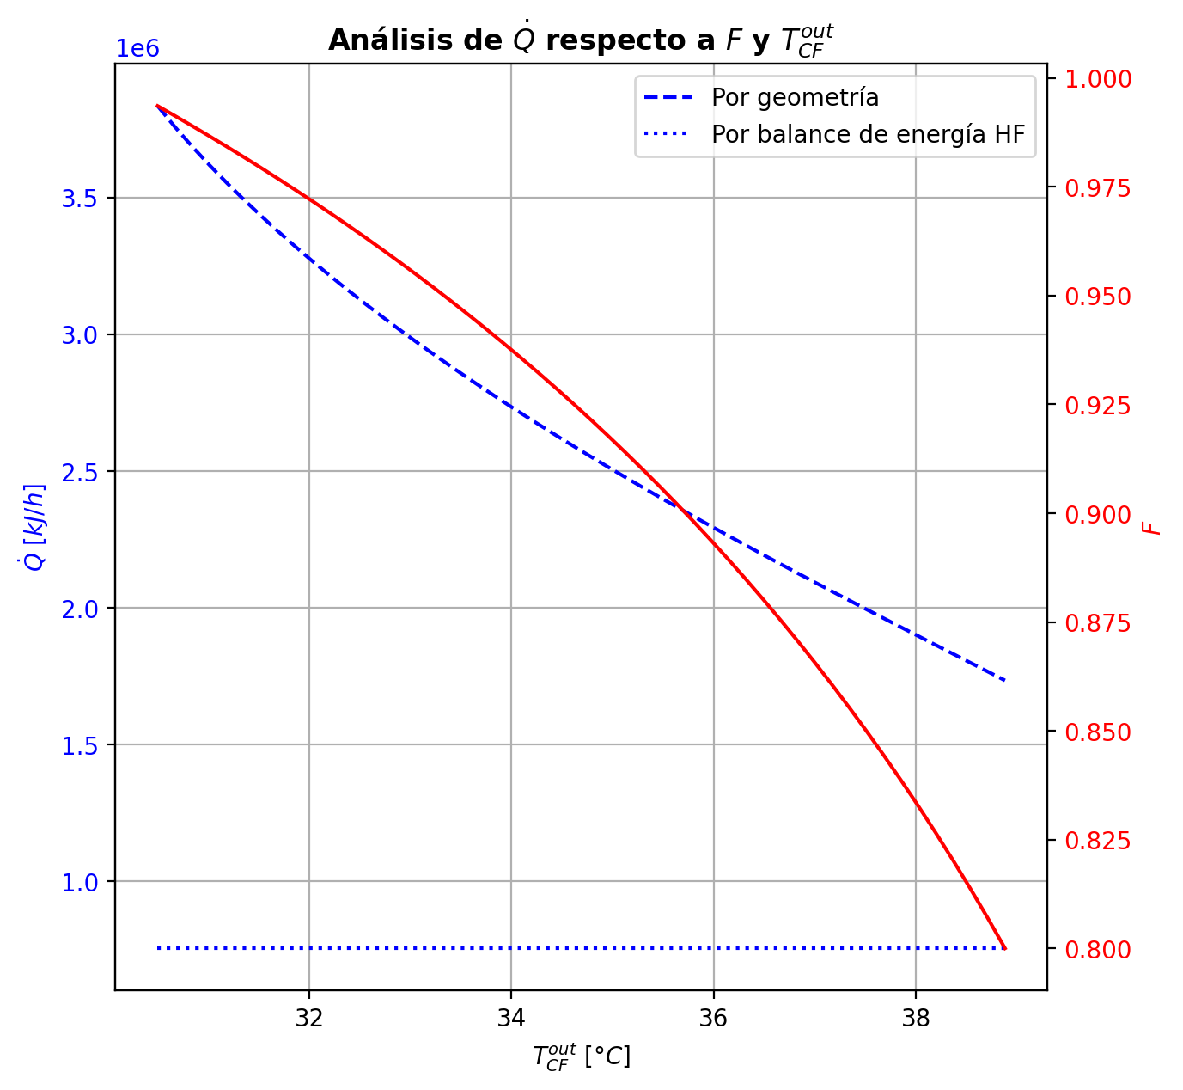
Etapas |  |  |  |  |  |  |  |  |  |  |  |  |  |  |  |  |  |  |  |  |  |  |  |  |  |  |  |  |  |  |  |  |  |  |  |  |  |  |  |  |  |  |  |  |  |  |  |  |  |  |  |  | Real | Simulación T [°C] |  | Ubicación
Ubicación de etapa |  |  |  | Flujos (cumplir balances de matería y energía ME) |  |  |  |  |  | Área R | Transferencia de masa RM |  |  |  |  |  |  |  |  |  |  |  |  |  |  |  |  |  |  | Transferencia de energía RE, cumplir equilibrio Q |  |  |  |  |  |  |  |  |  |  |  |  |  |  |  |  |  | Hidráulica H |  |  |  |  |  | g | l | Etapa | Posición [m]
Zona | s | z top [m] | z lower [m] | Fg [kmol/h] | Fl [kmol/h] | V [kmol/h] | L [kmol/h] | Vb [kmol/h] | Lb [kmol/h] | aefAtrZ [m2] | ya molar en Fg | xa molar en Fl | ya molar en V | yab molar | yaI molar | xaI molar | xab molar | xa molar en L | kbmg [m/h] | kbml [m/h] | Na [kmol/h] | Nw [kmol/h] | Nt [kmol/h] | Jag [kmol/h] | Γg,b≈1 | Ntyab [kmol/h] | Jal [kmol/h] | Γl,b | Ntxab [kmol/h] | Tg en Fg [°C] | Tl en Fl [°C] | Tg [°C] | Tg,b [°C] | TI [°C] | Tl,b [°C] | Tl [°C] | khg [kJ/h·m2·°C] | khl [kJ/h·m2·°C] | E [kJ/h] | Qg [kJ/h] | ΣNiĥig,b [kJ/h] | Ql [kJ/h] | ΣNiĥil,b [kJ/h] | hg en Fg [kJ/kmol] | hl en Fl [kJ/kmol] | hg en V [kJ/kmol] | hl en L [kJ/kmol] | P en Fg [bar] | P en Fl [bar] | P [bar] |  | TT1 [°C] | 199.1919 | - | 197.30936653 | 36 | 10.2497
Rectificación | 2 | 9.6416 | 9.5304235294 | - | - | 36.827508352 | 25.195719212 | 36.827508352 | 25.195719212 | 9.1870790074 | - | - | 0.98180926622 | 0.98180926622 | 0.99990866497 | 0.95447649612 | 0.96431097185 | 0.96431097185 | 4.3867149668 | 0.14559607324 | -1.8094366707 | 0.41552585103 | -1.3939108197 | -0.44088211166 | 1 | -1.368554559 | -0.46527317351 | 1.0078679437 | -1.3441634972 | - | - | 58.197068292 | 58.197068292 | 39.984332395 | 39.912157869 | 39.912157869 | 96.297263793 | 3710.3894063 | -3082.7091997 | 16112.635714 | -19195.344913 | 2460.2592925 | -5542.9684922 | - | - | -49518.394652 | -74059.924866 | - | - | 14.6937395 |  | TT2 [°C] | 197.4653 | 197.31114888 | 197.29046885 | 32 | 8.7696
Rectificación | 3 | 9.5304235294 | 9.4192470588 | - | - | 35.433597532 | 23.240340094 | 35.433597532 | 23.240340094 | 9.2069301696 | - | - | 0.96936677823 | 0.96936677823 | 0.99980590457 | 0.91586400618 | 0.93330511659 | 0.93330511659 | 4.352379106 | 0.13017988392 | -2.6061801586 | 0.65080104066 | -1.955379118 | -0.71070060282 | 1 | -1.8954795558 | -0.78121482295 | 1.0432053836 | -1.8249653357 | - | - | 67.090192924 | 67.090192924 | 41.852113795 | 41.732979481 | 41.732979481 | 91.433721431 | 3284.0756015 | -19831.998638 | 21246.017907 | -41078.016545 | 3602.1754857 | -23434.174124 | - | - | -51553.382356 | -81144.469607 | - | - | 14.69375194 |  | TT3 [°C] | 191.5738 | 195.7039217 | 194.62564462 | 24 | 5.5946
Rectificación | 4 | 9.4192470588 | 9.3080705882 | - | - | 33.478218414 | 20.701820435 | 33.478218414 | 20.701820435 | 9.2243501744 | - | - | 0.948138032 | 0.948138032 | 0.9995203139 | 0.84684868082 | 0.877110869 | 0.877110869 | 4.2785257032 | 0.11146526289 | -3.5325366091 | 0.99401695053 | -2.5385196585 | -1.1256695758 | 1 | -2.4068670332 | -1.3059734254 | 1.1310040711 | -2.2265631837 | - | - | 79.914179187 | 79.914179187 | 45.751334279 | 45.493503817 | 45.493503817 | 83.367083492 | 2831.0248014 | -57879.108475 | 26271.472721 | -84150.581197 | 6733.0785658 | -64612.187041 | - | - | -55156.871779 | -93890.495522 | - | - | 14.693763854 |  | TT4 [°C] | 46.5833 | 169.13773262 | 165.46621454 | 10 | 3.9246
Rectificación | 5 | 9.3080705882 | 9.1968941176 | - | - | 30.939698755 | 17.732104025 | 30.939698755 | 17.732104025 | 9.2447302596 | - | - | 0.91175533854 | 0.91175533854 | 0.99827601808 | 0.72434138031 | 0.77289561715 | 0.77289561715 | 4.1745104977 | 0.092913130388 | -4.4527262283 | 1.4830098178 | -2.9697164106 | -1.745071437 | 1 | -2.7076547913 | -2.1574454304 | 1.3144197353 | -2.2952807979 | - | - | 97.609333632 | 97.609333632 | 55.055660093 | 54.428802665 | 54.428802665 | 76.358963503 | 2318.8953462 | -133838.47057 | 30039.404989 | -163877.87556 | 13438.29496 | -147276.76553 | - | - | -61553.052729 | -117162.78263 | - | - | 14.693775012 |  | TT5 [°C] | 94.2881 | 58.197068292 | - | 1 | 0
Rectificación | 6 | 9.1968941176 | 9.0857176471 | - | - | 27.969982345 | 15.194160665 | 27.969982345 | 15.194160665 | 9.1965279144 | - | - | 0.84936447194 | 0.84936447194 | 0.9885413721 | 0.53836727731 | 0.5946071094 | 0.5946071094 | 4.0299065396 | 0.088441829782 | -4.6705095308 | 2.1325661708 | -2.53794336 | -2.514870609 | 1 | -2.1556389218 | -3.1614303648 | 1.6313858874 | -1.5090791651 | - | - | 120.5265707 | 120.5265707 | 77.648903633 | 76.249940095 | 76.249940095 | 68.485977157 | 1919.4790933 | -286610.47879 | 27005.778289 | -313616.25708 | 24695.264089 | -311305.7429 | - | - | -72873.531143 | -155596.1649 | - | - | 14.693785157
Rectificación | 7 | 9.0857176471 | 8.9745411765 | - | - | 25.432038985 | 14.105084369 | 25.432038985 | 14.105084369 | 9.016339919 | - | - | 0.75047855051 | 0.75047855051 | 0.92308111858 | 0.34048227389 | 0.38521895766 | 0.38521895766 | 3.897134302 | 0.11178348879 | -3.6010100546 | 2.5119337589 | -1.0890762957 | -2.7836816546 | 1 | -0.8173283998 | -3.1814772199 | 1.5805548251 | -0.41953283545 | - | - | 143.47334502 | 143.47334502 | 113.33915415 | 111.1308277 | 111.1308277 | 61.702919539 | 1805.5538345 | -434783.99596 | 16764.689907 | -451548.68587 | 35950.422025 | -470734.41797 | - | - | -91415.472415 | -198434.62477 | - | - | 14.693794236 |  |  |  | Rectificación | Agotamiento |  | Simbología
Rectificación | 8 | 8.9745411765 | 8.8633647059 | - | - | 24.342962689 | 13.954449501 | 24.342962689 | 13.954449501 | 8.8718047571 | - | - | 0.6361259267 | 0.6361259267 | 0.77080243804 | 0.20700003146 | 0.23506821304 | 0.23506821304 | 3.8780734895 | 0.14029145287 | -2.1532983902 | 2.002663522 | -0.15063486816 | -2.057475645 | 1 | -0.095822745105 | -2.1178889209 | 1.3245151597 | -0.03540946928 | - | - | 158.40455338 | 158.40455338 | 142.45428483 | 140.52739986 | 140.52739986 | 58.380803121 | 1877.0630073 | -381713.51025 | 8261.3313272 | -389974.84157 | 32088.293015 | -413801.80325 | - | - | -113366.06351 | -227930.92871 | - | - | 14.693802578 |  | Transferencia de masa | Na [kmol/h] | -24.82401499 | -11.333225385 |  | l-v
Rectificación | 9 | 8.8633647059 | 8.7521882353 | - | - | 24.192327821 | 14.01107908 | 24.192327821 | 14.01107908 | 8.8348610922 | - | - | 0.55107930943 | 0.55107930943 | 0.62570353768 | 0.14061770329 | 0.15538756388 | 0.15538756388 | 3.9303526257 | 0.15371190229 | -1.1031000625 | 1.1597296412 | 0.056629578755 | -1.1343074517 | 0.99999999993 | 0.031207389154 | -1.1118995948 | 1.1971380916 | 0.0087995322863 | - | - | 165.8123289 | 165.8123289 | 158.49980612 | 157.41844767 | 157.41844767 | 57.475202044 | 2040.3414607 | -227981.27927 | 3713.1924971 | -231694.47177 | 19492.711694 | -247473.99097 | - | - | -129850.23135 | -243281.18444 | - | - | 14.693810742 |  |  | Nw [kmol/h] | 12.285232038 | 16.644048351 |  | v-l
Rectificación | 10 | 8.7521882353 | 8.6410117647 | - | - | 24.2489574 | 14.056614654 | 24.2489574 | 14.056614654 | 8.8423075536 | - | - | 0.50430173327 | 0.50430173327 | 0.5391435308 | 0.11177136996 | 0.11860320024 | 0.11860320024 | 3.9753969115 | 0.15872379052 | -0.50998796307 | 0.55552353705 | 0.045535573987 | -0.53295163195 | 1 | 0.022963668887 | -0.51538862785 | 1.1531297094 | 0.0054006647996 | - | - | 169.13773262 | 169.13773262 | 165.9679396 | 165.46621454 | 165.46621454 | 57.303995831 | 2125.0406629 | -110114.59133 | 1606.1327126 | -111720.72405 | 9427.5459182 | -119542.13725 | - | - | -138948.68089 | -250326.73882 | - | - | 14.693819019 |  |  | Nt [kmol/h] | -12.538782952 | 5.310822966
Rectificación | 11 | 8.6410117647 | 8.5298352941 | - | - | 24.294492974 | 14.077648297 | 24.294492974 | 14.077648297 | 8.8510554432 | - | - | 0.4823645958 | 0.4823645958 | 0.49746613708 | 0.099700203653 | 0.10266622707 | 0.10266622707 | 3.9987665506 | 0.16054597505 | -0.2218604458 | 0.24289408948 | 0.021033643672 | -0.23200633082 | 1 | 0.010145885028 | -0.22401989063 | 1.1363399453 | 0.0021594448373 | - | - | 170.57392555 | 170.57392555 | 169.19648056 | 168.98131914 | 168.98131914 | 57.268116016 | 2164.1006949 | -48192.655047 | 698.20382066 | -48890.858868 | 4121.3255807 | -52313.980629 | - | - | -143220.73891 | -253376.06714 | - | - | 14.693827412 |  |  | Jag [kmol/h] | -13.428540273 | -13.211488242
Rectificación | 12 | 8.5298352941 | 8.4186588235 | - | - | 24.315526617 | 14.085535425 | 24.315526617 | 14.085535425 | 8.8558034701 | - | - | 0.47282310676 | 0.47282310676 | 0.47915686053 | 0.094699883951 | 0.095951144043 | 0.095951144043 | 4.0092014416 | 0.16122331798 | -0.093775798145 | 0.10166292629 | 0.0078871281467 | -0.097505014577 | 1 | 0.0037292164337 | -0.094532577111 | 1.1294739976 | 0.00075677896889 | - | - | 171.19766336 | 171.19766336 | 170.55174381 | 170.46193324 | 170.46193324 | 57.255029351 | 2180.8867791 | -20097.703513 | 327.50659048 | -20425.210104 | 1734.5567691 | -21832.260282 | - | - | -145078.81921 | -254661.02319 | - | - | 14.693835865 |  |  | Ntyab [kmol/h] | -11.395474717 | 1.8782628576
Rectificación | 13 | 8.4186588235 | 8.3074823529 | - | - | 24.323413745 | 14.087229977 | 24.323413745 | 14.087229977 | 8.8580322603 | - | - | 0.46881441721 | 0.46881441721 | 0.47141085524 | 0.092635167717 | 0.093156264949 | 0.093156264949 | 4.013748938 | 0.16147142638 | -0.039209510426 | 0.040904061661 | 0.0016945512354 | -0.040003940475 | 1 | 0.00079443004984 | -0.039367368489 | 1.1266325385 | 0.00015785806385 | - | - | 171.49013123 | 171.49013123 | 171.1143662 | 171.07719416 | 171.07719416 | 57.246581687 | 2187.7143099 | -7967.0640589 | 190.54746874 | -8157.6115276 | 720.35117181 | -8687.4152307 | - | - | -145858.0457 | -255195.94226 | - | - | 14.693844345 |  |  | Jal [kmol/h] | -15.182972341 | -11.879597705
Rectificación | 14 | 8.3074823529 | 8.1963058824 | - | - | 24.325108297 | 14.08562854 | 24.325108297 | 14.08562854 | 8.859104278 | - | - | 0.46716986377 | 0.46716986377 | 0.46818763523 | 0.091784569314 | 0.092000181782 | 0.092000181782 | 4.0158680047 | 0.16154463094 | -0.016433341934 | 0.014831904986 | -0.0016014369479 | -0.015685198853 | 1 | -0.00074814308076 | -0.016286009443 | 1.1254584513 | -0.00014733249032 | - | - | 171.66029412 | 171.66029412 | 171.34666851 | 171.33133917 | 171.33133917 | 57.238393483 | 2190.194383 | -2708.4773667 | 159.03355552 | -2867.5109222 | 297.43765873 | -3005.9150254 | - | - | -146175.40914 | -255417.24282 | - | - | 14.693852837 |  |  | Ntxab [kmol/h] | -9.6410426491 | 0.54637232046
Rectificación | 15 | 8.1963058824 | 8.0851294118 | - | - | 24.32350686 | 14.081615508 | 24.32350686 | 14.081615508 | 8.8597283726 | - | - | 0.46652500614 | 0.46652500614 | 0.46686183827 | 0.091436139691 | 0.091524813148 | 0.091524813148 | 4.0170844029 | 0.16153549016 | -0.0070631580025 | 0.0030501260178 | -0.0040130319847 | -0.0051909782311 | 1 | -0.0018721797713 | -0.0066958659998 | 1.1249758754 | -0.00036729200256 | - | - | 171.80234817 | 171.80234817 | 171.44192712 | 171.43563993 | 171.43563993 | 57.228224425 | 2190.6931112 | -256.62679622 | 182.74303172 | -439.36982794 | 122.02773513 | -378.65453135 | - | - | -146296.38545 | -255508.25684 | - | - | 14.693861334 |  | Transferencia de energía | E [kJ/h] | -1727978.0571 | -3476648.5654
Rectificación | 16 | 8.0851294118 | 7.9739529412 | - | - | 24.319493828 | 14.075075838 | 24.319493828 | 14.075075838 | 8.8602440932 | - | - | 0.46631155687 | 0.46631155687 | 0.46632847585 | 0.091296211816 | 0.091332155116 | 0.091332155116 | 4.0180839766 | 0.16147495092 | -0.0033102184495 | -0.0032294511665 | -0.006539669616 | -0.00026069492934 | 1.0000000002 | -0.0030495235201 | -0.0027129363296 | 1.1247804651 | -0.00059728211978 | - | - | 171.96564733 | 171.96564733 | 171.48021321 | 171.47767953 | 171.47767953 | 57.214170894 | 2190.1287882 | 1151.4894168 | 246.08185734 | 905.40755948 | 49.16629331 | 1102.3231235 | - | - | -146331.07856 | -255545.16251 | - | - | 14.693869835 |  |  | Qg [kJ/h] | 153682.16047 | 31913.288976
Rectificación | 17 | 7.9739529412 | 7.8627764706 | - | - | 24.312954158 | 14.065262146 | 24.312954158 | 14.065262146 | 8.860832238 | - | - | 0.4663008344 | 0.4663008344 | 0.46612969434 | 0.091244105679 | 0.091257951945 | 0.091257951945 | 4.0192221841 | 0.16136735512 | -0.0019399927275 | -0.0078736996721 | -0.0098136923996 | 0.0026361402271 | 0.99999999999 | -0.0045761329545 | -0.001044415258 | 1.1247054477 | -0.00089557746941 | - | - | 172.18568405 | 172.18568405 | 171.49448985 | 171.49353425 | 171.49353425 | 57.19404628 | 2188.7729417 | 2307.518387 | 350.28813125 | 1957.2302558 | 18.533251861 | 2288.9851352 | - | - | -146323.07737 | -255559.40492 | - | - | 14.693878338 |  |  | ΣNiĥig,b [kJ/h] | -1881660.2175 | -3508561.8543
Rectificación | 18 | 7.8627764706 | 7.7516 | - | - | 24.303140466 | 14.05084708 | 24.303140466 | 14.05084708 | 8.8616221591 | - | - | 0.46640930352 | 0.46640930352 | 0.46607892054 | 0.091230811293 | 0.091235080205 | 0.091235080205 | 4.0207503721 | 0.16120261163 | -0.0016368567266 | -0.012778209383 | -0.014415066109 | 0.0050864642176 | 1 | -0.0067233209442 | -0.00032169701393 | 1.1246827127 | -0.0013151597126 | - | - | 172.49919169 | 172.49919169 | 171.4981536 | 171.49789096 | 171.49789096 | 57.164938113 | 2186.5773389 | 3621.6044241 | 507.09994946 | 3114.5044746 | 5.089186959 | 3616.5152371 | - | - | -146287.21581 | -255563.83891 | - | - | 14.693886845 |  |  | Ql [kJ/h] | 154956.53269 | 361014.30399
Agotamiento | 19 | 6.8706 | 6.6358941176 | - | 48.062545973 | 24.2887254 | 65.155632822 | 24.2887254 | 65.155632822 | 14.755116847 | - | 0.209146 | 0.4666187202 | 0.4666187202 | 0.6097135626 | 0.13483857313 | 0.13949044227 | 0.13949044227 | 4.0229249185 | 0.70785369922 | -2.2454313618 | 5.287671131 | 3.0422397692 | -3.6649973894 | 1 | 1.4195660277 | -2.6697947327 | 1.1800057339 | 0.4243633709 | - | 117.73282335 | 172.9536726 | 172.9536726 | 159.96903185 | 158.89160587 | 158.89160587 | 57.122759219 | 9545.226124 | -1158585.6444 | 10944.143241 | -1169529.7877 | 151745.67296 | -1310331.3174 | - | -235341.5316 | -146224.92911 | -246495.76024 | - | 18.6326 | 14.693895355 |  |  | ΣNiĥil,b [kJ/h] | -1882934.5897 | -3837662.8693
Agotamiento | 20 | 6.6358941176 | 6.4011882353 | - | - | 27.330965169 | 65.941618138 | 27.330965169 | 65.941618138 | 15.032952211 | - | - | 0.33252183168 | 0.33252183168 | 0.44536433626 | 0.085899160697 | 0.091111232142 | 0.091111232142 | 4.6405708504 | 0.76422817395 | -3.0805659606 | 3.8665512766 | 0.78598531599 | -3.3419232376 | 1 | 0.26135727695 | -3.1521780512 | 1.1238563871 | 0.071612090585 | - | - | 181.61480669 | 181.61480669 | 172.96193719 | 172.48485602 | 172.48485602 | 63.284644225 | 10306.547185 | -788010.90832 | 8231.9509518 | -796242.85927 | 73917.921755 | -861928.83007 | - | - | -172339.42398 | -255507.8057 | - | - | 14.693921803
Agotamiento | 21 | 6.4011882353 | 6.1664823529 | - | - | 28.116950485 | 66.515190846 | 28.116950485 | 66.515190846 | 15.152410412 | - | - | 0.2136638766 | 0.2136638766 | 0.29275098178 | 0.051542577601 | 0.055361020715 | 0.055361020715 | 4.8692933546 | 0.79516955942 | -2.3256732197 | 2.899245928 | 0.57357270831 | -2.448224988 | 1 | 0.12255176837 | -2.3574267902 | 1.0853198946 | 0.031753570586 | - | - | 188.0119636 | 188.0119636 | 182.62712413 | 182.30304351 | 182.30304351 | 64.370301022 | 10905.690942 | -591278.53552 | 5252.1851343 | -596530.72065 | 53553.513627 | -644832.04915 | - | - | -195548.00957 | -262193.89087 | - | - | 14.693954672 |  | Hidráulica | ΔP [bar] en C-1 | 0.12334258789
Agotamiento | 22 | 6.1664823529 | 5.9317764706 | - | - | 28.690523193 | 66.902446141 | 28.690523193 | 66.902446141 | 15.254316442 | - | - | 0.12833169317 | 0.12833169317 | 0.17765170834 | 0.029716084777 | 0.032197177786 | 0.032197177786 | 5.0351130386 | 0.81122962479 | -1.5282789056 | 1.9155342004 | 0.38725529486 | -1.5779760332 | 1 | 0.049697127678 | -1.5407474331 | 1.0554793838 | 0.012468527577 | - | - | 192.03893073 | 192.03893073 | 188.8902945 | 188.6889418 | 188.6889418 | 65.406612365 | 11337.689389 | -391608.17925 | 3141.4987831 | -394749.67803 | 34823.68848 | -426431.86773 | - | - | -212247.51452 | -266529.63976 | - | - | 14.693989781

Agotamiento | 23 | 5.9317764706 | 5.6970705882 | - | - | 29.077778488 | 67.133932941 | 29.077778488 | 67.133932941 | 15.3265517 | - | - | 0.074064272639 | 0.074064272639 | 0.10292079539 | 0.016777862077 | 0.018279469332 | 0.018279469332 | 5.1446405943 | 0.81880153226 | -0.92689728444 | 1.1583840843 | 0.23148679988 | -0.9440421859 | 1 | 0.017144901458 | -0.9311287403 | 1.0339633521 | 0.004231455859 | - | - | 194.38788955 | 194.38788955 | 192.59244781 | 192.4765104 | 192.4765104 | 66.356786605 | 11617.46158 | -237012.7972 | 1826.0014472 | -238838.79865 | 20643.308491 | -257656.10569 | - | - | -222888.43076 | -269141.05691 | - | - | 14.694026483
Agotamiento | 24 | 5.6970705882 | 5.4623647059 | - | - | 29.309265288 | 67.264991726 | 29.309265288 | 67.264991726 | 15.371433832 | - | - | 0.041854588206 | 0.041854588206 | 0.058237609628 | 0.0093772993497 | 0.010249431356 | 0.010249431356 | 5.2098561848 | 0.82230178456 | -0.53774475296 | 0.66880353771 | 0.13105878475 | -0.54323016443 | 1 | 0.0054854114663 | -0.53908803098 | 1.0199340514 | 0.0013432780178 | - | - | 195.7039217 | 195.7039217 | 194.69026865 | 194.62564462 | 194.62564462 | 67.094199303 | 11786.811821 | -136870.60761 | 1045.4149054 | -137916.02252 | 11708.594632 | -148579.20224 | - | - | -229214.65783 | -270651.46084 | - | - | 14.694064224
Agotamiento | 25 | 5.4623647059 | 5.2276588235 | - | - | 29.440324073 | 67.337855163 | 29.440324073 | 67.337855163 | 15.397626814 | - | - | 0.023402679759 | 0.023402679759 | 0.032578735876 | 0.0052149282992 | 0.0057102166706 | 0.0057102166706 | 5.246823439 | 0.82396708885 | -0.30491417223 | 0.37777760984 | 0.072863437617 | -0.30661937192 | 1 | 0.0017051996967 | -0.30533023824 | 1.011403425 | 0.00041606601615 | - | - | 196.42896145 | 196.42896145 | 195.86010349 | 195.82442553 | 195.82442553 | 67.603388214 | 11885.385965 | -77317.387592 | 592.14230824 | -77909.5299 | 6529.3080472 | -83846.695639 | - | - | -232843.35475 | -271506.8013 | - | - | 14.694102573
Agotamiento | 26 | 5.2276588235 | 4.9929529412 | - | - | 29.51318751 | 67.378168492 | 29.51318751 | 67.378168492 | 15.412492256 | - | - | 0.013013447087 | 0.013013447087 | 0.018121488095 | 0.0028923684879 | 0.0031703091647 | 0.0031703091647 | 5.2674022576 | 0.82479448708 | -0.17090411805 | 0.21121744668 | 0.040313328629 | -0.17142873341 | 1 | 0.00052461536904 | -0.17103192376 | 1.0064267081 | 0.00012780571521 | - | - | 196.82692424 | 196.82692424 | 196.50897462 | 196.48930171 | 196.48930171 | 67.926798138 | 11941.502429 | -43229.799701 | 332.86821737 | -43562.667918 | 3620.7647762 | -46850.564477 | - | - | -234888.25824 | -271985.95437 | - | - | 14.694141263
Agotamiento | 27 | 4.9929529412 | 4.7582470588 | - | - | 29.553500839 | 67.400448221 | 29.553500839 | 67.400448221 | 15.420822748 | - | - | 0.0072128235218 | 0.0072128235218 | 0.010048170388 | 0.0016014403075 | 0.0017564253099 | 0.0017564253099 | 5.2787950494 | 0.82522174556 | -0.095225771915 | 0.11750550061 | 0.022279728696 | -0.095386471666 | 1 | 0.00016069975119 | -0.095264904594 | 1.0035905417 | 3.9132679379E-05 | - | - | 197.04580255 | 197.04580255 | 196.86831926 | 196.85746139 | 196.85746139 | 68.121016893 | 11973.051469 | -24049.544387 | 186.44303234 | -24235.987419 | 2004.7348348 | -26054.279222 | - | - | -236030.61604 | -272252.86315 | - | - | 14.694180139
Agotamiento | 28 | 4.7582470588 | 4.5235411765 | - | - | 29.575780568 | 67.412748653 | 29.575780568 | 67.412748653 | 15.425462786 | - | - | 0.0039876686878 | 0.0039876686878 | 0.0055592902681 | 0.00088534128322 | 0.00097146962847 | 0.00097146962847 | 5.2850940501 | 0.82544854179 | -0.052894415265 | 0.065194847145 | 0.01230043188 | -0.052943465312 | 1 | 4.9050047053E-05 | -0.052906364761 | 1.0019952114 | 1.1949495988E-05 | - | - | 197.16674299 | 197.16674299 | 197.06726146 | 197.06126186 | 197.06126186 | 68.233605717 | 11990.66343 | -13341.833661 | 104.70778009 | -13446.541441 | 1109.6964889 | -14451.53015 | - | - | -236665.96179 | -272401.09929 | - | - | 14.694219118
Agotamiento | 29 | 4.5235411765 | 4.2888352941 | - | - | 29.588081 | 67.41951398 | 29.588081 | 67.41951398 | 15.428039035 | - | - | 0.0021983175869 | 0.0021983175869 | 0.0030688374011 | 0.0004885260253 | 0.00053630078429 | 0.00053630078429 | 5.2885767456 | 0.8255709154 | -0.029332299664 | 0.0360976266 | 0.0067653269359 | -0.029347172001 | 1 | 1.4872337184E-05 | -0.029335927914 | 1.0011043206 | 3.6282501417E-06 | - | - | 197.23414235 | 197.23414235 | 197.17741583 | 197.17409746 | 197.17409746 | 68.297419704 | 12000.453047 | -7384.3709699 | 59.772465154 | -7444.1434351 | 614.37481777 | -7998.7457877 | - | - | -237018.49361 | -272483.29343 | - | - | 14.694258153
Agotamiento | 30 | 4.2888352941 | 4.0541294118 | - | - | 29.594846326 | 67.42318712 | 29.594846326 | 67.42318712 | 15.429466445 | - | - | 0.0012066864198 | 0.0012066864198 | 0.0016886849684 | 0.00026876106321 | 0.00029523455541 | 0.00029523455541 | 5.2905042221 | 0.82563722915 | -0.01625148355 | 0.019924624029 | 0.0036731404786 | -0.016255915879 | 1 | 4.4323287336E-06 | -0.016252567988 | 1.0006088058 | 1.0844379961E-06 | - | - | 197.27247325 | 197.27247325 | 197.23843327 | 197.23659628 | 197.23659628 | 68.332937293 | 12005.87517 | -4070.8831377 | 35.889734677 | -4106.7728724 | 340.29300686 | -4411.1761446 | - | - | -237213.82706 | -272528.82693 | - | - | 14.694297219
Agotamiento | 31 | 4.0541294118 | 3.8194235294 | - | - | 29.598519467 | 67.425097426 | 29.598519467 | 67.425097426 | 15.430255423 | - | - | 0.00065747260197 | 0.00065747260197 | 0.00092429672216 | 0.00014708782314 | 0.00016174946214 | 0.00016174946214 | 5.2915750427 | 0.82567253234 | -0.0089996814302 | 0.010909987845 | 0.001910306415 | -0.0090009374043 | 1 | 1.2559741292E-06 | -0.0089999904213 | 1.000333811 | 3.0899103514E-07 | - | - | 197.29546383 | 197.29546383 | 197.27225798 | 197.27124002 | 197.27124002 | 68.352181382 | 12008.860739 | -2220.4275831 | 24.475023752 | -2244.9026069 | 188.62694746 | -2409.0545306 | - | - | -237321.92582 | -272554.03733 | - | - | 14.694336303
Agotamiento | 32 | 3.8194235294 | 3.5847176471 | - | - | 29.600429773 | 67.425944936 | 29.600429773 | 67.425944936 | 15.430689225 | - | - | 0.00035339129392 | 0.00035339129392 | 0.00050108332928 | 7.9734563967E-05 | 8.7852041442E-05 | 8.7852041442E-05 | 5.2921778063 | 0.82568980451 | -0.0049824663345 | 0.0058299758031 | 0.0008475094686 | -0.0049827658369 | 1 | 2.9950246772E-07 | -0.0049825407899 | 1.0001813849 | 7.4455436958E-08 | - | - | 197.31114888 | 197.31114888 | 197.29103377 | 197.29046885 | 197.29046885 | 68.361895506 | 12010.479141 | -1171.7525298 | 21.218843228 | -1192.971373 | 104.69652785 | -1276.4490576 | - | - | -237381.62327 | -272567.98983 | - | - | 14.694375396
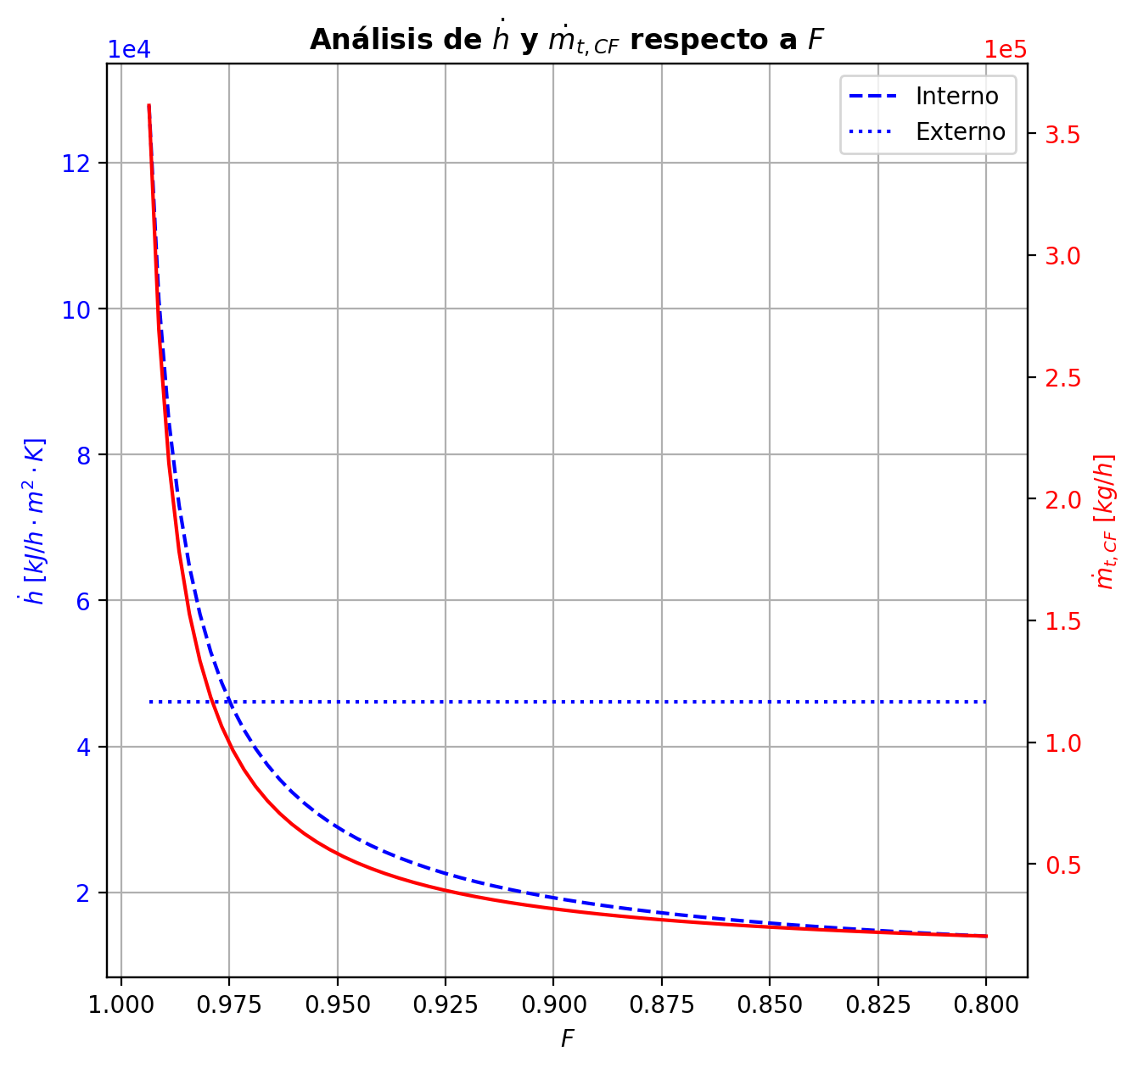
Agotamiento | 33 | 3.5847176471 | 3.3500117647 | - | - | 29.601277283 | 67.42605823 | 29.601277283 | 67.42605823 | 15.430924147 | - | - | 0.0001850618739 | 0.0001850618739 | 0.00026680739379 | 4.2454029199E-05 | 4.6947552674E-05 | 4.6947552674E-05 | 5.2925313747 | 0.82569537062 | -0.0027580184884 | 0.0028713123432 | 0.00011329385474 | -0.0027580394548 | 1 | 2.0966373059E-08 | -0.0027580238073 | 1.0000969546 | 5.3188692131E-09 | - | - | 197.32474945 | 197.32474945 | 197.30148112 | 197.30116685 | 197.30116685 | 68.365618218 | 12011.313916 | -551.32587011 | 24.546804862 | -575.87267497 | 58.248553674 | -609.57442378 | - | - | -237414.41136 | -272575.70859 | - | - | 14.694414494
Agotamiento | 34 | 3.3500117647 | 3.1153058824 | - | - | 29.601390577 | 67.425521075 | 29.601390577 | 67.425521075 | 15.431045372 | - | - | 9.1889242441E-05 | 9.1889242441E-05 | 0.00013713306962 | 2.1820002822E-05 | 2.4307221101E-05 | 2.4307221101E-05 | 5.2927633989 | 0.82569148761 | -0.0015265613718 | 0.00098940675714 | -0.00053715461462 | -0.001526512013 | 1 | -4.9358730611E-08 | -0.001526548315 | 1.0000502053 | -1.3056735983E-08 | - | - | 197.34046362 | 197.34046362 | 197.30731922 | 197.30714365 | 197.30714365 | 68.364876676 | 12011.671214 | -141.34229042 | 34.965403893 | -176.30769431 | 32.543119944 | -173.88541036 | - | - | -237432.1277 | -272579.97638 | - | - | 14.694453596
Agotamiento | 35 | 3.1153058824 | 2.8806 | 29.599548366 | - | 29.600853422 | 67.424216019 | 29.600853422 | 67.424216019 | 15.431097677 | 1.1776417155E-05 | - | 4.0319377503E-05 | 4.0319377503E-05 | 6.5360566234E-05 | 1.0399774351E-05 | 1.1776417155E-05 | 1.1776417155E-05 | 5.2929554987 | 0.82567738547 | -0.00084491135439 | -0.0004601449822 | -0.0013050563366 | -0.00084485873532 | 1 | -5.2619059098E-08 | -0.0008448959855 | 1.0000243254 | -1.5368887831E-08 | 197.7056203 | - | 197.36280724 | 197.36280724 | 197.3106064 | 197.31050758 | 197.31050758 | 68.359763658 | 12011.691493 | 196.77467916 | 55.064899849 | 141.70977931 | 18.316920428 | 178.45775874 | -237445.03221 | - | -237441.21122 | -272582.33395 | 14.817082088 | - | 14.6944927

